SMCR7 _multivariate
Reported by Tex Li-Hsing Chi. tex@gate.sinica.edu.tw 2019-08-15

Table 2. The clinicopathological features of HNSCC cohort and SMCR7 expression. (Chi square test)
Cutoff at -0.296 (50.0%)
 |  | SMCR7 expression |  | SMCR7 expression |  | (Optimised)
 | Features | Low | (%) | High | (%) | Case no | P-value | Remark | Matthews
Gender | Female | 150 | 36.1 | 156 | 37.6 | 415 | 0.6344 | 0 | 0
2 | Male | 57 | 13.7 | 52 | 12.5
Age at diagnosis | <=65y | 129 | 31.1 | 145 | 34.9 | 415 | 0.1372 | 0 | 0
4 | >65y | 78 | 18.8 | 63 | 15.2
Clinical T Status | T1+T2 | 70 | 16.9 | 79 | 19 | 415 | 0.4343 | 0 | 0
6 | T3+T4 | 137 | 33 | 129 | 31.1
Clinical N Status | N0 | 115 | 27.7 | 101 | 24.3 | 415 | 0.184 | 1 | 0
8 | N1-3 | 92 | 22.2 | 107 | 25.8
Clinical M Status | M0 | 206 | 49.6 | 206 | 49.6 | 415 | 1 | 0 | 0
10 | M1 | 1 | 0.2 | 2 | 0.5
Clinical Stage | Stage I+II | 54 | 13 | 48 | 11.6 | 415 | 0.5498 | 0 | 0
12 | Stage III+IV | 153 | 36.9 | 160 | 38.6
Surgical Margin status | Negative | 156 | 37.6 | 162 | 39 | 415 | 0.5636 | 0 | 0
14 | Positive | 51 | 12.3 | 46 | 11.1
Tobacco Exposure | Low | 70 | 16.9 | 91 | 21.9 | 415 | 0.0439 | 1 | 0
16 | High | 137 | 33 | 117 | 28.2

Table 3. Univariate/Multivariate Cox's proportional hazards regression analyses on OS time of SMCR7 gene expression in HNSCC

 |  | Univariate |  |  |  | Multivariate
 | Features | HR | CI95%(L) | CI95%(H) | P-value | HR | CI95%(L) | CI95%(H) | P-value
1 | Female | 1 |  |  |  | 1
Gender | Male | 1.157 | 0.843 | 1.587 | 0.367 | 1.198 | 0.858 | 1.675 | 0.289
11 | <=65y | 1 |  |  |  | 1
Age at diagnosis | >65y | 1.329 | 0.99 | 1.784 | 0.058 | 1.383 | 1.015 | 1.883 | 0.04
12 | T1+T2 | 1 |  |  |  | 1
Clinical T Status | T3+T4 | 1.409 | 1.028 | 1.931 | 0.033 | 2.171 | 1.145 | 4.119 | 0.018
13 | N0 | 1 |  |  |  | 1
Clinical N Status | N1-3 | 1.185 | 0.89 | 1.577 | 0.246 | 1.242 | 0.87 | 1.772 | 0.233
14 | M0 | 1 |  |  |  | 1
Clinical M Status | M1 | 4.097 | 1.009 | 16.644 | 0.049 | 9.448 | 2.061 | 43.309 | 0.004
15 | Stage I+II | 1 |  |  |  | 1
Clinical Stage | Stage III+IV | 1.245 | 0.882 | 1.759 | 0.213 | 0.513 | 0.238 | 1.105 | 0.088
16 | Negative | 1 |  |  |  | 1
Surgical Margin status | Positive | 1.591 | 1.155 | 2.191 | 0.004 | 1.664 | 1.204 | 2.301 | 0.002
17 | Low | 1 |  |  |  | 1
Tobacco Exposure | High | 1.364 | 1.008 | 1.844 | 0.044 | 1.451 | 1.052 | 1.999 | 0.023
18 | Low | 1 |  |  |  | 1
RNAseq(z-score) | High | 0.874 | 0.655 | 1.165 | 0.359 | 0.938 | 0.7 | 1.256 | 0.667

Table 4. Univariate/Multivariate Cox's proportional hazards regression analyses on RFS time of SMCR7 gene expression in HNSCC

 |  | Univariate |  |  |  | Multivariate
 | Features | HR | CI95%(L) | CI95%(H) | P-value | HR | CI95%(L) | CI95%(H) | P-value
1 | Female | 1 |  |  |  | 1
Gender | Male | 1.157 | 0.843 | 1.587 | 0.367 | 1.198 | 0.858 | 1.675 | 0.289
11 | <=65y | 1 |  |  |  | 1
Age at diagnosis | >65y | 1.329 | 0.99 | 1.784 | 0.058 | 1.383 | 1.015 | 1.883 | 0.04
12 | T1+T2 | 1 |  |  |  | 1
Clinical T Status | T3+T4 | 1.409 | 1.028 | 1.931 | 0.033 | 2.171 | 1.145 | 4.119 | 0.018
13 | N0 | 1 |  |  |  | 1
Clinical N Status | N1-3 | 1.185 | 0.89 | 1.577 | 0.246 | 1.242 | 0.87 | 1.772 | 0.233
14 | M0 | 1 |  |  |  | 1
Clinical M Status | M1 | 4.097 | 1.009 | 16.644 | 0.049 | 9.448 | 2.061 | 43.309 | 0.004
15 | Stage I+II | 1 |  |  |  | 1
Clinical Stage | Stage III+IV | 1.245 | 0.882 | 1.759 | 0.213 | 0.513 | 0.238 | 1.105 | 0.088
16 | Negative | 1 |  |  |  | 1
Surgical Margin status | Positive | 1.591 | 1.155 | 2.191 | 0.004 | 1.664 | 1.204 | 2.301 | 0.002
17 | Low | 1 |  |  |  | 1
Tobacco Exposure | High | 1.364 | 1.008 | 1.844 | 0.044 | 1.451 | 1.052 | 1.999 | 0.023
18 | Low | 1 |  |  |  | 1
RNAseq(z-score) | High | 0.874 | 0.655 | 1.165 | 0.359 | 0.938 | 0.7 | 1.256 | 0.667

Kaplan-Meier survival estimate: Cutoff at -0.296 (50.0%)



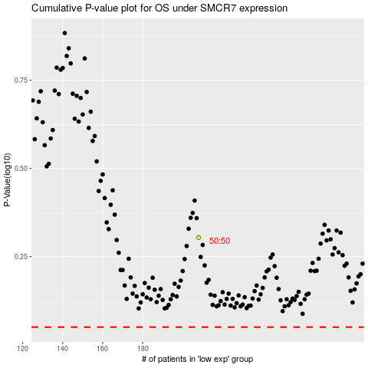

 |  |  |  |  |  | cases_OS | p_OS | rank | exp
 |  |  |  |  |  |  | cases_RFS | p_RFS | rank | exp

