SMG1 _multivariate
Reported by Tex Li-Hsing Chi. tex@gate.sinica.edu.tw 2019-08-15

Table 2. The clinicopathological features of HNSCC cohort and SMG1 expression. (Chi square test)
Cutoff at -0.085 (49.8%)
 |  | SMG1 expression |  | SMG1 expression |  | (Optimised)
 | Features | Low | (%) | High | (%) | Case no | P-value | Remark | Matthews
Gender | Female | 152 | 36.6 | 154 | 37.1 | 415 | 0.9766 | 0 | 0
2 | Male | 55 | 13.3 | 54 | 13
Age at diagnosis | <=65y | 136 | 32.8 | 138 | 33.3 | 415 | 0.9719 | 0 | 0
4 | >65y | 71 | 17.1 | 70 | 16.9
Clinical T Status | T1+T2 | 71 | 17.1 | 78 | 18.8 | 415 | 0.5638 | 0 | 0
6 | T3+T4 | 136 | 32.8 | 130 | 31.3
Clinical N Status | N0 | 113 | 27.2 | 103 | 24.8 | 415 | 0.3495 | 1 | 0
8 | N1-3 | 94 | 22.7 | 105 | 25.3
Clinical M Status | M0 | 206 | 49.6 | 206 | 49.6 | 415 | 1 | 0 | 0
10 | M1 | 1 | 0.2 | 2 | 0.5
Clinical Stage | Stage I+II | 53 | 12.8 | 49 | 11.8 | 415 | 0.7113 | 0 | 0
12 | Stage III+IV | 154 | 37.1 | 159 | 38.3
Surgical Margin status | Negative | 159 | 38.3 | 159 | 38.3 | 415 | 1 | 0 | 0
14 | Positive | 48 | 11.6 | 49 | 11.8
Tobacco Exposure | Low | 82 | 19.8 | 79 | 19 | 415 | 0.763 | 0 | 0
16 | High | 125 | 30.1 | 129 | 31.1

Table 3. Univariate/Multivariate Cox's proportional hazards regression analyses on OS time of SMG1 gene expression in HNSCC

 |  | Univariate |  |  |  | Multivariate
 | Features | HR | CI95%(L) | CI95%(H) | P-value | HR | CI95%(L) | CI95%(H) | P-value
1 | Female | 1 |  |  |  | 1
Gender | Male | 1.157 | 0.843 | 1.587 | 0.367 | 1.197 | 0.856 | 1.673 | 0.294
11 | <=65y | 1 |  |  |  | 1
Age at diagnosis | >65y | 1.329 | 0.99 | 1.784 | 0.058 | 1.403 | 1.032 | 1.909 | 0.031
12 | T1+T2 | 1 |  |  |  | 1
Clinical T Status | T3+T4 | 1.409 | 1.028 | 1.931 | 0.033 | 2.168 | 1.145 | 4.104 | 0.017
13 | N0 | 1 |  |  |  | 1
Clinical N Status | N1-3 | 1.185 | 0.89 | 1.577 | 0.246 | 1.252 | 0.877 | 1.787 | 0.216
14 | M0 | 1 |  |  |  | 1
Clinical M Status | M1 | 4.097 | 1.009 | 16.644 | 0.049 | 9.301 | 2.028 | 42.651 | 0.004
15 | Stage I+II | 1 |  |  |  | 1
Clinical Stage | Stage III+IV | 1.245 | 0.882 | 1.759 | 0.213 | 0.514 | 0.239 | 1.104 | 0.088
16 | Negative | 1 |  |  |  | 1
Surgical Margin status | Positive | 1.591 | 1.155 | 2.191 | 0.004 | 1.661 | 1.202 | 2.295 | 0.002
17 | Low | 1 |  |  |  | 1
Tobacco Exposure | High | 1.364 | 1.008 | 1.844 | 0.044 | 1.442 | 1.046 | 1.989 | 0.026
18 | Low | 1 |  |  |  | 1
RNAseq(z-score) | High | 0.867 | 0.651 | 1.155 | 0.33 | 0.888 | 0.664 | 1.188 | 0.423

Table 4. Univariate/Multivariate Cox's proportional hazards regression analyses on RFS time of SMG1 gene expression in HNSCC

 |  | Univariate |  |  |  | Multivariate
 | Features | HR | CI95%(L) | CI95%(H) | P-value | HR | CI95%(L) | CI95%(H) | P-value
1 | Female | 1 |  |  |  | 1
Gender | Male | 1.157 | 0.843 | 1.587 | 0.367 | 1.197 | 0.856 | 1.673 | 0.294
11 | <=65y | 1 |  |  |  | 1
Age at diagnosis | >65y | 1.329 | 0.99 | 1.784 | 0.058 | 1.403 | 1.032 | 1.909 | 0.031
12 | T1+T2 | 1 |  |  |  | 1
Clinical T Status | T3+T4 | 1.409 | 1.028 | 1.931 | 0.033 | 2.168 | 1.145 | 4.104 | 0.017
13 | N0 | 1 |  |  |  | 1
Clinical N Status | N1-3 | 1.185 | 0.89 | 1.577 | 0.246 | 1.252 | 0.877 | 1.787 | 0.216
14 | M0 | 1 |  |  |  | 1
Clinical M Status | M1 | 4.097 | 1.009 | 16.644 | 0.049 | 9.301 | 2.028 | 42.651 | 0.004
15 | Stage I+II | 1 |  |  |  | 1
Clinical Stage | Stage III+IV | 1.245 | 0.882 | 1.759 | 0.213 | 0.514 | 0.239 | 1.104 | 0.088
16 | Negative | 1 |  |  |  | 1
Surgical Margin status | Positive | 1.591 | 1.155 | 2.191 | 0.004 | 1.661 | 1.202 | 2.295 | 0.002
17 | Low | 1 |  |  |  | 1
Tobacco Exposure | High | 1.364 | 1.008 | 1.844 | 0.044 | 1.442 | 1.046 | 1.989 | 0.026
18 | Low | 1 |  |  |  | 1
RNAseq(z-score) | High | 0.867 | 0.651 | 1.155 | 0.33 | 0.888 | 0.664 | 1.188 | 0.423

Kaplan-Meier survival estimate: Cutoff at -0.085 (49.8%)



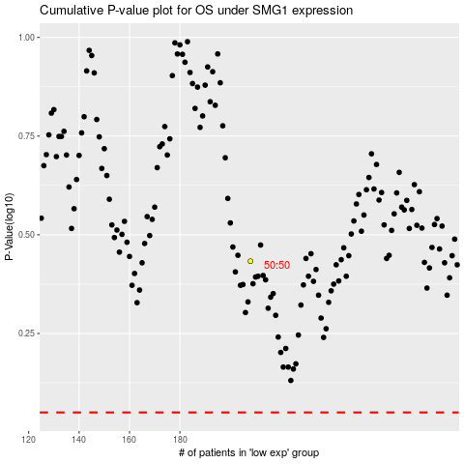

 |  |  |  |  |  | cases_OS | p_OS | rank | exp
 |  |  |  |  |  |  | cases_RFS | p_RFS | rank | exp

