SMG5 _multivariate
Reported by Tex Li-Hsing Chi. tex@gate.sinica.edu.tw 2019-08-15

Table 2. The clinicopathological features of HNSCC cohort and SMG5 expression. (Chi square test)
Cutoff at -0.044 (50.0%)
 |  | SMG5 expression |  | SMG5 expression |  | (Optimised)
 | Features | Low | (%) | High | (%) | Case no | P-value | Remark | Matthews
Gender | Female | 142 | 34.2 | 164 | 39.5 | 415 | 0.0238 | 1 | 0
2 | Male | 65 | 15.7 | 44 | 10.6
Age at diagnosis | <=65y | 128 | 30.8 | 146 | 35.2 | 415 | 0.0904 | 0 | 0
4 | >65y | 79 | 19 | 62 | 14.9
Clinical T Status | T1+T2 | 82 | 19.8 | 67 | 16.1 | 415 | 0.1417 | 0 | 0
6 | T3+T4 | 125 | 30.1 | 141 | 34
Clinical N Status | N0 | 113 | 27.2 | 103 | 24.8 | 415 | 0.3495 | 1 | 0
8 | N1-3 | 94 | 22.7 | 105 | 25.3
Clinical M Status | M0 | 205 | 49.4 | 207 | 49.9 | 415 | 0.6232 | 0 | 0
10 | M1 | 2 | 0.5 | 1 | 0.2
Clinical Stage | Stage I+II | 56 | 13.5 | 46 | 11.1 | 415 | 0.2918 | 0 | 0
12 | Stage III+IV | 151 | 36.4 | 162 | 39
Surgical Margin status | Negative | 154 | 37.1 | 164 | 39.5 | 415 | 0.2984 | 0 | 0
14 | Positive | 53 | 12.8 | 44 | 10.6
Tobacco Exposure | Low | 89 | 21.4 | 72 | 17.3 | 415 | 0.0872 | 0 | 0
16 | High | 118 | 28.4 | 136 | 32.8

Table 3. Univariate/Multivariate Cox's proportional hazards regression analyses on OS time of SMG5 gene expression in HNSCC

 |  | Univariate |  |  |  | Multivariate
 | Features | HR | CI95%(L) | CI95%(H) | P-value | HR | CI95%(L) | CI95%(H) | P-value
1 | Female | 1 |  |  |  | 1
Gender | Male | 1.157 | 0.843 | 1.587 | 0.367 | 1.177 | 0.841 | 1.646 | 0.342
11 | <=65y | 1 |  |  |  | 1
Age at diagnosis | >65y | 1.329 | 0.99 | 1.784 | 0.058 | 1.379 | 1.015 | 1.875 | 0.04
12 | T1+T2 | 1 |  |  |  | 1
Clinical T Status | T3+T4 | 1.409 | 1.028 | 1.931 | 0.033 | 2.212 | 1.17 | 4.18 | 0.015
13 | N0 | 1 |  |  |  | 1
Clinical N Status | N1-3 | 1.185 | 0.89 | 1.577 | 0.246 | 1.239 | 0.869 | 1.768 | 0.236
14 | M0 | 1 |  |  |  | 1
Clinical M Status | M1 | 4.097 | 1.009 | 16.644 | 0.049 | 9.234 | 2.015 | 42.325 | 0.004
15 | Stage I+II | 1 |  |  |  | 1
Clinical Stage | Stage III+IV | 1.245 | 0.882 | 1.759 | 0.213 | 0.502 | 0.234 | 1.076 | 0.076
16 | Negative | 1 |  |  |  | 1
Surgical Margin status | Positive | 1.591 | 1.155 | 2.191 | 0.004 | 1.664 | 1.204 | 2.3 | 0.002
17 | Low | 1 |  |  |  | 1
Tobacco Exposure | High | 1.364 | 1.008 | 1.844 | 0.044 | 1.457 | 1.058 | 2.008 | 0.021
18 | Low | 1 |  |  |  | 1
RNAseq(z-score) | High | 0.835 | 0.627 | 1.113 | 0.22 | 0.843 | 0.631 | 1.127 | 0.249

Table 4. Univariate/Multivariate Cox's proportional hazards regression analyses on RFS time of SMG5 gene expression in HNSCC

 |  | Univariate |  |  |  | Multivariate
 | Features | HR | CI95%(L) | CI95%(H) | P-value | HR | CI95%(L) | CI95%(H) | P-value
1 | Female | 1 |  |  |  | 1
Gender | Male | 1.157 | 0.843 | 1.587 | 0.367 | 1.177 | 0.841 | 1.646 | 0.342
11 | <=65y | 1 |  |  |  | 1
Age at diagnosis | >65y | 1.329 | 0.99 | 1.784 | 0.058 | 1.379 | 1.015 | 1.875 | 0.04
12 | T1+T2 | 1 |  |  |  | 1
Clinical T Status | T3+T4 | 1.409 | 1.028 | 1.931 | 0.033 | 2.212 | 1.17 | 4.18 | 0.015
13 | N0 | 1 |  |  |  | 1
Clinical N Status | N1-3 | 1.185 | 0.89 | 1.577 | 0.246 | 1.239 | 0.869 | 1.768 | 0.236
14 | M0 | 1 |  |  |  | 1
Clinical M Status | M1 | 4.097 | 1.009 | 16.644 | 0.049 | 9.234 | 2.015 | 42.325 | 0.004
15 | Stage I+II | 1 |  |  |  | 1
Clinical Stage | Stage III+IV | 1.245 | 0.882 | 1.759 | 0.213 | 0.502 | 0.234 | 1.076 | 0.076
16 | Negative | 1 |  |  |  | 1
Surgical Margin status | Positive | 1.591 | 1.155 | 2.191 | 0.004 | 1.664 | 1.204 | 2.3 | 0.002
17 | Low | 1 |  |  |  | 1
Tobacco Exposure | High | 1.364 | 1.008 | 1.844 | 0.044 | 1.457 | 1.058 | 2.008 | 0.021
18 | Low | 1 |  |  |  | 1
RNAseq(z-score) | High | 0.835 | 0.627 | 1.113 | 0.22 | 0.843 | 0.631 | 1.127 | 0.249

Kaplan-Meier survival estimate: Cutoff at -0.044 (50.0%)



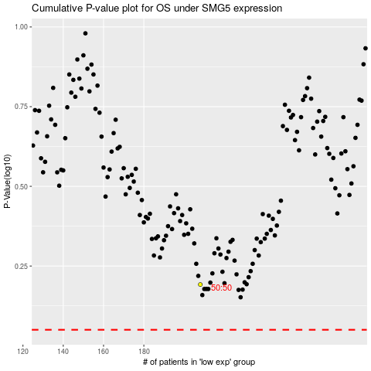

 |  |  |  |  |  | cases_OS | p_OS | rank | exp
 |  |  |  |  |  |  | cases_RFS | p_RFS | rank | exp

