SMG7 _multivariate
Reported by Tex Li-Hsing Chi. tex@gate.sinica.edu.tw 2019-08-15

Table 2. The clinicopathological features of HNSCC cohort and SMG7 expression. (Chi square test)
Cutoff at -0.11 (52.2%)
 |  | SMG7 expression |  | SMG7 expression |  | (Optimised)
 | Features | Low | (%) | High | (%) | Case no | P-value | Remark | Matthews
Gender | Female | 148 | 35.7 | 158 | 38.1 | 415 | 0.0102 | 1 | 0
2 | Male | 69 | 16.6 | 40 | 9.6
Age at diagnosis | <=65y | 142 | 34.2 | 132 | 31.8 | 415 | 0.8727 | 0 | 0
4 | >65y | 75 | 18.1 | 66 | 15.9
Clinical T Status | T1+T2 | 94 | 22.7 | 55 | 13.3 | 415 | 0.0014 | 1 | 0
6 | T3+T4 | 123 | 29.6 | 143 | 34.5
Clinical N Status | N0 | 124 | 29.9 | 92 | 22.2 | 415 | 0.0378 | 1 | 0
8 | N1-3 | 93 | 22.4 | 106 | 25.5
Clinical M Status | M0 | 215 | 51.8 | 197 | 47.5 | 415 | 1 | 0 | 0
10 | M1 | 2 | 0.5 | 1 | 0.2
Clinical Stage | Stage I+II | 70 | 16.9 | 32 | 7.7 | 415 | 2e-04 | 1 | 0
12 | Stage III+IV | 147 | 35.4 | 166 | 40
Surgical Margin status | Negative | 163 | 39.3 | 155 | 37.3 | 415 | 0.4867 | 0 | 0
14 | Positive | 54 | 13 | 43 | 10.4
Tobacco Exposure | Low | 100 | 24.1 | 61 | 14.7 | 415 | 0.0017 | 1 | 0
16 | High | 117 | 28.2 | 137 | 33

Table 3. Univariate/Multivariate Cox's proportional hazards regression analyses on OS time of SMG7 gene expression in HNSCC

 |  | Univariate |  |  |  | Multivariate
 | Features | HR | CI95%(L) | CI95%(H) | P-value | HR | CI95%(L) | CI95%(H) | P-value
1 | Female | 1 |  |  |  | 1
Gender | Male | 1.157 | 0.843 | 1.587 | 0.367 | 1.234 | 0.882 | 1.725 | 0.22
11 | <=65y | 1 |  |  |  | 1
Age at diagnosis | >65y | 1.329 | 0.99 | 1.784 | 0.058 | 1.407 | 1.036 | 1.913 | 0.029
12 | T1+T2 | 1 |  |  |  | 1
Clinical T Status | T3+T4 | 1.409 | 1.028 | 1.931 | 0.033 | 2.231 | 1.181 | 4.214 | 0.013
13 | N0 | 1 |  |  |  | 1
Clinical N Status | N1-3 | 1.185 | 0.89 | 1.577 | 0.246 | 1.236 | 0.865 | 1.767 | 0.244
14 | M0 | 1 |  |  |  | 1
Clinical M Status | M1 | 4.097 | 1.009 | 16.644 | 0.049 | 10.076 | 2.193 | 46.291 | 0.003
15 | Stage I+II | 1 |  |  |  | 1
Clinical Stage | Stage III+IV | 1.245 | 0.882 | 1.759 | 0.213 | 0.467 | 0.216 | 1.007 | 0.052
16 | Negative | 1 |  |  |  | 1
Surgical Margin status | Positive | 1.591 | 1.155 | 2.191 | 0.004 | 1.695 | 1.226 | 2.344 | 0.001
17 | Low | 1 |  |  |  | 1
Tobacco Exposure | High | 1.364 | 1.008 | 1.844 | 0.044 | 1.414 | 1.026 | 1.949 | 0.034
18 | Low | 1 |  |  |  | 1
RNAseq(z-score) | High | 1.363 | 1.02 | 1.82 | 0.036 | 1.353 | 1.002 | 1.827 | 0.049

Table 4. Univariate/Multivariate Cox's proportional hazards regression analyses on RFS time of SMG7 gene expression in HNSCC

 |  | Univariate |  |  |  | Multivariate
 | Features | HR | CI95%(L) | CI95%(H) | P-value | HR | CI95%(L) | CI95%(H) | P-value
1 | Female | 1 |  |  |  | 1
Gender | Male | 1.157 | 0.843 | 1.587 | 0.367 | 1.234 | 0.882 | 1.725 | 0.22
11 | <=65y | 1 |  |  |  | 1
Age at diagnosis | >65y | 1.329 | 0.99 | 1.784 | 0.058 | 1.407 | 1.036 | 1.913 | 0.029
12 | T1+T2 | 1 |  |  |  | 1
Clinical T Status | T3+T4 | 1.409 | 1.028 | 1.931 | 0.033 | 2.231 | 1.181 | 4.214 | 0.013
13 | N0 | 1 |  |  |  | 1
Clinical N Status | N1-3 | 1.185 | 0.89 | 1.577 | 0.246 | 1.236 | 0.865 | 1.767 | 0.244
14 | M0 | 1 |  |  |  | 1
Clinical M Status | M1 | 4.097 | 1.009 | 16.644 | 0.049 | 10.076 | 2.193 | 46.291 | 0.003
15 | Stage I+II | 1 |  |  |  | 1
Clinical Stage | Stage III+IV | 1.245 | 0.882 | 1.759 | 0.213 | 0.467 | 0.216 | 1.007 | 0.052
16 | Negative | 1 |  |  |  | 1
Surgical Margin status | Positive | 1.591 | 1.155 | 2.191 | 0.004 | 1.695 | 1.226 | 2.344 | 0.001
17 | Low | 1 |  |  |  | 1
Tobacco Exposure | High | 1.364 | 1.008 | 1.844 | 0.044 | 1.414 | 1.026 | 1.949 | 0.034
18 | Low | 1 |  |  |  | 1
RNAseq(z-score) | High | 1.363 | 1.02 | 1.82 | 0.036 | 1.353 | 1.002 | 1.827 | 0.049

Kaplan-Meier survival estimate: Cutoff at -0.11 (52.2%)



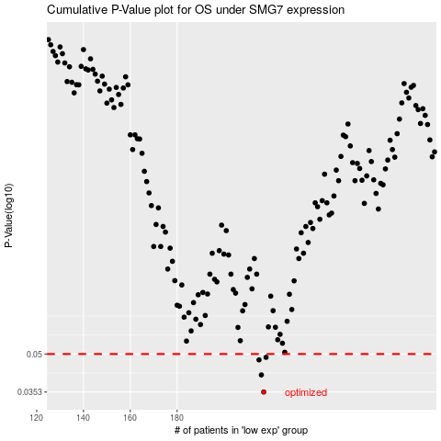

 |  |  |  |  |  | cases_OS | p_OS | rank | exp
 |  |  |  |  |  | 217 | 0.0353 | 261 | -0.11048435797
 |  |  |  |  |  | 216 | 0.0413 | 311 | -0.11549372885
 |  |  |  |  |  | 215 | 0.0474 | 376 | -0.11672427814
 |  |  |  |  |  | 218 | 0.0485 | 66 | -0.10791949796
 |  |  |  |  |  |  | cases_RFS | p_RFS | rank | exp
 |  |  |  |  |  |  | 216 | 0.0353 | 311 | -0.11549372885
 |  |  |  |  |  |  | 215 | 0.0413 | 376 | -0.11672427814
 |  |  |  |  |  |  | 214 | 0.0474 | 245 | -0.116724984
 |  |  |  |  |  |  | 217 | 0.0485 | 261 | -0.11048435797

