SMN2 _multivariate
Reported by Tex Li-Hsing Chi. tex@gate.sinica.edu.tw 2019-08-15

Table 2. The clinicopathological features of HNSCC cohort and SMN2 expression. (Chi square test)
Cutoff at -0.196 (50.0%)
 |  | SMN2 expression |  | SMN2 expression |  | (Optimised)
 | Features | Low | (%) | High | (%) | Case no | P-value | Remark | Matthews
Gender | Female | 154 | 37.1 | 152 | 36.6 | 415 | 0.8463 | 0 | 0
2 | Male | 53 | 12.8 | 56 | 13.5
Age at diagnosis | <=65y | 138 | 33.3 | 136 | 32.8 | 415 | 0.8634 | 0 | 0
4 | >65y | 69 | 16.6 | 72 | 17.3
Clinical T Status | T1+T2 | 81 | 19.5 | 68 | 16.4 | 415 | 0.206 | 0 | 0
6 | T3+T4 | 126 | 30.4 | 140 | 33.7
Clinical N Status | N0 | 109 | 26.3 | 107 | 25.8 | 415 | 0.8812 | 0 | 0
8 | N1-3 | 98 | 23.6 | 101 | 24.3
Clinical M Status | M0 | 206 | 49.6 | 206 | 49.6 | 415 | 1 | 0 | 0
10 | M1 | 1 | 0.2 | 2 | 0.5
Clinical Stage | Stage I+II | 59 | 14.2 | 43 | 10.4 | 415 | 0.0822 | 0 | 0
12 | Stage III+IV | 148 | 35.7 | 165 | 39.8
Surgical Margin status | Negative | 167 | 40.2 | 151 | 36.4 | 415 | 0.0632 | 0 | 0
14 | Positive | 40 | 9.6 | 57 | 13.7
Tobacco Exposure | Low | 86 | 20.7 | 75 | 18.1 | 415 | 0.2687 | 0 | 0
16 | High | 121 | 29.2 | 133 | 32

Table 3. Univariate/Multivariate Cox's proportional hazards regression analyses on OS time of SMN2 gene expression in HNSCC

 |  | Univariate |  |  |  | Multivariate
 | Features | HR | CI95%(L) | CI95%(H) | P-value | HR | CI95%(L) | CI95%(H) | P-value
1 | Female | 1 |  |  |  | 1
Gender | Male | 1.157 | 0.843 | 1.587 | 0.367 | 1.211 | 0.867 | 1.692 | 0.262
11 | <=65y | 1 |  |  |  | 1
Age at diagnosis | >65y | 1.329 | 0.99 | 1.784 | 0.058 | 1.393 | 1.025 | 1.894 | 0.034
12 | T1+T2 | 1 |  |  |  | 1
Clinical T Status | T3+T4 | 1.409 | 1.028 | 1.931 | 0.033 | 2.203 | 1.165 | 4.165 | 0.015
13 | N0 | 1 |  |  |  | 1
Clinical N Status | N1-3 | 1.185 | 0.89 | 1.577 | 0.246 | 1.227 | 0.859 | 1.751 | 0.261
14 | M0 | 1 |  |  |  | 1
Clinical M Status | M1 | 4.097 | 1.009 | 16.644 | 0.049 | 9.535 | 2.079 | 43.726 | 0.004
15 | Stage I+II | 1 |  |  |  | 1
Clinical Stage | Stage III+IV | 1.245 | 0.882 | 1.759 | 0.213 | 0.515 | 0.239 | 1.106 | 0.089
16 | Negative | 1 |  |  |  | 1
Surgical Margin status | Positive | 1.591 | 1.155 | 2.191 | 0.004 | 1.703 | 1.229 | 2.36 | 0.001
17 | Low | 1 |  |  |  | 1
Tobacco Exposure | High | 1.364 | 1.008 | 1.844 | 0.044 | 1.463 | 1.062 | 2.016 | 0.02
18 | Low | 1 |  |  |  | 1
RNAseq(z-score) | High | 0.958 | 0.717 | 1.28 | 0.772 | 0.875 | 0.652 | 1.174 | 0.373

Table 4. Univariate/Multivariate Cox's proportional hazards regression analyses on RFS time of SMN2 gene expression in HNSCC

 |  | Univariate |  |  |  | Multivariate
 | Features | HR | CI95%(L) | CI95%(H) | P-value | HR | CI95%(L) | CI95%(H) | P-value
1 | Female | 1 |  |  |  | 1
Gender | Male | 1.157 | 0.843 | 1.587 | 0.367 | 1.211 | 0.867 | 1.692 | 0.262
11 | <=65y | 1 |  |  |  | 1
Age at diagnosis | >65y | 1.329 | 0.99 | 1.784 | 0.058 | 1.393 | 1.025 | 1.894 | 0.034
12 | T1+T2 | 1 |  |  |  | 1
Clinical T Status | T3+T4 | 1.409 | 1.028 | 1.931 | 0.033 | 2.203 | 1.165 | 4.165 | 0.015
13 | N0 | 1 |  |  |  | 1
Clinical N Status | N1-3 | 1.185 | 0.89 | 1.577 | 0.246 | 1.227 | 0.859 | 1.751 | 0.261
14 | M0 | 1 |  |  |  | 1
Clinical M Status | M1 | 4.097 | 1.009 | 16.644 | 0.049 | 9.535 | 2.079 | 43.726 | 0.004
15 | Stage I+II | 1 |  |  |  | 1
Clinical Stage | Stage III+IV | 1.245 | 0.882 | 1.759 | 0.213 | 0.515 | 0.239 | 1.106 | 0.089
16 | Negative | 1 |  |  |  | 1
Surgical Margin status | Positive | 1.591 | 1.155 | 2.191 | 0.004 | 1.703 | 1.229 | 2.36 | 0.001
17 | Low | 1 |  |  |  | 1
Tobacco Exposure | High | 1.364 | 1.008 | 1.844 | 0.044 | 1.463 | 1.062 | 2.016 | 0.02
18 | Low | 1 |  |  |  | 1
RNAseq(z-score) | High | 0.958 | 0.717 | 1.28 | 0.772 | 0.875 | 0.652 | 1.174 | 0.373

Kaplan-Meier survival estimate: Cutoff at -0.196 (50.0%)



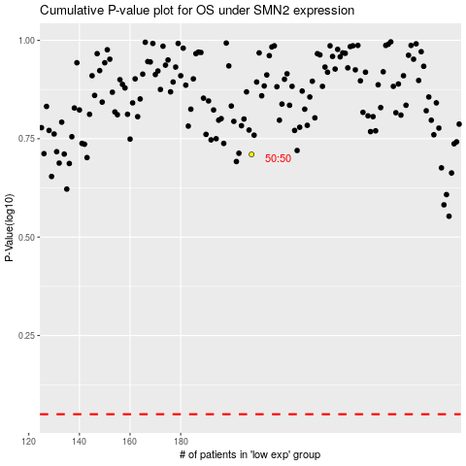

 |  |  |  |  |  | cases_OS | p_OS | rank | exp
 |  |  |  |  |  |  | cases_RFS | p_RFS | rank | exp

