SMO _multivariate
Reported by Tex Li-Hsing Chi. tex@gate.sinica.edu.tw 2019-08-15

Table 2. The clinicopathological features of HNSCC cohort and SMO expression. (Chi square test)
Cutoff at -0.217 (49.8%)
 |  | SMO expression |  | SMO expression |  | (Optimised)
 | Features | Low | (%) | High | (%) | Case no | P-value | Remark | Matthews
Gender | Female | 157 | 37.8 | 149 | 35.9 | 415 | 0.3881 | 0 | 0
2 | Male | 50 | 12 | 59 | 14.2
Age at diagnosis | <=65y | 139 | 33.5 | 135 | 32.5 | 415 | 0.7044 | 0 | 0
4 | >65y | 68 | 16.4 | 73 | 17.6
Clinical T Status | T1+T2 | 78 | 18.8 | 71 | 17.1 | 415 | 0.5152 | 0 | 0
6 | T3+T4 | 129 | 31.1 | 137 | 33
Clinical N Status | N0 | 92 | 22.2 | 124 | 29.9 | 415 | 0.0027 | 1 | 0
8 | N1-3 | 115 | 27.7 | 84 | 20.2
Clinical M Status | M0 | 206 | 49.6 | 206 | 49.6 | 415 | 1 | 0 | 0
10 | M1 | 1 | 0.2 | 2 | 0.5
Clinical Stage | Stage I+II | 49 | 11.8 | 53 | 12.8 | 415 | 0.7535 | 0 | 0
12 | Stage III+IV | 158 | 38.1 | 155 | 37.3
Surgical Margin status | Negative | 159 | 38.3 | 159 | 38.3 | 415 | 1 | 0 | 0
14 | Positive | 48 | 11.6 | 49 | 11.8
Tobacco Exposure | Low | 86 | 20.7 | 75 | 18.1 | 415 | 0.2687 | 0 | 0
16 | High | 121 | 29.2 | 133 | 32

Table 3. Univariate/Multivariate Cox's proportional hazards regression analyses on OS time of SMO gene expression in HNSCC

 |  | Univariate |  |  |  | Multivariate
 | Features | HR | CI95%(L) | CI95%(H) | P-value | HR | CI95%(L) | CI95%(H) | P-value
1 | Female | 1 |  |  |  | 1
Gender | Male | 1.157 | 0.843 | 1.587 | 0.367 | 1.2 | 0.858 | 1.677 | 0.286
11 | <=65y | 1 |  |  |  | 1
Age at diagnosis | >65y | 1.329 | 0.99 | 1.784 | 0.058 | 1.395 | 1.025 | 1.896 | 0.034
12 | T1+T2 | 1 |  |  |  | 1
Clinical T Status | T3+T4 | 1.409 | 1.028 | 1.931 | 0.033 | 2.212 | 1.17 | 4.185 | 0.015
13 | N0 | 1 |  |  |  | 1
Clinical N Status | N1-3 | 1.185 | 0.89 | 1.577 | 0.246 | 1.222 | 0.854 | 1.749 | 0.272
14 | M0 | 1 |  |  |  | 1
Clinical M Status | M1 | 4.097 | 1.009 | 16.644 | 0.049 | 9.747 | 2.119 | 44.846 | 0.003
15 | Stage I+II | 1 |  |  |  | 1
Clinical Stage | Stage III+IV | 1.245 | 0.882 | 1.759 | 0.213 | 0.51 | 0.237 | 1.095 | 0.084
16 | Negative | 1 |  |  |  | 1
Surgical Margin status | Positive | 1.591 | 1.155 | 2.191 | 0.004 | 1.669 | 1.208 | 2.305 | 0.002
17 | Low | 1 |  |  |  | 1
Tobacco Exposure | High | 1.364 | 1.008 | 1.844 | 0.044 | 1.466 | 1.063 | 2.024 | 0.02
18 | Low | 1 |  |  |  | 1
RNAseq(z-score) | High | 0.953 | 0.715 | 1.271 | 0.745 | 0.909 | 0.678 | 1.218 | 0.524

Table 4. Univariate/Multivariate Cox's proportional hazards regression analyses on RFS time of SMO gene expression in HNSCC

 |  | Univariate |  |  |  | Multivariate
 | Features | HR | CI95%(L) | CI95%(H) | P-value | HR | CI95%(L) | CI95%(H) | P-value
1 | Female | 1 |  |  |  | 1
Gender | Male | 1.157 | 0.843 | 1.587 | 0.367 | 1.2 | 0.858 | 1.677 | 0.286
11 | <=65y | 1 |  |  |  | 1
Age at diagnosis | >65y | 1.329 | 0.99 | 1.784 | 0.058 | 1.395 | 1.025 | 1.896 | 0.034
12 | T1+T2 | 1 |  |  |  | 1
Clinical T Status | T3+T4 | 1.409 | 1.028 | 1.931 | 0.033 | 2.212 | 1.17 | 4.185 | 0.015
13 | N0 | 1 |  |  |  | 1
Clinical N Status | N1-3 | 1.185 | 0.89 | 1.577 | 0.246 | 1.222 | 0.854 | 1.749 | 0.272
14 | M0 | 1 |  |  |  | 1
Clinical M Status | M1 | 4.097 | 1.009 | 16.644 | 0.049 | 9.747 | 2.119 | 44.846 | 0.003
15 | Stage I+II | 1 |  |  |  | 1
Clinical Stage | Stage III+IV | 1.245 | 0.882 | 1.759 | 0.213 | 0.51 | 0.237 | 1.095 | 0.084
16 | Negative | 1 |  |  |  | 1
Surgical Margin status | Positive | 1.591 | 1.155 | 2.191 | 0.004 | 1.669 | 1.208 | 2.305 | 0.002
17 | Low | 1 |  |  |  | 1
Tobacco Exposure | High | 1.364 | 1.008 | 1.844 | 0.044 | 1.466 | 1.063 | 2.024 | 0.02
18 | Low | 1 |  |  |  | 1
RNAseq(z-score) | High | 0.953 | 0.715 | 1.271 | 0.745 | 0.909 | 0.678 | 1.218 | 0.524

Kaplan-Meier survival estimate: Cutoff at -0.217 (49.8%)

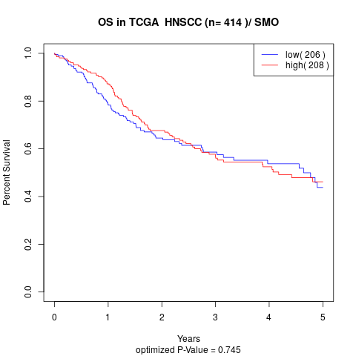

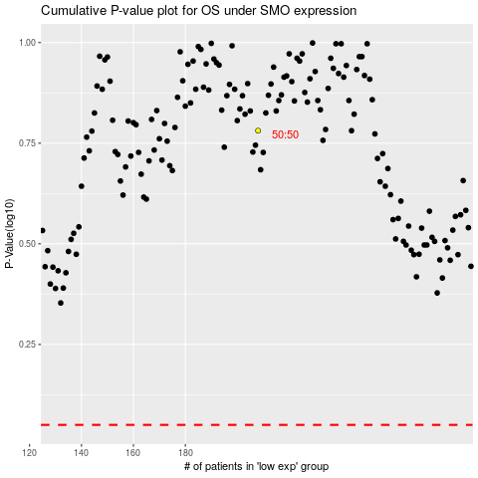

 |  |  |  |  |  | cases_OS | p_OS | rank | exp
 |  |  |  |  |  |  | cases_RFS | p_RFS | rank | exp

