SMOC1 _multivariate
Reported by Tex Li-Hsing Chi. tex@gate.sinica.edu.tw 2019-08-15

Table 2. The clinicopathological features of HNSCC cohort and SMOC1 expression. (Chi square test)
Cutoff at -0.188 (50.0%)
 |  | SMOC1 expression |  | SMOC1 expression |  | (Optimised)
 | Features | Low | (%) | High | (%) | Case no | P-value | Remark | Matthews
Gender | Female | 158 | 38.1 | 148 | 35.7 | 415 | 0.2774 | 0 | 0
2 | Male | 49 | 11.8 | 60 | 14.5
Age at diagnosis | <=65y | 131 | 31.6 | 143 | 34.5 | 415 | 0.2839 | 0 | 0
4 | >65y | 76 | 18.3 | 65 | 15.7
Clinical T Status | T1+T2 | 65 | 15.7 | 84 | 20.2 | 415 | 0.0711 | 0 | 0
6 | T3+T4 | 142 | 34.2 | 124 | 29.9
Clinical N Status | N0 | 103 | 24.8 | 113 | 27.2 | 415 | 0.4047 | 0 | 0
8 | N1-3 | 104 | 25.1 | 95 | 22.9
Clinical M Status | M0 | 205 | 49.4 | 207 | 49.9 | 415 | 0.6232 | 0 | 0
10 | M1 | 2 | 0.5 | 1 | 0.2
Clinical Stage | Stage I+II | 40 | 9.6 | 62 | 14.9 | 415 | 0.018 | 1 | 0
12 | Stage III+IV | 167 | 40.2 | 146 | 35.2
Surgical Margin status | Negative | 160 | 38.6 | 158 | 38.1 | 415 | 0.8167 | 0 | 0
14 | Positive | 47 | 11.3 | 50 | 12
Tobacco Exposure | Low | 63 | 15.2 | 98 | 23.6 | 415 | 6e-04 | 1 | 0
16 | High | 144 | 34.7 | 110 | 26.5

Table 3. Univariate/Multivariate Cox's proportional hazards regression analyses on OS time of SMOC1 gene expression in HNSCC

 |  | Univariate |  |  |  | Multivariate
 | Features | HR | CI95%(L) | CI95%(H) | P-value | HR | CI95%(L) | CI95%(H) | P-value
1 | Female | 1 |  |  |  | 1
Gender | Male | 1.157 | 0.843 | 1.587 | 0.367 | 1.203 | 0.861 | 1.681 | 0.28
11 | <=65y | 1 |  |  |  | 1
Age at diagnosis | >65y | 1.329 | 0.99 | 1.784 | 0.058 | 1.403 | 1.03 | 1.911 | 0.032
12 | T1+T2 | 1 |  |  |  | 1
Clinical T Status | T3+T4 | 1.409 | 1.028 | 1.931 | 0.033 | 2.173 | 1.147 | 4.116 | 0.017
13 | N0 | 1 |  |  |  | 1
Clinical N Status | N1-3 | 1.185 | 0.89 | 1.577 | 0.246 | 1.23 | 0.86 | 1.757 | 0.256
14 | M0 | 1 |  |  |  | 1
Clinical M Status | M1 | 4.097 | 1.009 | 16.644 | 0.049 | 9.391 | 2.049 | 43.046 | 0.004
15 | Stage I+II | 1 |  |  |  | 1
Clinical Stage | Stage III+IV | 1.245 | 0.882 | 1.759 | 0.213 | 0.517 | 0.24 | 1.115 | 0.092
16 | Negative | 1 |  |  |  | 1
Surgical Margin status | Positive | 1.591 | 1.155 | 2.191 | 0.004 | 1.664 | 1.204 | 2.301 | 0.002
17 | Low | 1 |  |  |  | 1
Tobacco Exposure | High | 1.364 | 1.008 | 1.844 | 0.044 | 1.483 | 1.067 | 2.062 | 0.019
18 | Low | 1 |  |  |  | 1
RNAseq(z-score) | High | 1.024 | 0.768 | 1.366 | 0.869 | 1.088 | 0.807 | 1.466 | 0.581

Table 4. Univariate/Multivariate Cox's proportional hazards regression analyses on RFS time of SMOC1 gene expression in HNSCC

 |  | Univariate |  |  |  | Multivariate
 | Features | HR | CI95%(L) | CI95%(H) | P-value | HR | CI95%(L) | CI95%(H) | P-value
1 | Female | 1 |  |  |  | 1
Gender | Male | 1.157 | 0.843 | 1.587 | 0.367 | 1.203 | 0.861 | 1.681 | 0.28
11 | <=65y | 1 |  |  |  | 1
Age at diagnosis | >65y | 1.329 | 0.99 | 1.784 | 0.058 | 1.403 | 1.03 | 1.911 | 0.032
12 | T1+T2 | 1 |  |  |  | 1
Clinical T Status | T3+T4 | 1.409 | 1.028 | 1.931 | 0.033 | 2.173 | 1.147 | 4.116 | 0.017
13 | N0 | 1 |  |  |  | 1
Clinical N Status | N1-3 | 1.185 | 0.89 | 1.577 | 0.246 | 1.23 | 0.86 | 1.757 | 0.256
14 | M0 | 1 |  |  |  | 1
Clinical M Status | M1 | 4.097 | 1.009 | 16.644 | 0.049 | 9.391 | 2.049 | 43.046 | 0.004
15 | Stage I+II | 1 |  |  |  | 1
Clinical Stage | Stage III+IV | 1.245 | 0.882 | 1.759 | 0.213 | 0.517 | 0.24 | 1.115 | 0.092
16 | Negative | 1 |  |  |  | 1
Surgical Margin status | Positive | 1.591 | 1.155 | 2.191 | 0.004 | 1.664 | 1.204 | 2.301 | 0.002
17 | Low | 1 |  |  |  | 1
Tobacco Exposure | High | 1.364 | 1.008 | 1.844 | 0.044 | 1.483 | 1.067 | 2.062 | 0.019
18 | Low | 1 |  |  |  | 1
RNAseq(z-score) | High | 1.024 | 0.768 | 1.366 | 0.869 | 1.088 | 0.807 | 1.466 | 0.581

Kaplan-Meier survival estimate: Cutoff at -0.188 (50.0%)



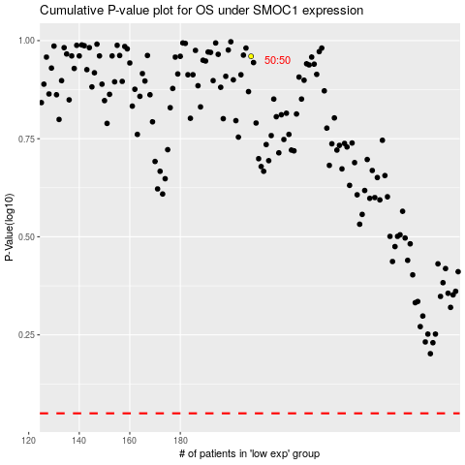

 |  |  |  |  |  | cases_OS | p_OS | rank | exp
 |  |  |  |  |  |  | cases_RFS | p_RFS | rank | exp

