SMOX _multivariate
Reported by Tex Li-Hsing Chi. tex@gate.sinica.edu.tw 2019-08-15

Table 2. The clinicopathological features of HNSCC cohort and SMOX expression. (Chi square test)
Cutoff at -0.112 (50.0%)
 |  | SMOX expression |  | SMOX expression |  | (Optimised)
 | Features | Low | (%) | High | (%) | Case no | P-value | Remark | Matthews
Gender | Female | 149 | 35.9 | 157 | 37.8 | 415 | 0.4848 | 0 | 0
2 | Male | 58 | 14 | 51 | 12.3
Age at diagnosis | <=65y | 138 | 33.3 | 136 | 32.8 | 415 | 0.8634 | 0 | 0
4 | >65y | 69 | 16.6 | 72 | 17.3
Clinical T Status | T1+T2 | 85 | 20.5 | 64 | 15.4 | 415 | 0.0372 | 1 | 0
6 | T3+T4 | 122 | 29.4 | 144 | 34.7
Clinical N Status | N0 | 107 | 25.8 | 109 | 26.3 | 415 | 0.9624 | 0 | 0
8 | N1-3 | 100 | 24.1 | 99 | 23.9
Clinical M Status | M0 | 206 | 49.6 | 206 | 49.6 | 415 | 1 | 0 | 0
10 | M1 | 1 | 0.2 | 2 | 0.5
Clinical Stage | Stage I+II | 58 | 14 | 44 | 10.6 | 415 | 0.131 | 0 | 0
12 | Stage III+IV | 149 | 35.9 | 164 | 39.5
Surgical Margin status | Negative | 154 | 37.1 | 164 | 39.5 | 415 | 0.2984 | 0 | 0
14 | Positive | 53 | 12.8 | 44 | 10.6
Tobacco Exposure | Low | 83 | 20 | 78 | 18.8 | 415 | 0.6152 | 0 | 0
16 | High | 124 | 29.9 | 130 | 31.3

Table 3. Univariate/Multivariate Cox's proportional hazards regression analyses on OS time of SMOX gene expression in HNSCC

 |  | Univariate |  |  |  | Multivariate
 | Features | HR | CI95%(L) | CI95%(H) | P-value | HR | CI95%(L) | CI95%(H) | P-value
1 | Female | 1 |  |  |  | 1
Gender | Male | 1.157 | 0.843 | 1.587 | 0.367 | 1.203 | 0.862 | 1.679 | 0.278
11 | <=65y | 1 |  |  |  | 1
Age at diagnosis | >65y | 1.329 | 0.99 | 1.784 | 0.058 | 1.397 | 1.027 | 1.899 | 0.033
12 | T1+T2 | 1 |  |  |  | 1
Clinical T Status | T3+T4 | 1.409 | 1.028 | 1.931 | 0.033 | 2.224 | 1.176 | 4.206 | 0.014
13 | N0 | 1 |  |  |  | 1
Clinical N Status | N1-3 | 1.185 | 0.89 | 1.577 | 0.246 | 1.23 | 0.861 | 1.756 | 0.255
14 | M0 | 1 |  |  |  | 1
Clinical M Status | M1 | 4.097 | 1.009 | 16.644 | 0.049 | 9.599 | 2.092 | 44.044 | 0.004
15 | Stage I+II | 1 |  |  |  | 1
Clinical Stage | Stage III+IV | 1.245 | 0.882 | 1.759 | 0.213 | 0.515 | 0.24 | 1.107 | 0.089
16 | Negative | 1 |  |  |  | 1
Surgical Margin status | Positive | 1.591 | 1.155 | 2.191 | 0.004 | 1.659 | 1.2 | 2.294 | 0.002
17 | Low | 1 |  |  |  | 1
Tobacco Exposure | High | 1.364 | 1.008 | 1.844 | 0.044 | 1.454 | 1.056 | 2.002 | 0.022
18 | Low | 1 |  |  |  | 1
RNAseq(z-score) | High | 0.93 | 0.699 | 1.239 | 0.62 | 0.896 | 0.668 | 1.202 | 0.465

Table 4. Univariate/Multivariate Cox's proportional hazards regression analyses on RFS time of SMOX gene expression in HNSCC

 |  | Univariate |  |  |  | Multivariate
 | Features | HR | CI95%(L) | CI95%(H) | P-value | HR | CI95%(L) | CI95%(H) | P-value
1 | Female | 1 |  |  |  | 1
Gender | Male | 1.157 | 0.843 | 1.587 | 0.367 | 1.203 | 0.862 | 1.679 | 0.278
11 | <=65y | 1 |  |  |  | 1
Age at diagnosis | >65y | 1.329 | 0.99 | 1.784 | 0.058 | 1.397 | 1.027 | 1.899 | 0.033
12 | T1+T2 | 1 |  |  |  | 1
Clinical T Status | T3+T4 | 1.409 | 1.028 | 1.931 | 0.033 | 2.224 | 1.176 | 4.206 | 0.014
13 | N0 | 1 |  |  |  | 1
Clinical N Status | N1-3 | 1.185 | 0.89 | 1.577 | 0.246 | 1.23 | 0.861 | 1.756 | 0.255
14 | M0 | 1 |  |  |  | 1
Clinical M Status | M1 | 4.097 | 1.009 | 16.644 | 0.049 | 9.599 | 2.092 | 44.044 | 0.004
15 | Stage I+II | 1 |  |  |  | 1
Clinical Stage | Stage III+IV | 1.245 | 0.882 | 1.759 | 0.213 | 0.515 | 0.24 | 1.107 | 0.089
16 | Negative | 1 |  |  |  | 1
Surgical Margin status | Positive | 1.591 | 1.155 | 2.191 | 0.004 | 1.659 | 1.2 | 2.294 | 0.002
17 | Low | 1 |  |  |  | 1
Tobacco Exposure | High | 1.364 | 1.008 | 1.844 | 0.044 | 1.454 | 1.056 | 2.002 | 0.022
18 | Low | 1 |  |  |  | 1
RNAseq(z-score) | High | 0.93 | 0.699 | 1.239 | 0.62 | 0.896 | 0.668 | 1.202 | 0.465

Kaplan-Meier survival estimate: Cutoff at -0.112 (50.0%)



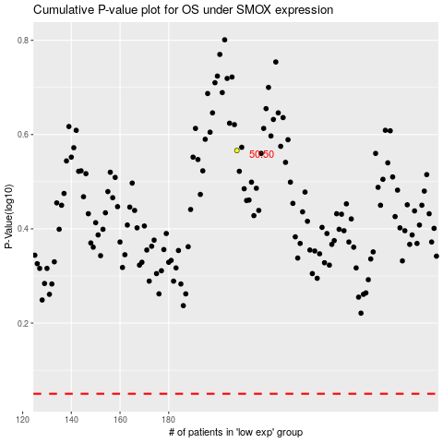

 |  |  |  |  |  | cases_OS | p_OS | rank | exp
 |  |  |  |  |  |  | cases_RFS | p_RFS | rank | exp

