SMPD2 _multivariate
Reported by Tex Li-Hsing Chi. tex@gate.sinica.edu.tw 2019-08-15

Table 2. The clinicopathological features of HNSCC cohort and SMPD2 expression. (Chi square test)
Cutoff at -0.318 (50.0%)
 |  | SMPD2 expression |  | SMPD2 expression |  | (Optimised)
 | Features | Low | (%) | High | (%) | Case no | P-value | Remark | Matthews
Gender | Female | 154 | 37.1 | 152 | 36.6 | 415 | 0.8463 | 0 | 0
2 | Male | 53 | 12.8 | 56 | 13.5
Age at diagnosis | <=65y | 130 | 31.3 | 144 | 34.7 | 415 | 0.2009 | 0 | 0
4 | >65y | 77 | 18.6 | 64 | 15.4
Clinical T Status | T1+T2 | 77 | 18.6 | 72 | 17.3 | 415 | 0.6556 | 0 | 0
6 | T3+T4 | 130 | 31.3 | 136 | 32.8
Clinical N Status | N0 | 106 | 25.5 | 110 | 26.5 | 415 | 0.8075 | 0 | 0
8 | N1-3 | 101 | 24.3 | 98 | 23.6
Clinical M Status | M0 | 206 | 49.6 | 206 | 49.6 | 415 | 1 | 0 | 0
10 | M1 | 1 | 0.2 | 2 | 0.5
Clinical Stage | Stage I+II | 55 | 13.3 | 47 | 11.3 | 415 | 0.4087 | 0 | 0
12 | Stage III+IV | 152 | 36.6 | 161 | 38.8
Surgical Margin status | Negative | 162 | 39 | 156 | 37.6 | 415 | 0.4867 | 0 | 0
14 | Positive | 45 | 10.8 | 52 | 12.5
Tobacco Exposure | Low | 87 | 21 | 74 | 17.8 | 415 | 0.1911 | 0 | 0
16 | High | 120 | 28.9 | 134 | 32.3

Table 3. Univariate/Multivariate Cox's proportional hazards regression analyses on OS time of SMPD2 gene expression in HNSCC

 |  | Univariate |  |  |  | Multivariate
 | Features | HR | CI95%(L) | CI95%(H) | P-value | HR | CI95%(L) | CI95%(H) | P-value
1 | Female | 1 |  |  |  | 1
Gender | Male | 1.157 | 0.843 | 1.587 | 0.367 | 1.212 | 0.868 | 1.694 | 0.259
11 | <=65y | 1 |  |  |  | 1
Age at diagnosis | >65y | 1.329 | 0.99 | 1.784 | 0.058 | 1.38 | 1.015 | 1.878 | 0.04
12 | T1+T2 | 1 |  |  |  | 1
Clinical T Status | T3+T4 | 1.409 | 1.028 | 1.931 | 0.033 | 2.154 | 1.137 | 4.082 | 0.019
13 | N0 | 1 |  |  |  | 1
Clinical N Status | N1-3 | 1.185 | 0.89 | 1.577 | 0.246 | 1.222 | 0.855 | 1.746 | 0.271
14 | M0 | 1 |  |  |  | 1
Clinical M Status | M1 | 4.097 | 1.009 | 16.644 | 0.049 | 9.656 | 2.104 | 44.312 | 0.004
15 | Stage I+II | 1 |  |  |  | 1
Clinical Stage | Stage III+IV | 1.245 | 0.882 | 1.759 | 0.213 | 0.522 | 0.242 | 1.124 | 0.097
16 | Negative | 1 |  |  |  | 1
Surgical Margin status | Positive | 1.591 | 1.155 | 2.191 | 0.004 | 1.681 | 1.216 | 2.324 | 0.002
17 | Low | 1 |  |  |  | 1
Tobacco Exposure | High | 1.364 | 1.008 | 1.844 | 0.044 | 1.475 | 1.069 | 2.036 | 0.018
18 | Low | 1 |  |  |  | 1
RNAseq(z-score) | High | 0.902 | 0.677 | 1.202 | 0.482 | 0.879 | 0.656 | 1.179 | 0.391

Table 4. Univariate/Multivariate Cox's proportional hazards regression analyses on RFS time of SMPD2 gene expression in HNSCC

 |  | Univariate |  |  |  | Multivariate
 | Features | HR | CI95%(L) | CI95%(H) | P-value | HR | CI95%(L) | CI95%(H) | P-value
1 | Female | 1 |  |  |  | 1
Gender | Male | 1.157 | 0.843 | 1.587 | 0.367 | 1.212 | 0.868 | 1.694 | 0.259
11 | <=65y | 1 |  |  |  | 1
Age at diagnosis | >65y | 1.329 | 0.99 | 1.784 | 0.058 | 1.38 | 1.015 | 1.878 | 0.04
12 | T1+T2 | 1 |  |  |  | 1
Clinical T Status | T3+T4 | 1.409 | 1.028 | 1.931 | 0.033 | 2.154 | 1.137 | 4.082 | 0.019
13 | N0 | 1 |  |  |  | 1
Clinical N Status | N1-3 | 1.185 | 0.89 | 1.577 | 0.246 | 1.222 | 0.855 | 1.746 | 0.271
14 | M0 | 1 |  |  |  | 1
Clinical M Status | M1 | 4.097 | 1.009 | 16.644 | 0.049 | 9.656 | 2.104 | 44.312 | 0.004
15 | Stage I+II | 1 |  |  |  | 1
Clinical Stage | Stage III+IV | 1.245 | 0.882 | 1.759 | 0.213 | 0.522 | 0.242 | 1.124 | 0.097
16 | Negative | 1 |  |  |  | 1
Surgical Margin status | Positive | 1.591 | 1.155 | 2.191 | 0.004 | 1.681 | 1.216 | 2.324 | 0.002
17 | Low | 1 |  |  |  | 1
Tobacco Exposure | High | 1.364 | 1.008 | 1.844 | 0.044 | 1.475 | 1.069 | 2.036 | 0.018
18 | Low | 1 |  |  |  | 1
RNAseq(z-score) | High | 0.902 | 0.677 | 1.202 | 0.482 | 0.879 | 0.656 | 1.179 | 0.391

Kaplan-Meier survival estimate: Cutoff at -0.318 (50.0%)



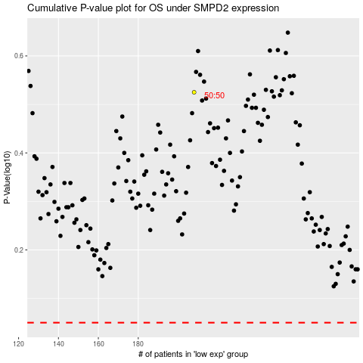

 |  |  |  |  |  | cases_OS | p_OS | rank | exp
 |  |  |  |  |  |  | cases_RFS | p_RFS | rank | exp

