SMPD4 _multivariate
Reported by Tex Li-Hsing Chi. tex@gate.sinica.edu.tw 2019-08-15

Table 2. The clinicopathological features of HNSCC cohort and SMPD4 expression. (Chi square test)
Cutoff at 0.048 (49.8%)
 |  | SMPD4 expression |  | SMPD4 expression |  | (Optimised)
 | Features | Low | (%) | High | (%) | Case no | P-value | Remark | Matthews
Gender | Female | 140 | 33.7 | 166 | 40 | 415 | 0.0068 | 1 | 0
2 | Male | 67 | 16.1 | 42 | 10.1
Age at diagnosis | <=65y | 132 | 31.8 | 142 | 34.2 | 415 | 0.3874 | 0 | 0
4 | >65y | 75 | 18.1 | 66 | 15.9
Clinical T Status | T1+T2 | 85 | 20.5 | 64 | 15.4 | 415 | 0.0372 | 1 | 0
6 | T3+T4 | 122 | 29.4 | 144 | 34.7
Clinical N Status | N0 | 112 | 27 | 104 | 25.1 | 415 | 0.4599 | 0 | 0
8 | N1-3 | 95 | 22.9 | 104 | 25.1
Clinical M Status | M0 | 206 | 49.6 | 206 | 49.6 | 415 | 1 | 0 | 0
10 | M1 | 1 | 0.2 | 2 | 0.5
Clinical Stage | Stage I+II | 61 | 14.7 | 41 | 9.9 | 415 | 0.0282 | 1 | 0
12 | Stage III+IV | 146 | 35.2 | 167 | 40.2
Surgical Margin status | Negative | 155 | 37.3 | 163 | 39.3 | 415 | 0.4187 | 0 | 0
14 | Positive | 52 | 12.5 | 45 | 10.8
Tobacco Exposure | Low | 93 | 22.4 | 68 | 16.4 | 415 | 0.0118 | 1 | 0
16 | High | 114 | 27.5 | 140 | 33.7

Table 3. Univariate/Multivariate Cox's proportional hazards regression analyses on OS time of SMPD4 gene expression in HNSCC

 |  | Univariate |  |  |  | Multivariate
 | Features | HR | CI95%(L) | CI95%(H) | P-value | HR | CI95%(L) | CI95%(H) | P-value
1 | Female | 1 |  |  |  | 1
Gender | Male | 1.157 | 0.843 | 1.587 | 0.367 | 1.204 | 0.86 | 1.685 | 0.281
11 | <=65y | 1 |  |  |  | 1
Age at diagnosis | >65y | 1.329 | 0.99 | 1.784 | 0.058 | 1.391 | 1.023 | 1.892 | 0.035
12 | T1+T2 | 1 |  |  |  | 1
Clinical T Status | T3+T4 | 1.409 | 1.028 | 1.931 | 0.033 | 2.202 | 1.165 | 4.164 | 0.015
13 | N0 | 1 |  |  |  | 1
Clinical N Status | N1-3 | 1.185 | 0.89 | 1.577 | 0.246 | 1.241 | 0.869 | 1.77 | 0.234
14 | M0 | 1 |  |  |  | 1
Clinical M Status | M1 | 4.097 | 1.009 | 16.644 | 0.049 | 9.405 | 2.052 | 43.114 | 0.004
15 | Stage I+II | 1 |  |  |  | 1
Clinical Stage | Stage III+IV | 1.245 | 0.882 | 1.759 | 0.213 | 0.503 | 0.234 | 1.083 | 0.079
16 | Negative | 1 |  |  |  | 1
Surgical Margin status | Positive | 1.591 | 1.155 | 2.191 | 0.004 | 1.673 | 1.21 | 2.315 | 0.002
17 | Low | 1 |  |  |  | 1
Tobacco Exposure | High | 1.364 | 1.008 | 1.844 | 0.044 | 1.452 | 1.053 | 2.002 | 0.023
18 | Low | 1 |  |  |  | 1
RNAseq(z-score) | High | 1.04 | 0.779 | 1.388 | 0.79 | 1.012 | 0.751 | 1.364 | 0.936

Table 4. Univariate/Multivariate Cox's proportional hazards regression analyses on RFS time of SMPD4 gene expression in HNSCC

 |  | Univariate |  |  |  | Multivariate
 | Features | HR | CI95%(L) | CI95%(H) | P-value | HR | CI95%(L) | CI95%(H) | P-value
1 | Female | 1 |  |  |  | 1
Gender | Male | 1.157 | 0.843 | 1.587 | 0.367 | 1.204 | 0.86 | 1.685 | 0.281
11 | <=65y | 1 |  |  |  | 1
Age at diagnosis | >65y | 1.329 | 0.99 | 1.784 | 0.058 | 1.391 | 1.023 | 1.892 | 0.035
12 | T1+T2 | 1 |  |  |  | 1
Clinical T Status | T3+T4 | 1.409 | 1.028 | 1.931 | 0.033 | 2.202 | 1.165 | 4.164 | 0.015
13 | N0 | 1 |  |  |  | 1
Clinical N Status | N1-3 | 1.185 | 0.89 | 1.577 | 0.246 | 1.241 | 0.869 | 1.77 | 0.234
14 | M0 | 1 |  |  |  | 1
Clinical M Status | M1 | 4.097 | 1.009 | 16.644 | 0.049 | 9.405 | 2.052 | 43.114 | 0.004
15 | Stage I+II | 1 |  |  |  | 1
Clinical Stage | Stage III+IV | 1.245 | 0.882 | 1.759 | 0.213 | 0.503 | 0.234 | 1.083 | 0.079
16 | Negative | 1 |  |  |  | 1
Surgical Margin status | Positive | 1.591 | 1.155 | 2.191 | 0.004 | 1.673 | 1.21 | 2.315 | 0.002
17 | Low | 1 |  |  |  | 1
Tobacco Exposure | High | 1.364 | 1.008 | 1.844 | 0.044 | 1.452 | 1.053 | 2.002 | 0.023
18 | Low | 1 |  |  |  | 1
RNAseq(z-score) | High | 1.04 | 0.779 | 1.388 | 0.79 | 1.012 | 0.751 | 1.364 | 0.936

Kaplan-Meier survival estimate: Cutoff at 0.048 (49.8%)



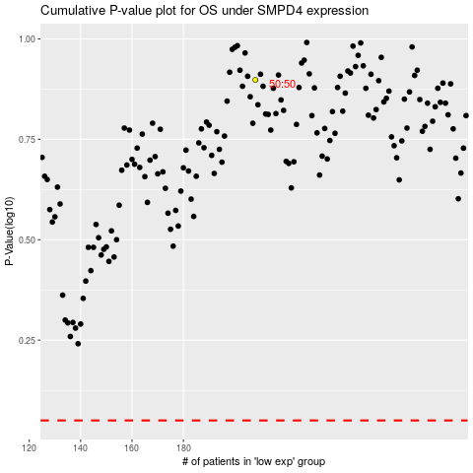

 |  |  |  |  |  | cases_OS | p_OS | rank | exp
 |  |  |  |  |  |  | cases_RFS | p_RFS | rank | exp

