SMPDL3B _multivariate
Reported by Tex Li-Hsing Chi. tex@gate.sinica.edu.tw 2019-08-15

Table 2. The clinicopathological features of HNSCC cohort and SMPDL3B expression. (Chi square test)
Cutoff at -0.357 (49.8%)
 |  | SMPDL3B expression |  | SMPDL3B expression |  | (Optimised)
 | Features | Low | (%) | High | (%) | Case no | P-value | Remark | Matthews
Gender | Female | 154 | 37.1 | 152 | 36.6 | 415 | 0.8463 | 0 | 0
2 | Male | 53 | 12.8 | 56 | 13.5
Age at diagnosis | <=65y | 143 | 34.5 | 131 | 31.6 | 415 | 0.2269 | 0 | 0
4 | >65y | 64 | 15.4 | 77 | 18.6
Clinical T Status | T1+T2 | 71 | 17.1 | 78 | 18.8 | 415 | 0.5638 | 0 | 0
6 | T3+T4 | 136 | 32.8 | 130 | 31.3
Clinical N Status | N0 | 107 | 25.8 | 109 | 26.3 | 415 | 0.9624 | 0 | 0
8 | N1-3 | 100 | 24.1 | 99 | 23.9
Clinical M Status | M0 | 205 | 49.4 | 207 | 49.9 | 415 | 0.6232 | 0 | 0
10 | M1 | 2 | 0.5 | 1 | 0.2
Clinical Stage | Stage I+II | 53 | 12.8 | 49 | 11.8 | 415 | 0.7113 | 0 | 0
12 | Stage III+IV | 154 | 37.1 | 159 | 38.3
Surgical Margin status | Negative | 160 | 38.6 | 158 | 38.1 | 415 | 0.8167 | 0 | 0
14 | Positive | 47 | 11.3 | 50 | 12
Tobacco Exposure | Low | 81 | 19.5 | 80 | 19.3 | 415 | 0.9199 | 0 | 0
16 | High | 126 | 30.4 | 128 | 30.8

Table 3. Univariate/Multivariate Cox's proportional hazards regression analyses on OS time of SMPDL3B gene expression in HNSCC

 |  | Univariate |  |  |  | Multivariate
 | Features | HR | CI95%(L) | CI95%(H) | P-value | HR | CI95%(L) | CI95%(H) | P-value
1 | Female | 1 |  |  |  | 1
Gender | Male | 1.157 | 0.843 | 1.587 | 0.367 | 1.201 | 0.859 | 1.677 | 0.284
11 | <=65y | 1 |  |  |  | 1
Age at diagnosis | >65y | 1.329 | 0.99 | 1.784 | 0.058 | 1.413 | 1.037 | 1.923 | 0.028
12 | T1+T2 | 1 |  |  |  | 1
Clinical T Status | T3+T4 | 1.409 | 1.028 | 1.931 | 0.033 | 2.147 | 1.133 | 4.067 | 0.019
13 | N0 | 1 |  |  |  | 1
Clinical N Status | N1-3 | 1.185 | 0.89 | 1.577 | 0.246 | 1.234 | 0.865 | 1.76 | 0.247
14 | M0 | 1 |  |  |  | 1
Clinical M Status | M1 | 4.097 | 1.009 | 16.644 | 0.049 | 9.107 | 1.984 | 41.799 | 0.004
15 | Stage I+II | 1 |  |  |  | 1
Clinical Stage | Stage III+IV | 1.245 | 0.882 | 1.759 | 0.213 | 0.522 | 0.242 | 1.123 | 0.096
16 | Negative | 1 |  |  |  | 1
Surgical Margin status | Positive | 1.591 | 1.155 | 2.191 | 0.004 | 1.693 | 1.224 | 2.342 | 0.001
17 | Low | 1 |  |  |  | 1
Tobacco Exposure | High | 1.364 | 1.008 | 1.844 | 0.044 | 1.461 | 1.06 | 2.016 | 0.021
18 | Low | 1 |  |  |  | 1
RNAseq(z-score) | High | 0.908 | 0.68 | 1.212 | 0.512 | 0.865 | 0.646 | 1.158 | 0.33

Table 4. Univariate/Multivariate Cox's proportional hazards regression analyses on RFS time of SMPDL3B gene expression in HNSCC

 |  | Univariate |  |  |  | Multivariate
 | Features | HR | CI95%(L) | CI95%(H) | P-value | HR | CI95%(L) | CI95%(H) | P-value
1 | Female | 1 |  |  |  | 1
Gender | Male | 1.157 | 0.843 | 1.587 | 0.367 | 1.201 | 0.859 | 1.677 | 0.284
11 | <=65y | 1 |  |  |  | 1
Age at diagnosis | >65y | 1.329 | 0.99 | 1.784 | 0.058 | 1.413 | 1.037 | 1.923 | 0.028
12 | T1+T2 | 1 |  |  |  | 1
Clinical T Status | T3+T4 | 1.409 | 1.028 | 1.931 | 0.033 | 2.147 | 1.133 | 4.067 | 0.019
13 | N0 | 1 |  |  |  | 1
Clinical N Status | N1-3 | 1.185 | 0.89 | 1.577 | 0.246 | 1.234 | 0.865 | 1.76 | 0.247
14 | M0 | 1 |  |  |  | 1
Clinical M Status | M1 | 4.097 | 1.009 | 16.644 | 0.049 | 9.107 | 1.984 | 41.799 | 0.004
15 | Stage I+II | 1 |  |  |  | 1
Clinical Stage | Stage III+IV | 1.245 | 0.882 | 1.759 | 0.213 | 0.522 | 0.242 | 1.123 | 0.096
16 | Negative | 1 |  |  |  | 1
Surgical Margin status | Positive | 1.591 | 1.155 | 2.191 | 0.004 | 1.693 | 1.224 | 2.342 | 0.001
17 | Low | 1 |  |  |  | 1
Tobacco Exposure | High | 1.364 | 1.008 | 1.844 | 0.044 | 1.461 | 1.06 | 2.016 | 0.021
18 | Low | 1 |  |  |  | 1
RNAseq(z-score) | High | 0.908 | 0.68 | 1.212 | 0.512 | 0.865 | 0.646 | 1.158 | 0.33

Kaplan-Meier survival estimate: Cutoff at -0.357 (49.8%)



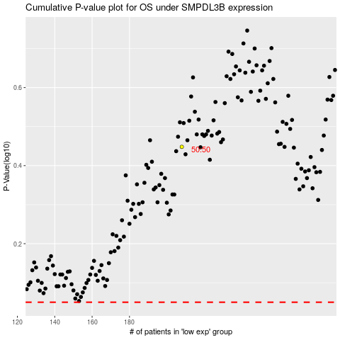

 |  |  |  |  |  | cases_OS | p_OS | rank | exp
 |  |  |  |  |  |  | cases_RFS | p_RFS | rank | exp

