SMTNL1 _multivariate
Reported by Tex Li-Hsing Chi. tex@gate.sinica.edu.tw 2019-08-15

Table 2. The clinicopathological features of HNSCC cohort and SMTNL1 expression. (Chi square test)
Cutoff at -0.185 (50.0%)
 |  | SMTNL1 expression |  | SMTNL1 expression |  | (Optimised)
 | Features | Low | (%) | High | (%) | Case no | P-value | Remark | Matthews
Gender | Female | 162 | 39 | 144 | 34.7 | 415 | 0.0479 | 1 | 0
2 | Male | 45 | 10.8 | 64 | 15.4
Age at diagnosis | <=65y | 143 | 34.5 | 131 | 31.6 | 415 | 0.2269 | 0 | 0
4 | >65y | 64 | 15.4 | 77 | 18.6
Clinical T Status | T1+T2 | 58 | 14 | 91 | 21.9 | 415 | 0.0012 | 1 | 0
6 | T3+T4 | 149 | 35.9 | 117 | 28.2
Clinical N Status | N0 | 104 | 25.1 | 112 | 27 | 415 | 0.5243 | 0 | 0
8 | N1-3 | 103 | 24.8 | 96 | 23.1
Clinical M Status | M0 | 207 | 49.9 | 205 | 49.4 | 415 | 0.2482 | 0 | 0
10 | M1 | 0 | 0 | 3 | 0.7
Clinical Stage | Stage I+II | 39 | 9.4 | 63 | 15.2 | 415 | 0.0095 | 1 | 0
12 | Stage III+IV | 168 | 40.5 | 145 | 34.9
Surgical Margin status | Negative | 156 | 37.6 | 162 | 39 | 415 | 0.5636 | 0 | 0
14 | Positive | 51 | 12.3 | 46 | 11.1
Tobacco Exposure | Low | 78 | 18.8 | 83 | 20 | 415 | 0.6873 | 0 | 0
16 | High | 129 | 31.1 | 125 | 30.1

Table 3. Univariate/Multivariate Cox's proportional hazards regression analyses on OS time of SMTNL1 gene expression in HNSCC

 |  | Univariate |  |  |  | Multivariate
 | Features | HR | CI95%(L) | CI95%(H) | P-value | HR | CI95%(L) | CI95%(H) | P-value
1 | Female | 1 |  |  |  | 1
Gender | Male | 1.157 | 0.843 | 1.587 | 0.367 | 1.184 | 0.847 | 1.655 | 0.324
11 | <=65y | 1 |  |  |  | 1
Age at diagnosis | >65y | 1.329 | 0.99 | 1.784 | 0.058 | 1.364 | 1.001 | 1.859 | 0.049
12 | T1+T2 | 1 |  |  |  | 1
Clinical T Status | T3+T4 | 1.409 | 1.028 | 1.931 | 0.033 | 2.283 | 1.204 | 4.33 | 0.011
13 | N0 | 1 |  |  |  | 1
Clinical N Status | N1-3 | 1.185 | 0.89 | 1.577 | 0.246 | 1.24 | 0.869 | 1.77 | 0.236
14 | M0 | 1 |  |  |  | 1
Clinical M Status | M1 | 4.097 | 1.009 | 16.644 | 0.049 | 8.59 | 1.866 | 39.557 | 0.006
15 | Stage I+II | 1 |  |  |  | 1
Clinical Stage | Stage III+IV | 1.245 | 0.882 | 1.759 | 0.213 | 0.508 | 0.237 | 1.091 | 0.083
16 | Negative | 1 |  |  |  | 1
Surgical Margin status | Positive | 1.591 | 1.155 | 2.191 | 0.004 | 1.684 | 1.218 | 2.328 | 0.002
17 | Low | 1 |  |  |  | 1
Tobacco Exposure | High | 1.364 | 1.008 | 1.844 | 0.044 | 1.432 | 1.039 | 1.974 | 0.028
18 | Low | 1 |  |  |  | 1
RNAseq(z-score) | High | 1.249 | 0.937 | 1.665 | 0.129 | 1.245 | 0.927 | 1.671 | 0.145

Table 4. Univariate/Multivariate Cox's proportional hazards regression analyses on RFS time of SMTNL1 gene expression in HNSCC

 |  | Univariate |  |  |  | Multivariate
 | Features | HR | CI95%(L) | CI95%(H) | P-value | HR | CI95%(L) | CI95%(H) | P-value
1 | Female | 1 |  |  |  | 1
Gender | Male | 1.157 | 0.843 | 1.587 | 0.367 | 1.184 | 0.847 | 1.655 | 0.324
11 | <=65y | 1 |  |  |  | 1
Age at diagnosis | >65y | 1.329 | 0.99 | 1.784 | 0.058 | 1.364 | 1.001 | 1.859 | 0.049
12 | T1+T2 | 1 |  |  |  | 1
Clinical T Status | T3+T4 | 1.409 | 1.028 | 1.931 | 0.033 | 2.283 | 1.204 | 4.33 | 0.011
13 | N0 | 1 |  |  |  | 1
Clinical N Status | N1-3 | 1.185 | 0.89 | 1.577 | 0.246 | 1.24 | 0.869 | 1.77 | 0.236
14 | M0 | 1 |  |  |  | 1
Clinical M Status | M1 | 4.097 | 1.009 | 16.644 | 0.049 | 8.59 | 1.866 | 39.557 | 0.006
15 | Stage I+II | 1 |  |  |  | 1
Clinical Stage | Stage III+IV | 1.245 | 0.882 | 1.759 | 0.213 | 0.508 | 0.237 | 1.091 | 0.083
16 | Negative | 1 |  |  |  | 1
Surgical Margin status | Positive | 1.591 | 1.155 | 2.191 | 0.004 | 1.684 | 1.218 | 2.328 | 0.002
17 | Low | 1 |  |  |  | 1
Tobacco Exposure | High | 1.364 | 1.008 | 1.844 | 0.044 | 1.432 | 1.039 | 1.974 | 0.028
18 | Low | 1 |  |  |  | 1
RNAseq(z-score) | High | 1.249 | 0.937 | 1.665 | 0.129 | 1.245 | 0.927 | 1.671 | 0.145

Kaplan-Meier survival estimate: Cutoff at -0.185 (50.0%)



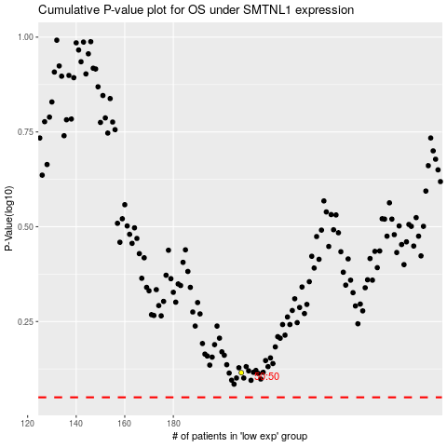

 |  |  |  |  |  | cases_OS | p_OS | rank | exp
 |  |  |  |  |  |  | cases_RFS | p_RFS | rank | exp

