SMTNL2 _multivariate
Reported by Tex Li-Hsing Chi. tex@gate.sinica.edu.tw 2019-08-15

Table 2. The clinicopathological features of HNSCC cohort and SMTNL2 expression. (Chi square test)
Cutoff at -0.216 (50.0%)
 |  | SMTNL2 expression |  | SMTNL2 expression |  | (Optimised)
 | Features | Low | (%) | High | (%) | Case no | P-value | Remark | Matthews
Gender | Female | 149 | 35.9 | 157 | 37.8 | 415 | 0.4848 | 0 | 0
2 | Male | 58 | 14 | 51 | 12.3
Age at diagnosis | <=65y | 131 | 31.6 | 143 | 34.5 | 415 | 0.2839 | 0 | 0
4 | >65y | 76 | 18.3 | 65 | 15.7
Clinical T Status | T1+T2 | 73 | 17.6 | 76 | 18.3 | 415 | 0.8666 | 0 | 0
6 | T3+T4 | 134 | 32.3 | 132 | 31.8
Clinical N Status | N0 | 111 | 26.7 | 105 | 25.3 | 415 | 0.5875 | 0 | 0
8 | N1-3 | 96 | 23.1 | 103 | 24.8
Clinical M Status | M0 | 204 | 49.2 | 208 | 50.1 | 415 | 0.1232 | 0 | 0
10 | M1 | 3 | 0.7 | 0 | 0
Clinical Stage | Stage I+II | 50 | 12 | 52 | 12.5 | 415 | 0.9315 | 0 | 0
12 | Stage III+IV | 157 | 37.8 | 156 | 37.6
Surgical Margin status | Negative | 158 | 38.1 | 160 | 38.6 | 415 | 0.9081 | 0 | 0
14 | Positive | 49 | 11.8 | 48 | 11.6
Tobacco Exposure | Low | 85 | 20.5 | 76 | 18.3 | 415 | 0.3655 | 0 | 0
16 | High | 122 | 29.4 | 132 | 31.8

Table 3. Univariate/Multivariate Cox's proportional hazards regression analyses on OS time of SMTNL2 gene expression in HNSCC

 |  | Univariate |  |  |  | Multivariate
 | Features | HR | CI95%(L) | CI95%(H) | P-value | HR | CI95%(L) | CI95%(H) | P-value
1 | Female | 1 |  |  |  | 1
Gender | Male | 1.157 | 0.843 | 1.587 | 0.367 | 1.205 | 0.862 | 1.684 | 0.275
11 | <=65y | 1 |  |  |  | 1
Age at diagnosis | >65y | 1.329 | 0.99 | 1.784 | 0.058 | 1.396 | 1.027 | 1.898 | 0.033
12 | T1+T2 | 1 |  |  |  | 1
Clinical T Status | T3+T4 | 1.409 | 1.028 | 1.931 | 0.033 | 2.182 | 1.153 | 4.128 | 0.016
13 | N0 | 1 |  |  |  | 1
Clinical N Status | N1-3 | 1.185 | 0.89 | 1.577 | 0.246 | 1.233 | 0.864 | 1.76 | 0.248
14 | M0 | 1 |  |  |  | 1
Clinical M Status | M1 | 4.097 | 1.009 | 16.644 | 0.049 | 9.832 | 2.133 | 45.325 | 0.003
15 | Stage I+II | 1 |  |  |  | 1
Clinical Stage | Stage III+IV | 1.245 | 0.882 | 1.759 | 0.213 | 0.51 | 0.237 | 1.096 | 0.085
16 | Negative | 1 |  |  |  | 1
Surgical Margin status | Positive | 1.591 | 1.155 | 2.191 | 0.004 | 1.675 | 1.212 | 2.313 | 0.002
17 | Low | 1 |  |  |  | 1
Tobacco Exposure | High | 1.364 | 1.008 | 1.844 | 0.044 | 1.448 | 1.051 | 1.995 | 0.023
18 | Low | 1 |  |  |  | 1
RNAseq(z-score) | High | 1.093 | 0.819 | 1.459 | 0.546 | 1.104 | 0.824 | 1.479 | 0.508

Table 4. Univariate/Multivariate Cox's proportional hazards regression analyses on RFS time of SMTNL2 gene expression in HNSCC

 |  | Univariate |  |  |  | Multivariate
 | Features | HR | CI95%(L) | CI95%(H) | P-value | HR | CI95%(L) | CI95%(H) | P-value
1 | Female | 1 |  |  |  | 1
Gender | Male | 1.157 | 0.843 | 1.587 | 0.367 | 1.205 | 0.862 | 1.684 | 0.275
11 | <=65y | 1 |  |  |  | 1
Age at diagnosis | >65y | 1.329 | 0.99 | 1.784 | 0.058 | 1.396 | 1.027 | 1.898 | 0.033
12 | T1+T2 | 1 |  |  |  | 1
Clinical T Status | T3+T4 | 1.409 | 1.028 | 1.931 | 0.033 | 2.182 | 1.153 | 4.128 | 0.016
13 | N0 | 1 |  |  |  | 1
Clinical N Status | N1-3 | 1.185 | 0.89 | 1.577 | 0.246 | 1.233 | 0.864 | 1.76 | 0.248
14 | M0 | 1 |  |  |  | 1
Clinical M Status | M1 | 4.097 | 1.009 | 16.644 | 0.049 | 9.832 | 2.133 | 45.325 | 0.003
15 | Stage I+II | 1 |  |  |  | 1
Clinical Stage | Stage III+IV | 1.245 | 0.882 | 1.759 | 0.213 | 0.51 | 0.237 | 1.096 | 0.085
16 | Negative | 1 |  |  |  | 1
Surgical Margin status | Positive | 1.591 | 1.155 | 2.191 | 0.004 | 1.675 | 1.212 | 2.313 | 0.002
17 | Low | 1 |  |  |  | 1
Tobacco Exposure | High | 1.364 | 1.008 | 1.844 | 0.044 | 1.448 | 1.051 | 1.995 | 0.023
18 | Low | 1 |  |  |  | 1
RNAseq(z-score) | High | 1.093 | 0.819 | 1.459 | 0.546 | 1.104 | 0.824 | 1.479 | 0.508

Kaplan-Meier survival estimate: Cutoff at -0.216 (50.0%)



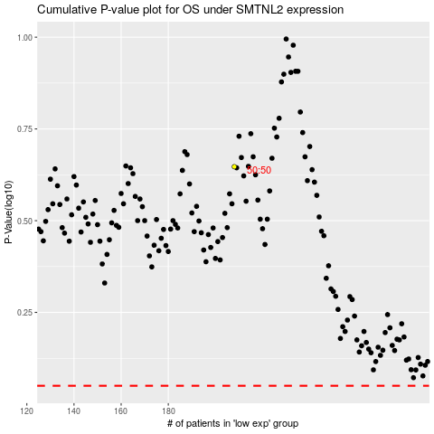

 |  |  |  |  |  | cases_OS | p_OS | rank | exp
 |  |  |  |  |  |  | cases_RFS | p_RFS | rank | exp

