SMYD2 _multivariate
Reported by Tex Li-Hsing Chi. tex@gate.sinica.edu.tw 2019-08-15

Table 2. The clinicopathological features of HNSCC cohort and SMYD2 expression. (Chi square test)
Cutoff at -0.129 (49.8%)
 |  | SMYD2 expression |  | SMYD2 expression |  | (Optimised)
 | Features | Low | (%) | High | (%) | Case no | P-value | Remark | Matthews
Gender | Female | 156 | 37.6 | 150 | 36.1 | 415 | 0.5222 | 0 | 0
2 | Male | 51 | 12.3 | 58 | 14
Age at diagnosis | <=65y | 141 | 34 | 133 | 32 | 415 | 0.4272 | 0 | 0
4 | >65y | 66 | 15.9 | 75 | 18.1
Clinical T Status | T1+T2 | 74 | 17.8 | 75 | 18.1 | 415 | 1 | 0 | 0
6 | T3+T4 | 133 | 32 | 133 | 32
Clinical N Status | N0 | 109 | 26.3 | 107 | 25.8 | 415 | 0.8812 | 0 | 0
8 | N1-3 | 98 | 23.6 | 101 | 24.3
Clinical M Status | M0 | 206 | 49.6 | 206 | 49.6 | 415 | 1 | 0 | 0
10 | M1 | 1 | 0.2 | 2 | 0.5
Clinical Stage | Stage I+II | 48 | 11.6 | 54 | 13 | 415 | 0.5878 | 0 | 0
12 | Stage III+IV | 159 | 38.3 | 154 | 37.1
Surgical Margin status | Negative | 164 | 39.5 | 154 | 37.1 | 415 | 0.2462 | 0 | 0
14 | Positive | 43 | 10.4 | 54 | 13
Tobacco Exposure | Low | 83 | 20 | 78 | 18.8 | 415 | 0.6152 | 0 | 0
16 | High | 124 | 29.9 | 130 | 31.3

Table 3. Univariate/Multivariate Cox's proportional hazards regression analyses on OS time of SMYD2 gene expression in HNSCC

 |  | Univariate |  |  |  | Multivariate
 | Features | HR | CI95%(L) | CI95%(H) | P-value | HR | CI95%(L) | CI95%(H) | P-value
1 | Female | 1 |  |  |  | 1
Gender | Male | 1.157 | 0.843 | 1.587 | 0.367 | 1.188 | 0.85 | 1.66 | 0.314
11 | <=65y | 1 |  |  |  | 1
Age at diagnosis | >65y | 1.329 | 0.99 | 1.784 | 0.058 | 1.391 | 1.024 | 1.889 | 0.035
12 | T1+T2 | 1 |  |  |  | 1
Clinical T Status | T3+T4 | 1.409 | 1.028 | 1.931 | 0.033 | 2.182 | 1.154 | 4.124 | 0.016
13 | N0 | 1 |  |  |  | 1
Clinical N Status | N1-3 | 1.185 | 0.89 | 1.577 | 0.246 | 1.234 | 0.865 | 1.761 | 0.246
14 | M0 | 1 |  |  |  | 1
Clinical M Status | M1 | 4.097 | 1.009 | 16.644 | 0.049 | 9.204 | 2.006 | 42.223 | 0.004
15 | Stage I+II | 1 |  |  |  | 1
Clinical Stage | Stage III+IV | 1.245 | 0.882 | 1.759 | 0.213 | 0.515 | 0.24 | 1.107 | 0.089
16 | Negative | 1 |  |  |  | 1
Surgical Margin status | Positive | 1.591 | 1.155 | 2.191 | 0.004 | 1.645 | 1.188 | 2.277 | 0.003
17 | Low | 1 |  |  |  | 1
Tobacco Exposure | High | 1.364 | 1.008 | 1.844 | 0.044 | 1.438 | 1.043 | 1.982 | 0.026
18 | Low | 1 |  |  |  | 1
RNAseq(z-score) | High | 1.204 | 0.903 | 1.606 | 0.206 | 1.128 | 0.842 | 1.511 | 0.42

Table 4. Univariate/Multivariate Cox's proportional hazards regression analyses on RFS time of SMYD2 gene expression in HNSCC

 |  | Univariate |  |  |  | Multivariate
 | Features | HR | CI95%(L) | CI95%(H) | P-value | HR | CI95%(L) | CI95%(H) | P-value
1 | Female | 1 |  |  |  | 1
Gender | Male | 1.157 | 0.843 | 1.587 | 0.367 | 1.188 | 0.85 | 1.66 | 0.314
11 | <=65y | 1 |  |  |  | 1
Age at diagnosis | >65y | 1.329 | 0.99 | 1.784 | 0.058 | 1.391 | 1.024 | 1.889 | 0.035
12 | T1+T2 | 1 |  |  |  | 1
Clinical T Status | T3+T4 | 1.409 | 1.028 | 1.931 | 0.033 | 2.182 | 1.154 | 4.124 | 0.016
13 | N0 | 1 |  |  |  | 1
Clinical N Status | N1-3 | 1.185 | 0.89 | 1.577 | 0.246 | 1.234 | 0.865 | 1.761 | 0.246
14 | M0 | 1 |  |  |  | 1
Clinical M Status | M1 | 4.097 | 1.009 | 16.644 | 0.049 | 9.204 | 2.006 | 42.223 | 0.004
15 | Stage I+II | 1 |  |  |  | 1
Clinical Stage | Stage III+IV | 1.245 | 0.882 | 1.759 | 0.213 | 0.515 | 0.24 | 1.107 | 0.089
16 | Negative | 1 |  |  |  | 1
Surgical Margin status | Positive | 1.591 | 1.155 | 2.191 | 0.004 | 1.645 | 1.188 | 2.277 | 0.003
17 | Low | 1 |  |  |  | 1
Tobacco Exposure | High | 1.364 | 1.008 | 1.844 | 0.044 | 1.438 | 1.043 | 1.982 | 0.026
18 | Low | 1 |  |  |  | 1
RNAseq(z-score) | High | 1.204 | 0.903 | 1.606 | 0.206 | 1.128 | 0.842 | 1.511 | 0.42

Kaplan-Meier survival estimate: Cutoff at -0.129 (49.8%)



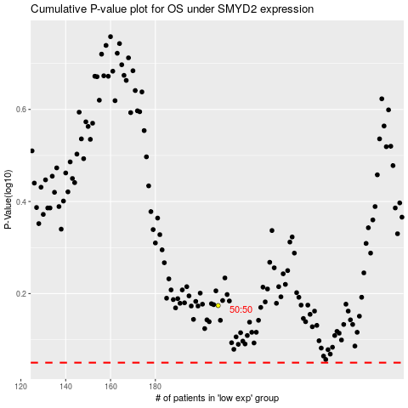

 |  |  |  |  |  | cases_OS | p_OS | rank | exp
 |  |  |  |  |  |  | cases_RFS | p_RFS | rank | exp

