SMYD3 _multivariate
Reported by Tex Li-Hsing Chi. tex@gate.sinica.edu.tw 2019-08-15

Table 2. The clinicopathological features of HNSCC cohort and SMYD3 expression. (Chi square test)
Cutoff at -0.222 (49.8%)
 |  | SMYD3 expression |  | SMYD3 expression |  | (Optimised)
 | Features | Low | (%) | High | (%) | Case no | P-value | Remark | Matthews
Gender | Female | 147 | 35.4 | 159 | 38.3 | 415 | 0.2523 | 0 | 0
2 | Male | 60 | 14.5 | 49 | 11.8
Age at diagnosis | <=65y | 136 | 32.8 | 138 | 33.3 | 415 | 0.9719 | 0 | 0
4 | >65y | 71 | 17.1 | 70 | 16.9
Clinical T Status | T1+T2 | 92 | 22.2 | 57 | 13.7 | 415 | 4e-04 | 1 | 0
6 | T3+T4 | 115 | 27.7 | 151 | 36.4
Clinical N Status | N0 | 109 | 26.3 | 107 | 25.8 | 415 | 0.8812 | 0 | 0
8 | N1-3 | 98 | 23.6 | 101 | 24.3
Clinical M Status | M0 | 205 | 49.4 | 207 | 49.9 | 415 | 0.6232 | 0 | 0
10 | M1 | 2 | 0.5 | 1 | 0.2
Clinical Stage | Stage I+II | 62 | 14.9 | 40 | 9.6 | 415 | 0.0154 | 1 | 0
12 | Stage III+IV | 145 | 34.9 | 168 | 40.5
Surgical Margin status | Negative | 163 | 39.3 | 155 | 37.3 | 415 | 0.3537 | 0 | 0
14 | Positive | 44 | 10.6 | 53 | 12.8
Tobacco Exposure | Low | 100 | 24.1 | 61 | 14.7 | 415 | 1e-04 | 1 | 0
16 | High | 107 | 25.8 | 147 | 35.4

Table 3. Univariate/Multivariate Cox's proportional hazards regression analyses on OS time of SMYD3 gene expression in HNSCC

 |  | Univariate |  |  |  | Multivariate
 | Features | HR | CI95%(L) | CI95%(H) | P-value | HR | CI95%(L) | CI95%(H) | P-value
1 | Female | 1 |  |  |  | 1
Gender | Male | 1.157 | 0.843 | 1.587 | 0.367 | 1.211 | 0.866 | 1.693 | 0.263
11 | <=65y | 1 |  |  |  | 1
Age at diagnosis | >65y | 1.329 | 0.99 | 1.784 | 0.058 | 1.375 | 1.01 | 1.871 | 0.043
12 | T1+T2 | 1 |  |  |  | 1
Clinical T Status | T3+T4 | 1.409 | 1.028 | 1.931 | 0.033 | 2.242 | 1.184 | 4.243 | 0.013
13 | N0 | 1 |  |  |  | 1
Clinical N Status | N1-3 | 1.185 | 0.89 | 1.577 | 0.246 | 1.231 | 0.863 | 1.756 | 0.252
14 | M0 | 1 |  |  |  | 1
Clinical M Status | M1 | 4.097 | 1.009 | 16.644 | 0.049 | 9.372 | 2.044 | 42.957 | 0.004
15 | Stage I+II | 1 |  |  |  | 1
Clinical Stage | Stage III+IV | 1.245 | 0.882 | 1.759 | 0.213 | 0.512 | 0.239 | 1.099 | 0.086
16 | Negative | 1 |  |  |  | 1
Surgical Margin status | Positive | 1.591 | 1.155 | 2.191 | 0.004 | 1.705 | 1.232 | 2.359 | 0.001
17 | Low | 1 |  |  |  | 1
Tobacco Exposure | High | 1.364 | 1.008 | 1.844 | 0.044 | 1.506 | 1.086 | 2.088 | 0.014
18 | Low | 1 |  |  |  | 1
RNAseq(z-score) | High | 0.954 | 0.716 | 1.273 | 0.75 | 0.832 | 0.617 | 1.12 | 0.225

Table 4. Univariate/Multivariate Cox's proportional hazards regression analyses on RFS time of SMYD3 gene expression in HNSCC

 |  | Univariate |  |  |  | Multivariate
 | Features | HR | CI95%(L) | CI95%(H) | P-value | HR | CI95%(L) | CI95%(H) | P-value
1 | Female | 1 |  |  |  | 1
Gender | Male | 1.157 | 0.843 | 1.587 | 0.367 | 1.211 | 0.866 | 1.693 | 0.263
11 | <=65y | 1 |  |  |  | 1
Age at diagnosis | >65y | 1.329 | 0.99 | 1.784 | 0.058 | 1.375 | 1.01 | 1.871 | 0.043
12 | T1+T2 | 1 |  |  |  | 1
Clinical T Status | T3+T4 | 1.409 | 1.028 | 1.931 | 0.033 | 2.242 | 1.184 | 4.243 | 0.013
13 | N0 | 1 |  |  |  | 1
Clinical N Status | N1-3 | 1.185 | 0.89 | 1.577 | 0.246 | 1.231 | 0.863 | 1.756 | 0.252
14 | M0 | 1 |  |  |  | 1
Clinical M Status | M1 | 4.097 | 1.009 | 16.644 | 0.049 | 9.372 | 2.044 | 42.957 | 0.004
15 | Stage I+II | 1 |  |  |  | 1
Clinical Stage | Stage III+IV | 1.245 | 0.882 | 1.759 | 0.213 | 0.512 | 0.239 | 1.099 | 0.086
16 | Negative | 1 |  |  |  | 1
Surgical Margin status | Positive | 1.591 | 1.155 | 2.191 | 0.004 | 1.705 | 1.232 | 2.359 | 0.001
17 | Low | 1 |  |  |  | 1
Tobacco Exposure | High | 1.364 | 1.008 | 1.844 | 0.044 | 1.506 | 1.086 | 2.088 | 0.014
18 | Low | 1 |  |  |  | 1
RNAseq(z-score) | High | 0.954 | 0.716 | 1.273 | 0.75 | 0.832 | 0.617 | 1.12 | 0.225

Kaplan-Meier survival estimate: Cutoff at -0.222 (49.8%)

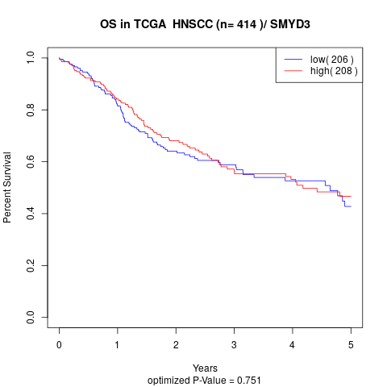

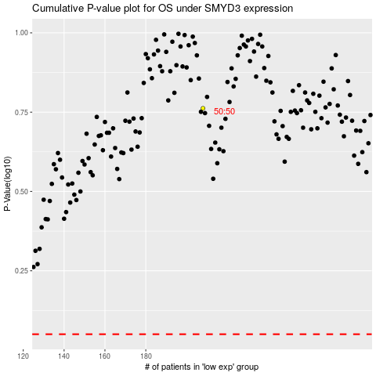

 |  |  |  |  |  | cases_OS | p_OS | rank | exp
 |  |  |  |  |  |  | cases_RFS | p_RFS | rank | exp

