SMYD5 _multivariate
Reported by Tex Li-Hsing Chi. tex@gate.sinica.edu.tw 2019-08-15

Table 2. The clinicopathological features of HNSCC cohort and SMYD5 expression. (Chi square test)
Cutoff at -0.136 (45.2%)
 |  | SMYD5 expression |  | SMYD5 expression |  | (Optimised)
 | Features | Low | (%) | High | (%) | Case no | P-value | Remark | Matthews
Gender | Female | 137 | 33 | 169 | 40.7 | 415 | 0.8015 | 0 | 0
2 | Male | 51 | 12.3 | 58 | 14
Age at diagnosis | <=65y | 126 | 30.4 | 148 | 35.7 | 415 | 0.7747 | 0 | 0
4 | >65y | 62 | 14.9 | 79 | 19
Clinical T Status | T1+T2 | 78 | 18.8 | 71 | 17.1 | 415 | 0.0398 | 1 | 0
6 | T3+T4 | 110 | 26.5 | 156 | 37.6
Clinical N Status | N0 | 102 | 24.6 | 114 | 27.5 | 415 | 0.4713 | 0 | 0
8 | N1-3 | 86 | 20.7 | 113 | 27.2
Clinical M Status | M0 | 187 | 45.1 | 225 | 54.2 | 415 | 1 | 0 | 0
10 | M1 | 1 | 0.2 | 2 | 0.5
Clinical Stage | Stage I+II | 49 | 11.8 | 53 | 12.8 | 415 | 0.5995 | 0 | 0
12 | Stage III+IV | 139 | 33.5 | 174 | 41.9
Surgical Margin status | Negative | 142 | 34.2 | 176 | 42.4 | 415 | 0.6429 | 0 | 0
14 | Positive | 46 | 11.1 | 51 | 12.3
Tobacco Exposure | Low | 80 | 19.3 | 81 | 19.5 | 415 | 0.1581 | 0 | 0
16 | High | 108 | 26 | 146 | 35.2

Table 3. Univariate/Multivariate Cox's proportional hazards regression analyses on OS time of SMYD5 gene expression in HNSCC

 |  | Univariate |  |  |  | Multivariate
 | Features | HR | CI95%(L) | CI95%(H) | P-value | HR | CI95%(L) | CI95%(H) | P-value
1 | Female | 1 |  |  |  | 1
Gender | Male | 1.157 | 0.843 | 1.587 | 0.367 | 1.195 | 0.854 | 1.672 | 0.299
11 | <=65y | 1 |  |  |  | 1
Age at diagnosis | >65y | 1.329 | 0.99 | 1.784 | 0.058 | 1.385 | 1.019 | 1.882 | 0.037
12 | T1+T2 | 1 |  |  |  | 1
Clinical T Status | T3+T4 | 1.409 | 1.028 | 1.931 | 0.033 | 2.077 | 1.093 | 3.947 | 0.026
13 | N0 | 1 |  |  |  | 1
Clinical N Status | N1-3 | 1.185 | 0.89 | 1.577 | 0.246 | 1.202 | 0.84 | 1.72 | 0.314
14 | M0 | 1 |  |  |  | 1
Clinical M Status | M1 | 4.097 | 1.009 | 16.644 | 0.049 | 8.94 | 1.947 | 41.053 | 0.005
15 | Stage I+II | 1 |  |  |  | 1
Clinical Stage | Stage III+IV | 1.245 | 0.882 | 1.759 | 0.213 | 0.543 | 0.251 | 1.172 | 0.12
16 | Negative | 1 |  |  |  | 1
Surgical Margin status | Positive | 1.591 | 1.155 | 2.191 | 0.004 | 1.661 | 1.202 | 2.295 | 0.002
17 | Low | 1 |  |  |  | 1
Tobacco Exposure | High | 1.364 | 1.008 | 1.844 | 0.044 | 1.43 | 1.036 | 1.972 | 0.029
18 | Low | 1 |  |  |  | 1
RNAseq(z-score) | High | 1.356 | 1.013 | 1.815 | 0.041 | 1.236 | 0.919 | 1.662 | 0.162

Table 4. Univariate/Multivariate Cox's proportional hazards regression analyses on RFS time of SMYD5 gene expression in HNSCC

 |  | Univariate |  |  |  | Multivariate
 | Features | HR | CI95%(L) | CI95%(H) | P-value | HR | CI95%(L) | CI95%(H) | P-value
1 | Female | 1 |  |  |  | 1
Gender | Male | 1.157 | 0.843 | 1.587 | 0.367 | 1.195 | 0.854 | 1.672 | 0.299
11 | <=65y | 1 |  |  |  | 1
Age at diagnosis | >65y | 1.329 | 0.99 | 1.784 | 0.058 | 1.385 | 1.019 | 1.882 | 0.037
12 | T1+T2 | 1 |  |  |  | 1
Clinical T Status | T3+T4 | 1.409 | 1.028 | 1.931 | 0.033 | 2.077 | 1.093 | 3.947 | 0.026
13 | N0 | 1 |  |  |  | 1
Clinical N Status | N1-3 | 1.185 | 0.89 | 1.577 | 0.246 | 1.202 | 0.84 | 1.72 | 0.314
14 | M0 | 1 |  |  |  | 1
Clinical M Status | M1 | 4.097 | 1.009 | 16.644 | 0.049 | 8.94 | 1.947 | 41.053 | 0.005
15 | Stage I+II | 1 |  |  |  | 1
Clinical Stage | Stage III+IV | 1.245 | 0.882 | 1.759 | 0.213 | 0.543 | 0.251 | 1.172 | 0.12
16 | Negative | 1 |  |  |  | 1
Surgical Margin status | Positive | 1.591 | 1.155 | 2.191 | 0.004 | 1.661 | 1.202 | 2.295 | 0.002
17 | Low | 1 |  |  |  | 1
Tobacco Exposure | High | 1.364 | 1.008 | 1.844 | 0.044 | 1.43 | 1.036 | 1.972 | 0.029
18 | Low | 1 |  |  |  | 1
RNAseq(z-score) | High | 1.356 | 1.013 | 1.815 | 0.041 | 1.236 | 0.919 | 1.662 | 0.162

Kaplan-Meier survival estimate: Cutoff at -0.136 (45.2%)

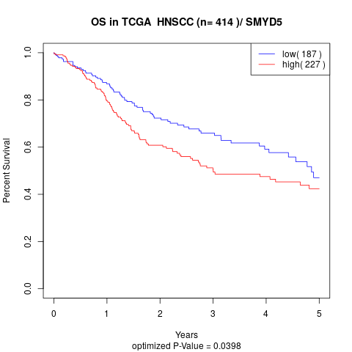

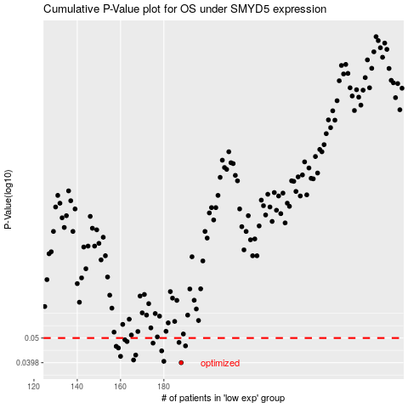

 |  |  |  |  |  | cases_OS | p_OS | rank | exp
 |  |  |  |  |  | 188 | 0.0398 | 23 | -0.13607041833
 |  |  |  |  |  | 180 | 0.0403 | 69 | -0.16846435837
 |  |  |  |  |  | 166 | 0.0408 | 280 | -0.22523816269
 |  |  |  |  |  | 160 | 0.0422 | 355 | -0.29703864498
 |  |  |  |  |  | 167 | 0.0427 | 161 | -0.20992371548
 |  |  |  |  |  | 179 | 0.0444 | 352 | -0.16907649705
 |  |  |  |  |  | 159 | 0.0456 | 374 | -0.30356949681
 |  |  |  |  |  | 158 | 0.0463 | 154 | -0.30401327448
 |  |  |  |  |  | 190 | 0.0465 | 229 | -0.11838839437
 |  |  |  |  |  | 175 | 0.0477 | 97 | -0.17586538043
 |  |  |  |  |  | 187 | 0.048 | 135 | -0.1364483156
 |  |  |  |  |  | 163 | 0.0484 | 265 | -0.28188661126
 |  |  |  |  |  | 162 | 0.0492 | 13 | -0.28660529467
 |  |  |  |  |  |  | cases_RFS | p_RFS | rank | exp
 |  |  |  |  |  |  | 187 | 0.0398 | 135 | -0.1364483156
 |  |  |  |  |  |  | 179 | 0.0403 | 352 | -0.16907649705
 |  |  |  |  |  |  | 165 | 0.0408 | 49 | -0.25731825584
 |  |  |  |  |  |  | 159 | 0.0422 | 374 | -0.30356949681
 |  |  |  |  |  |  | 166 | 0.0427 | 280 | -0.22523816269
 |  |  |  |  |  |  | 178 | 0.0444 | 57 | -0.17213261545
 |  |  |  |  |  |  | 158 | 0.0456 | 154 | -0.30401327448
 |  |  |  |  |  |  | 157 | 0.0463 | 269 | -0.31103777177
 |  |  |  |  |  |  | 189 | 0.0465 | 386 | -0.11854165779
 |  |  |  |  |  |  | 174 | 0.0477 | 5 | -0.18377194303
 |  |  |  |  |  |  | 186 | 0.048 | 184 | -0.14371849188
 |  |  |  |  |  |  | 162 | 0.0484 | 13 | -0.28660529467
 |  |  |  |  |  |  | 161 | 0.0492 | 310 | -0.29308307617

