SNAI2 _multivariate
Reported by Tex Li-Hsing Chi. tex@gate.sinica.edu.tw 2019-08-15

Table 2. The clinicopathological features of HNSCC cohort and SNAI2 expression. (Chi square test)
Cutoff at -0.017 (50.0%)
 |  | SNAI2 expression |  | SNAI2 expression |  | (Optimised)
 | Features | Low | (%) | High | (%) | Case no | P-value | Remark | Matthews
Gender | Female | 160 | 38.6 | 146 | 35.2 | 415 | 0.1254 | 0 | 0
2 | Male | 47 | 11.3 | 62 | 14.9
Age at diagnosis | <=65y | 134 | 32.3 | 140 | 33.7 | 415 | 0.6529 | 0 | 0
4 | >65y | 73 | 17.6 | 68 | 16.4
Clinical T Status | T1+T2 | 75 | 18.1 | 74 | 17.8 | 415 | 0.9707 | 0 | 0
6 | T3+T4 | 132 | 31.8 | 134 | 32.3
Clinical N Status | N0 | 109 | 26.3 | 107 | 25.8 | 415 | 0.8812 | 0 | 0
8 | N1-3 | 98 | 23.6 | 101 | 24.3
Clinical M Status | M0 | 207 | 49.9 | 205 | 49.4 | 415 | 0.2482 | 0 | 0
10 | M1 | 0 | 0 | 3 | 0.7
Clinical Stage | Stage I+II | 45 | 10.8 | 57 | 13.7 | 415 | 0.2202 | 0 | 0
12 | Stage III+IV | 162 | 39 | 151 | 36.4
Surgical Margin status | Negative | 154 | 37.1 | 164 | 39.5 | 415 | 0.2984 | 0 | 0
14 | Positive | 53 | 12.8 | 44 | 10.6
Tobacco Exposure | Low | 75 | 18.1 | 86 | 20.7 | 415 | 0.3141 | 0 | 0
16 | High | 132 | 31.8 | 122 | 29.4

Table 3. Univariate/Multivariate Cox's proportional hazards regression analyses on OS time of SNAI2 gene expression in HNSCC

 |  | Univariate |  |  |  | Multivariate
 | Features | HR | CI95%(L) | CI95%(H) | P-value | HR | CI95%(L) | CI95%(H) | P-value
1 | Female | 1 |  |  |  | 1
Gender | Male | 1.157 | 0.843 | 1.587 | 0.367 | 1.191 | 0.852 | 1.665 | 0.306
11 | <=65y | 1 |  |  |  | 1
Age at diagnosis | >65y | 1.329 | 0.99 | 1.784 | 0.058 | 1.404 | 1.033 | 1.91 | 0.03
12 | T1+T2 | 1 |  |  |  | 1
Clinical T Status | T3+T4 | 1.409 | 1.028 | 1.931 | 0.033 | 2.118 | 1.115 | 4.021 | 0.022
13 | N0 | 1 |  |  |  | 1
Clinical N Status | N1-3 | 1.185 | 0.89 | 1.577 | 0.246 | 1.239 | 0.868 | 1.767 | 0.238
14 | M0 | 1 |  |  |  | 1
Clinical M Status | M1 | 4.097 | 1.009 | 16.644 | 0.049 | 8.394 | 1.805 | 39.033 | 0.007
15 | Stage I+II | 1 |  |  |  | 1
Clinical Stage | Stage III+IV | 1.245 | 0.882 | 1.759 | 0.213 | 0.533 | 0.246 | 1.152 | 0.109
16 | Negative | 1 |  |  |  | 1
Surgical Margin status | Positive | 1.591 | 1.155 | 2.191 | 0.004 | 1.688 | 1.221 | 2.334 | 0.002
17 | Low | 1 |  |  |  | 1
Tobacco Exposure | High | 1.364 | 1.008 | 1.844 | 0.044 | 1.47 | 1.065 | 2.027 | 0.019
18 | Low | 1 |  |  |  | 1
RNAseq(z-score) | High | 1.143 | 0.858 | 1.523 | 0.36 | 1.17 | 0.871 | 1.571 | 0.298

Table 4. Univariate/Multivariate Cox's proportional hazards regression analyses on RFS time of SNAI2 gene expression in HNSCC

 |  | Univariate |  |  |  | Multivariate
 | Features | HR | CI95%(L) | CI95%(H) | P-value | HR | CI95%(L) | CI95%(H) | P-value
1 | Female | 1 |  |  |  | 1
Gender | Male | 1.157 | 0.843 | 1.587 | 0.367 | 1.191 | 0.852 | 1.665 | 0.306
11 | <=65y | 1 |  |  |  | 1
Age at diagnosis | >65y | 1.329 | 0.99 | 1.784 | 0.058 | 1.404 | 1.033 | 1.91 | 0.03
12 | T1+T2 | 1 |  |  |  | 1
Clinical T Status | T3+T4 | 1.409 | 1.028 | 1.931 | 0.033 | 2.118 | 1.115 | 4.021 | 0.022
13 | N0 | 1 |  |  |  | 1
Clinical N Status | N1-3 | 1.185 | 0.89 | 1.577 | 0.246 | 1.239 | 0.868 | 1.767 | 0.238
14 | M0 | 1 |  |  |  | 1
Clinical M Status | M1 | 4.097 | 1.009 | 16.644 | 0.049 | 8.394 | 1.805 | 39.033 | 0.007
15 | Stage I+II | 1 |  |  |  | 1
Clinical Stage | Stage III+IV | 1.245 | 0.882 | 1.759 | 0.213 | 0.533 | 0.246 | 1.152 | 0.109
16 | Negative | 1 |  |  |  | 1
Surgical Margin status | Positive | 1.591 | 1.155 | 2.191 | 0.004 | 1.688 | 1.221 | 2.334 | 0.002
17 | Low | 1 |  |  |  | 1
Tobacco Exposure | High | 1.364 | 1.008 | 1.844 | 0.044 | 1.47 | 1.065 | 2.027 | 0.019
18 | Low | 1 |  |  |  | 1
RNAseq(z-score) | High | 1.143 | 0.858 | 1.523 | 0.36 | 1.17 | 0.871 | 1.571 | 0.298

Kaplan-Meier survival estimate: Cutoff at -0.017 (50.0%)



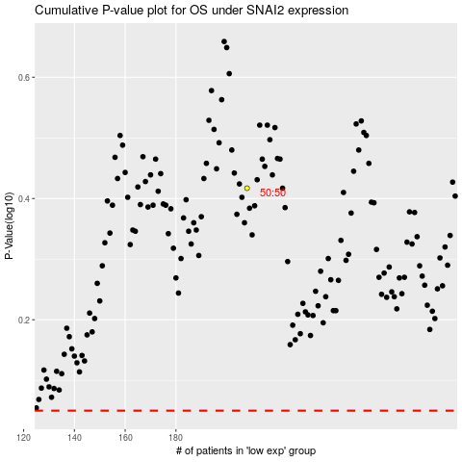

 |  |  |  |  |  | cases_OS | p_OS | rank | exp
 |  |  |  |  |  |  | cases_RFS | p_RFS | rank | exp

