SNAI3 _multivariate
Reported by Tex Li-Hsing Chi. tex@gate.sinica.edu.tw 2019-08-15

Table 2. The clinicopathological features of HNSCC cohort and SNAI3 expression. (Chi square test)
Cutoff at -0.55 (30.2%)
 |  | SNAI3 expression |  | SNAI3 expression |  | (Optimised)
 | Features | Low | (%) | High | (%) | Case no | P-value | Remark | Matthews
Gender | Female | 97 | 23.4 | 209 | 50.4 | 415 | 0.2923 | 0 | 0
2 | Male | 28 | 6.7 | 81 | 19.5
Age at diagnosis | <=65y | 76 | 18.3 | 198 | 47.7 | 415 | 0.1731 | 0 | 0
4 | >65y | 49 | 11.8 | 92 | 22.2
Clinical T Status | T1+T2 | 45 | 10.8 | 104 | 25.1 | 415 | 1 | 0 | 0
6 | T3+T4 | 80 | 19.3 | 186 | 44.8
Clinical N Status | N0 | 65 | 15.7 | 151 | 36.4 | 415 | 1 | 0 | 0
8 | N1-3 | 60 | 14.5 | 139 | 33.5
Clinical M Status | M0 | 124 | 29.9 | 288 | 69.4 | 415 | 1 | 0 | 0
10 | M1 | 1 | 0.2 | 2 | 0.5
Clinical Stage | Stage I+II | 32 | 7.7 | 70 | 16.9 | 415 | 0.8469 | 0 | 0
12 | Stage III+IV | 93 | 22.4 | 220 | 53
Surgical Margin status | Negative | 85 | 20.5 | 233 | 56.1 | 415 | 0.0079 | 1 | 0
14 | Positive | 40 | 9.6 | 57 | 13.7
Tobacco Exposure | Low | 52 | 12.5 | 109 | 26.3 | 415 | 0.4445 | 0 | 0
16 | High | 73 | 17.6 | 181 | 43.6

Table 3. Univariate/Multivariate Cox's proportional hazards regression analyses on OS time of SNAI3 gene expression in HNSCC

 |  | Univariate |  |  |  | Multivariate
 | Features | HR | CI95%(L) | CI95%(H) | P-value | HR | CI95%(L) | CI95%(H) | P-value
1 | Female | 1 |  |  |  | 1
Gender | Male | 1.157 | 0.843 | 1.587 | 0.367 | 1.228 | 0.878 | 1.717 | 0.231
11 | <=65y | 1 |  |  |  | 1
Age at diagnosis | >65y | 1.329 | 0.99 | 1.784 | 0.058 | 1.344 | 0.987 | 1.829 | 0.06
12 | T1+T2 | 1 |  |  |  | 1
Clinical T Status | T3+T4 | 1.409 | 1.028 | 1.931 | 0.033 | 2.209 | 1.169 | 4.177 | 0.015
13 | N0 | 1 |  |  |  | 1
Clinical N Status | N1-3 | 1.185 | 0.89 | 1.577 | 0.246 | 1.24 | 0.87 | 1.769 | 0.234
14 | M0 | 1 |  |  |  | 1
Clinical M Status | M1 | 4.097 | 1.009 | 16.644 | 0.049 | 9.765 | 2.128 | 44.802 | 0.003
15 | Stage I+II | 1 |  |  |  | 1
Clinical Stage | Stage III+IV | 1.245 | 0.882 | 1.759 | 0.213 | 0.502 | 0.234 | 1.077 | 0.077
16 | Negative | 1 |  |  |  | 1
Surgical Margin status | Positive | 1.591 | 1.155 | 2.191 | 0.004 | 1.651 | 1.194 | 2.282 | 0.002
17 | Low | 1 |  |  |  | 1
Tobacco Exposure | High | 1.364 | 1.008 | 1.844 | 0.044 | 1.469 | 1.065 | 2.027 | 0.019
18 | Low | 1 |  |  |  | 1
RNAseq(z-score) | High | 0.739 | 0.546 | 1 | 0.05 | 0.752 | 0.553 | 1.023 | 0.069

Table 4. Univariate/Multivariate Cox's proportional hazards regression analyses on RFS time of SNAI3 gene expression in HNSCC

 |  | Univariate |  |  |  | Multivariate
 | Features | HR | CI95%(L) | CI95%(H) | P-value | HR | CI95%(L) | CI95%(H) | P-value
1 | Female | 1 |  |  |  | 1
Gender | Male | 1.157 | 0.843 | 1.587 | 0.367 | 1.228 | 0.878 | 1.717 | 0.231
11 | <=65y | 1 |  |  |  | 1
Age at diagnosis | >65y | 1.329 | 0.99 | 1.784 | 0.058 | 1.344 | 0.987 | 1.829 | 0.06
12 | T1+T2 | 1 |  |  |  | 1
Clinical T Status | T3+T4 | 1.409 | 1.028 | 1.931 | 0.033 | 2.209 | 1.169 | 4.177 | 0.015
13 | N0 | 1 |  |  |  | 1
Clinical N Status | N1-3 | 1.185 | 0.89 | 1.577 | 0.246 | 1.24 | 0.87 | 1.769 | 0.234
14 | M0 | 1 |  |  |  | 1
Clinical M Status | M1 | 4.097 | 1.009 | 16.644 | 0.049 | 9.765 | 2.128 | 44.802 | 0.003
15 | Stage I+II | 1 |  |  |  | 1
Clinical Stage | Stage III+IV | 1.245 | 0.882 | 1.759 | 0.213 | 0.502 | 0.234 | 1.077 | 0.077
16 | Negative | 1 |  |  |  | 1
Surgical Margin status | Positive | 1.591 | 1.155 | 2.191 | 0.004 | 1.651 | 1.194 | 2.282 | 0.002
17 | Low | 1 |  |  |  | 1
Tobacco Exposure | High | 1.364 | 1.008 | 1.844 | 0.044 | 1.469 | 1.065 | 2.027 | 0.019
18 | Low | 1 |  |  |  | 1
RNAseq(z-score) | High | 0.739 | 0.546 | 1 | 0.05 | 0.752 | 0.553 | 1.023 | 0.069

Kaplan-Meier survival estimate: Cutoff at -0.55 (30.2%)



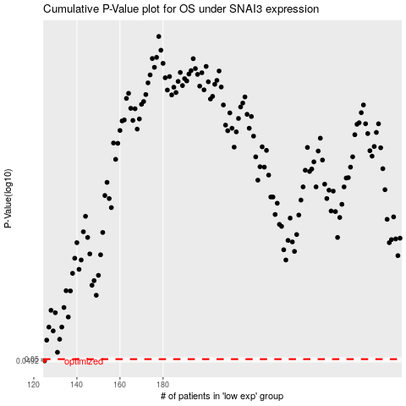

 |  |  |  |  |  | cases_OS | p_OS | rank | exp
 |  |  |  |  |  | 125 | 0.0492 | 15 | -0.55035730772
 |  |  |  |  |  |  | cases_RFS | p_RFS | rank | exp
 |  |  |  |  |  |  |  | 0.0492 | 16 | -0.55117007882

