SNAP29 _multivariate
Reported by Tex Li-Hsing Chi. tex@gate.sinica.edu.tw 2019-08-15

Table 2. The clinicopathological features of HNSCC cohort and SNAP29 expression. (Chi square test)
Cutoff at -0.153 (50.0%)
 |  | SNAP29 expression |  | SNAP29 expression |  | (Optimised)
 | Features | Low | (%) | High | (%) | Case no | P-value | Remark | Matthews
Gender | Female | 153 | 36.9 | 153 | 36.9 | 415 | 1 | 0 | 0
2 | Male | 54 | 13 | 55 | 13.3
Age at diagnosis | <=65y | 144 | 34.7 | 130 | 31.3 | 415 | 0.1568 | 0 | 0
4 | >65y | 63 | 15.2 | 78 | 18.8
Clinical T Status | T1+T2 | 73 | 17.6 | 76 | 18.3 | 415 | 0.8666 | 0 | 0
6 | T3+T4 | 134 | 32.3 | 132 | 31.8
Clinical N Status | N0 | 109 | 26.3 | 107 | 25.8 | 415 | 0.8812 | 0 | 0
8 | N1-3 | 98 | 23.6 | 101 | 24.3
Clinical M Status | M0 | 206 | 49.6 | 206 | 49.6 | 415 | 1 | 0 | 0
10 | M1 | 1 | 0.2 | 2 | 0.5
Clinical Stage | Stage I+II | 53 | 12.8 | 49 | 11.8 | 415 | 0.7113 | 0 | 0
12 | Stage III+IV | 154 | 37.1 | 159 | 38.3
Surgical Margin status | Negative | 155 | 37.3 | 163 | 39.3 | 415 | 0.4187 | 0 | 0
14 | Positive | 52 | 12.5 | 45 | 10.8
Tobacco Exposure | Low | 76 | 18.3 | 85 | 20.5 | 415 | 0.4207 | 0 | 0
16 | High | 131 | 31.6 | 123 | 29.6

Table 3. Univariate/Multivariate Cox's proportional hazards regression analyses on OS time of SNAP29 gene expression in HNSCC

 |  | Univariate |  |  |  | Multivariate
 | Features | HR | CI95%(L) | CI95%(H) | P-value | HR | CI95%(L) | CI95%(H) | P-value
1 | Female | 1 |  |  |  | 1
Gender | Male | 1.157 | 0.843 | 1.587 | 0.367 | 1.205 | 0.863 | 1.684 | 0.274
11 | <=65y | 1 |  |  |  | 1
Age at diagnosis | >65y | 1.329 | 0.99 | 1.784 | 0.058 | 1.388 | 1.021 | 1.887 | 0.036
12 | T1+T2 | 1 |  |  |  | 1
Clinical T Status | T3+T4 | 1.409 | 1.028 | 1.931 | 0.033 | 2.209 | 1.168 | 4.176 | 0.015
13 | N0 | 1 |  |  |  | 1
Clinical N Status | N1-3 | 1.185 | 0.89 | 1.577 | 0.246 | 1.247 | 0.873 | 1.779 | 0.225
14 | M0 | 1 |  |  |  | 1
Clinical M Status | M1 | 4.097 | 1.009 | 16.644 | 0.049 | 9.205 | 2.004 | 42.277 | 0.004
15 | Stage I+II | 1 |  |  |  | 1
Clinical Stage | Stage III+IV | 1.245 | 0.882 | 1.759 | 0.213 | 0.502 | 0.234 | 1.077 | 0.077
16 | Negative | 1 |  |  |  | 1
Surgical Margin status | Positive | 1.591 | 1.155 | 2.191 | 0.004 | 1.677 | 1.213 | 2.318 | 0.002
17 | Low | 1 |  |  |  | 1
Tobacco Exposure | High | 1.364 | 1.008 | 1.844 | 0.044 | 1.461 | 1.06 | 2.015 | 0.021
18 | Low | 1 |  |  |  | 1
RNAseq(z-score) | High | 1.04 | 0.781 | 1.385 | 0.789 | 1.083 | 0.811 | 1.447 | 0.589

Table 4. Univariate/Multivariate Cox's proportional hazards regression analyses on RFS time of SNAP29 gene expression in HNSCC

 |  | Univariate |  |  |  | Multivariate
 | Features | HR | CI95%(L) | CI95%(H) | P-value | HR | CI95%(L) | CI95%(H) | P-value
1 | Female | 1 |  |  |  | 1
Gender | Male | 1.157 | 0.843 | 1.587 | 0.367 | 1.205 | 0.863 | 1.684 | 0.274
11 | <=65y | 1 |  |  |  | 1
Age at diagnosis | >65y | 1.329 | 0.99 | 1.784 | 0.058 | 1.388 | 1.021 | 1.887 | 0.036
12 | T1+T2 | 1 |  |  |  | 1
Clinical T Status | T3+T4 | 1.409 | 1.028 | 1.931 | 0.033 | 2.209 | 1.168 | 4.176 | 0.015
13 | N0 | 1 |  |  |  | 1
Clinical N Status | N1-3 | 1.185 | 0.89 | 1.577 | 0.246 | 1.247 | 0.873 | 1.779 | 0.225
14 | M0 | 1 |  |  |  | 1
Clinical M Status | M1 | 4.097 | 1.009 | 16.644 | 0.049 | 9.205 | 2.004 | 42.277 | 0.004
15 | Stage I+II | 1 |  |  |  | 1
Clinical Stage | Stage III+IV | 1.245 | 0.882 | 1.759 | 0.213 | 0.502 | 0.234 | 1.077 | 0.077
16 | Negative | 1 |  |  |  | 1
Surgical Margin status | Positive | 1.591 | 1.155 | 2.191 | 0.004 | 1.677 | 1.213 | 2.318 | 0.002
17 | Low | 1 |  |  |  | 1
Tobacco Exposure | High | 1.364 | 1.008 | 1.844 | 0.044 | 1.461 | 1.06 | 2.015 | 0.021
18 | Low | 1 |  |  |  | 1
RNAseq(z-score) | High | 1.04 | 0.781 | 1.385 | 0.789 | 1.083 | 0.811 | 1.447 | 0.589

Kaplan-Meier survival estimate: Cutoff at -0.153 (50.0%)



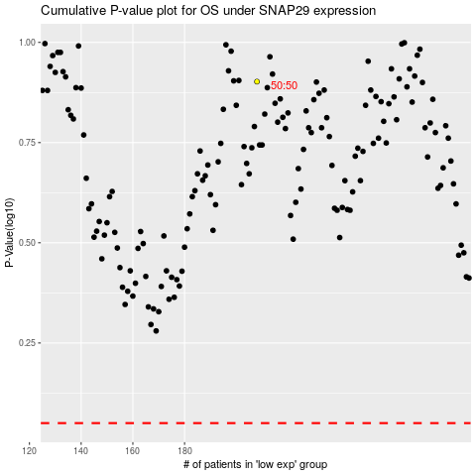

 |  |  |  |  |  | cases_OS | p_OS | rank | exp
 |  |  |  |  |  |  | cases_RFS | p_RFS | rank | exp

