SNAP47 _multivariate
Reported by Tex Li-Hsing Chi. tex@gate.sinica.edu.tw 2019-08-15

Table 2. The clinicopathological features of HNSCC cohort and SNAP47 expression. (Chi square test)
Cutoff at -0.13 (49.8%)
 |  | SNAP47 expression |  | SNAP47 expression |  | (Optimised)
 | Features | Low | (%) | High | (%) | Case no | P-value | Remark | Matthews
Gender | Female | 143 | 34.5 | 163 | 39.3 | 415 | 0.0416 | 1 | 0
2 | Male | 64 | 15.4 | 45 | 10.8
Age at diagnosis | <=65y | 135 | 32.5 | 139 | 33.5 | 415 | 0.8084 | 0 | 0
4 | >65y | 72 | 17.3 | 69 | 16.6
Clinical T Status | T1+T2 | 78 | 18.8 | 71 | 17.1 | 415 | 0.5152 | 0 | 0
6 | T3+T4 | 129 | 31.1 | 137 | 33
Clinical N Status | N0 | 111 | 26.7 | 105 | 25.3 | 415 | 0.5875 | 0 | 0
8 | N1-3 | 96 | 23.1 | 103 | 24.8
Clinical M Status | M0 | 205 | 49.4 | 207 | 49.9 | 415 | 0.6232 | 0 | 0
10 | M1 | 2 | 0.5 | 1 | 0.2
Clinical Stage | Stage I+II | 56 | 13.5 | 46 | 11.1 | 415 | 0.2918 | 0 | 0
12 | Stage III+IV | 151 | 36.4 | 162 | 39
Surgical Margin status | Negative | 151 | 36.4 | 167 | 40.2 | 415 | 0.0828 | 0 | 0
14 | Positive | 56 | 13.5 | 41 | 9.9
Tobacco Exposure | Low | 99 | 23.9 | 62 | 14.9 | 415 | 2e-04 | 1 | 0
16 | High | 108 | 26 | 146 | 35.2

Table 3. Univariate/Multivariate Cox's proportional hazards regression analyses on OS time of SNAP47 gene expression in HNSCC

 |  | Univariate |  |  |  | Multivariate
 | Features | HR | CI95%(L) | CI95%(H) | P-value | HR | CI95%(L) | CI95%(H) | P-value
1 | Female | 1 |  |  |  | 1
Gender | Male | 1.157 | 0.843 | 1.587 | 0.367 | 1.204 | 0.861 | 1.684 | 0.277
11 | <=65y | 1 |  |  |  | 1
Age at diagnosis | >65y | 1.329 | 0.99 | 1.784 | 0.058 | 1.392 | 1.024 | 1.893 | 0.035
12 | T1+T2 | 1 |  |  |  | 1
Clinical T Status | T3+T4 | 1.409 | 1.028 | 1.931 | 0.033 | 2.208 | 1.167 | 4.177 | 0.015
13 | N0 | 1 |  |  |  | 1
Clinical N Status | N1-3 | 1.185 | 0.89 | 1.577 | 0.246 | 1.241 | 0.87 | 1.771 | 0.233
14 | M0 | 1 |  |  |  | 1
Clinical M Status | M1 | 4.097 | 1.009 | 16.644 | 0.049 | 9.456 | 2.061 | 43.389 | 0.004
15 | Stage I+II | 1 |  |  |  | 1
Clinical Stage | Stage III+IV | 1.245 | 0.882 | 1.759 | 0.213 | 0.502 | 0.234 | 1.08 | 0.078
16 | Negative | 1 |  |  |  | 1
Surgical Margin status | Positive | 1.591 | 1.155 | 2.191 | 0.004 | 1.673 | 1.211 | 2.312 | 0.002
17 | Low | 1 |  |  |  | 1
Tobacco Exposure | High | 1.364 | 1.008 | 1.844 | 0.044 | 1.447 | 1.046 | 2 | 0.025
18 | Low | 1 |  |  |  | 1
RNAseq(z-score) | High | 1.043 | 0.783 | 1.39 | 0.773 | 1.028 | 0.766 | 1.378 | 0.855

Table 4. Univariate/Multivariate Cox's proportional hazards regression analyses on RFS time of SNAP47 gene expression in HNSCC

 |  | Univariate |  |  |  | Multivariate
 | Features | HR | CI95%(L) | CI95%(H) | P-value | HR | CI95%(L) | CI95%(H) | P-value
1 | Female | 1 |  |  |  | 1
Gender | Male | 1.157 | 0.843 | 1.587 | 0.367 | 1.204 | 0.861 | 1.684 | 0.277
11 | <=65y | 1 |  |  |  | 1
Age at diagnosis | >65y | 1.329 | 0.99 | 1.784 | 0.058 | 1.392 | 1.024 | 1.893 | 0.035
12 | T1+T2 | 1 |  |  |  | 1
Clinical T Status | T3+T4 | 1.409 | 1.028 | 1.931 | 0.033 | 2.208 | 1.167 | 4.177 | 0.015
13 | N0 | 1 |  |  |  | 1
Clinical N Status | N1-3 | 1.185 | 0.89 | 1.577 | 0.246 | 1.241 | 0.87 | 1.771 | 0.233
14 | M0 | 1 |  |  |  | 1
Clinical M Status | M1 | 4.097 | 1.009 | 16.644 | 0.049 | 9.456 | 2.061 | 43.389 | 0.004
15 | Stage I+II | 1 |  |  |  | 1
Clinical Stage | Stage III+IV | 1.245 | 0.882 | 1.759 | 0.213 | 0.502 | 0.234 | 1.08 | 0.078
16 | Negative | 1 |  |  |  | 1
Surgical Margin status | Positive | 1.591 | 1.155 | 2.191 | 0.004 | 1.673 | 1.211 | 2.312 | 0.002
17 | Low | 1 |  |  |  | 1
Tobacco Exposure | High | 1.364 | 1.008 | 1.844 | 0.044 | 1.447 | 1.046 | 2 | 0.025
18 | Low | 1 |  |  |  | 1
RNAseq(z-score) | High | 1.043 | 0.783 | 1.39 | 0.773 | 1.028 | 0.766 | 1.378 | 0.855

Kaplan-Meier survival estimate: Cutoff at -0.13 (49.8%)



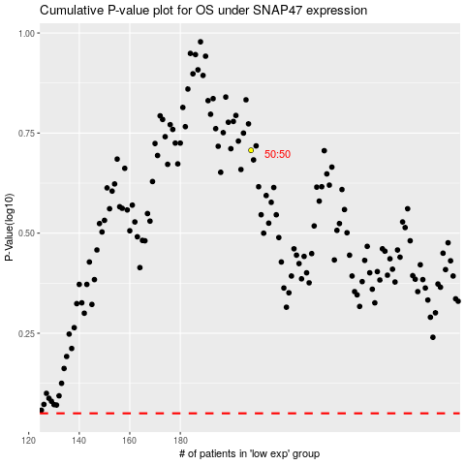

 |  |  |  |  |  | cases_OS | p_OS | rank | exp
 |  |  |  |  |  |  | cases_RFS | p_RFS | rank | exp

