SNAPC2 _multivariate
Reported by Tex Li-Hsing Chi. tex@gate.sinica.edu.tw 2019-08-15

Table 2. The clinicopathological features of HNSCC cohort and SNAPC2 expression. (Chi square test)
Cutoff at 0.17 (65.7%)
 |  | SNAPC2 expression |  | SNAPC2 expression |  | (Optimised)
 | Features | Low | (%) | High | (%) | Case no | P-value | Remark | Matthews
Gender | Female | 191 | 46 | 115 | 27.7 | 415 | 0.0213 | 1 | 0
2 | Male | 82 | 19.8 | 27 | 6.5
Age at diagnosis | <=65y | 181 | 43.6 | 93 | 22.4 | 415 | 0.9557 | 0 | 0
4 | >65y | 92 | 22.2 | 49 | 11.8
Clinical T Status | T1+T2 | 103 | 24.8 | 46 | 11.1 | 415 | 0.3336 | 0 | 0
6 | T3+T4 | 170 | 41 | 96 | 23.1
Clinical N Status | N0 | 136 | 32.8 | 80 | 19.3 | 415 | 0.2468 | 0 | 0
8 | N1-3 | 137 | 33 | 62 | 14.9
Clinical M Status | M0 | 270 | 65.1 | 142 | 34.2 | 415 | 0.5542 | 0 | 0
10 | M1 | 3 | 0.7 | 0 | 0
Clinical Stage | Stage I+II | 67 | 16.1 | 35 | 8.4 | 415 | 1 | 0 | 0
12 | Stage III+IV | 206 | 49.6 | 107 | 25.8
Surgical Margin status | Negative | 203 | 48.9 | 115 | 27.7 | 415 | 0.1434 | 0 | 0
14 | Positive | 70 | 16.9 | 27 | 6.5
Tobacco Exposure | Low | 112 | 27 | 49 | 11.8 | 415 | 0.2044 | 0 | 0
16 | High | 161 | 38.8 | 93 | 22.4

Table 3. Univariate/Multivariate Cox's proportional hazards regression analyses on OS time of SNAPC2 gene expression in HNSCC

 |  | Univariate |  |  |  | Multivariate
 | Features | HR | CI95%(L) | CI95%(H) | P-value | HR | CI95%(L) | CI95%(H) | P-value
1 | Female | 1 |  |  |  | 1
Gender | Male | 1.157 | 0.843 | 1.587 | 0.367 | 1.153 | 0.825 | 1.612 | 0.406
11 | <=65y | 1 |  |  |  | 1
Age at diagnosis | >65y | 1.329 | 0.99 | 1.784 | 0.058 | 1.419 | 1.044 | 1.931 | 0.026
12 | T1+T2 | 1 |  |  |  | 1
Clinical T Status | T3+T4 | 1.409 | 1.028 | 1.931 | 0.033 | 2.271 | 1.199 | 4.3 | 0.012
13 | N0 | 1 |  |  |  | 1
Clinical N Status | N1-3 | 1.185 | 0.89 | 1.577 | 0.246 | 1.239 | 0.868 | 1.768 | 0.238
14 | M0 | 1 |  |  |  | 1
Clinical M Status | M1 | 4.097 | 1.009 | 16.644 | 0.049 | 8.64 | 1.881 | 39.69 | 0.006
15 | Stage I+II | 1 |  |  |  | 1
Clinical Stage | Stage III+IV | 1.245 | 0.882 | 1.759 | 0.213 | 0.496 | 0.231 | 1.064 | 0.072
16 | Negative | 1 |  |  |  | 1
Surgical Margin status | Positive | 1.591 | 1.155 | 2.191 | 0.004 | 1.626 | 1.175 | 2.25 | 0.003
17 | Low | 1 |  |  |  | 1
Tobacco Exposure | High | 1.364 | 1.008 | 1.844 | 0.044 | 1.483 | 1.078 | 2.041 | 0.016
18 | Low | 1 |  |  |  | 1
RNAseq(z-score) | High | 0.731 | 0.535 | 1 | 0.05 | 0.726 | 0.528 | 0.999 | 0.049

Table 4. Univariate/Multivariate Cox's proportional hazards regression analyses on RFS time of SNAPC2 gene expression in HNSCC

 |  | Univariate |  |  |  | Multivariate
 | Features | HR | CI95%(L) | CI95%(H) | P-value | HR | CI95%(L) | CI95%(H) | P-value
1 | Female | 1 |  |  |  | 1
Gender | Male | 1.157 | 0.843 | 1.587 | 0.367 | 1.153 | 0.825 | 1.612 | 0.406
11 | <=65y | 1 |  |  |  | 1
Age at diagnosis | >65y | 1.329 | 0.99 | 1.784 | 0.058 | 1.419 | 1.044 | 1.931 | 0.026
12 | T1+T2 | 1 |  |  |  | 1
Clinical T Status | T3+T4 | 1.409 | 1.028 | 1.931 | 0.033 | 2.271 | 1.199 | 4.3 | 0.012
13 | N0 | 1 |  |  |  | 1
Clinical N Status | N1-3 | 1.185 | 0.89 | 1.577 | 0.246 | 1.239 | 0.868 | 1.768 | 0.238
14 | M0 | 1 |  |  |  | 1
Clinical M Status | M1 | 4.097 | 1.009 | 16.644 | 0.049 | 8.64 | 1.881 | 39.69 | 0.006
15 | Stage I+II | 1 |  |  |  | 1
Clinical Stage | Stage III+IV | 1.245 | 0.882 | 1.759 | 0.213 | 0.496 | 0.231 | 1.064 | 0.072
16 | Negative | 1 |  |  |  | 1
Surgical Margin status | Positive | 1.591 | 1.155 | 2.191 | 0.004 | 1.626 | 1.175 | 2.25 | 0.003
17 | Low | 1 |  |  |  | 1
Tobacco Exposure | High | 1.364 | 1.008 | 1.844 | 0.044 | 1.483 | 1.078 | 2.041 | 0.016
18 | Low | 1 |  |  |  | 1
RNAseq(z-score) | High | 0.731 | 0.535 | 1 | 0.05 | 0.726 | 0.528 | 0.999 | 0.049

Kaplan-Meier survival estimate: Cutoff at 0.17 (65.7%)



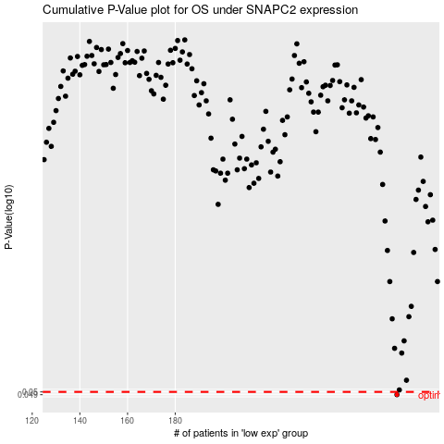

 |  |  |  |  |  | cases_OS | p_OS | rank | exp
 |  |  |  |  |  | 273 | 0.049 | 246 | 0.17027225969
 |  |  |  |  |  |  | cases_RFS | p_RFS | rank | exp
 |  |  |  |  |  |  | 272 | 0.049 | 398 | 0.16299462392

