SNAPC5 _multivariate
Reported by Tex Li-Hsing Chi. tex@gate.sinica.edu.tw 2019-08-15

Table 2. The clinicopathological features of HNSCC cohort and SNAPC5 expression. (Chi square test)
Cutoff at -0.191 (49.8%)
 |  | SNAPC5 expression |  | SNAPC5 expression |  | (Optimised)
 | Features | Low | (%) | High | (%) | Case no | P-value | Remark | Matthews
Gender | Female | 143 | 34.5 | 163 | 39.3 | 415 | 0.0416 | 1 | 0
2 | Male | 64 | 15.4 | 45 | 10.8
Age at diagnosis | <=65y | 131 | 31.6 | 143 | 34.5 | 415 | 0.2839 | 0 | 0
4 | >65y | 76 | 18.3 | 65 | 15.7
Clinical T Status | T1+T2 | 76 | 18.3 | 73 | 17.6 | 415 | 0.8092 | 0 | 0
6 | T3+T4 | 131 | 31.6 | 135 | 32.5
Clinical N Status | N0 | 111 | 26.7 | 105 | 25.3 | 415 | 0.5875 | 0 | 0
8 | N1-3 | 96 | 23.1 | 103 | 24.8
Clinical M Status | M0 | 207 | 49.9 | 205 | 49.4 | 415 | 0.2482 | 0 | 0
10 | M1 | 0 | 0 | 3 | 0.7
Clinical Stage | Stage I+II | 57 | 13.7 | 45 | 10.8 | 415 | 0.1998 | 0 | 0
12 | Stage III+IV | 150 | 36.1 | 163 | 39.3
Surgical Margin status | Negative | 165 | 39.8 | 153 | 36.9 | 415 | 0.1639 | 0 | 0
14 | Positive | 42 | 10.1 | 55 | 13.3
Tobacco Exposure | Low | 92 | 22.2 | 69 | 16.6 | 415 | 0.0206 | 1 | 0
16 | High | 115 | 27.7 | 139 | 33.5

Table 3. Univariate/Multivariate Cox's proportional hazards regression analyses on OS time of SNAPC5 gene expression in HNSCC

 |  | Univariate |  |  |  | Multivariate
 | Features | HR | CI95%(L) | CI95%(H) | P-value | HR | CI95%(L) | CI95%(H) | P-value
1 | Female | 1 |  |  |  | 1
Gender | Male | 1.157 | 0.843 | 1.587 | 0.367 | 1.174 | 0.838 | 1.645 | 0.35
11 | <=65y | 1 |  |  |  | 1
Age at diagnosis | >65y | 1.329 | 0.99 | 1.784 | 0.058 | 1.386 | 1.019 | 1.885 | 0.037
12 | T1+T2 | 1 |  |  |  | 1
Clinical T Status | T3+T4 | 1.409 | 1.028 | 1.931 | 0.033 | 2.193 | 1.16 | 4.146 | 0.016
13 | N0 | 1 |  |  |  | 1
Clinical N Status | N1-3 | 1.185 | 0.89 | 1.577 | 0.246 | 1.228 | 0.862 | 1.752 | 0.256
14 | M0 | 1 |  |  |  | 1
Clinical M Status | M1 | 4.097 | 1.009 | 16.644 | 0.049 | 10.223 | 2.216 | 47.162 | 0.003
15 | Stage I+II | 1 |  |  |  | 1
Clinical Stage | Stage III+IV | 1.245 | 0.882 | 1.759 | 0.213 | 0.524 | 0.243 | 1.127 | 0.098
16 | Negative | 1 |  |  |  | 1
Surgical Margin status | Positive | 1.591 | 1.155 | 2.191 | 0.004 | 1.715 | 1.238 | 2.375 | 0.001
17 | Low | 1 |  |  |  | 1
Tobacco Exposure | High | 1.364 | 1.008 | 1.844 | 0.044 | 1.468 | 1.064 | 2.026 | 0.019
18 | Low | 1 |  |  |  | 1
RNAseq(z-score) | High | 0.902 | 0.677 | 1.202 | 0.482 | 0.833 | 0.617 | 1.124 | 0.232

Table 4. Univariate/Multivariate Cox's proportional hazards regression analyses on RFS time of SNAPC5 gene expression in HNSCC

 |  | Univariate |  |  |  | Multivariate
 | Features | HR | CI95%(L) | CI95%(H) | P-value | HR | CI95%(L) | CI95%(H) | P-value
1 | Female | 1 |  |  |  | 1
Gender | Male | 1.157 | 0.843 | 1.587 | 0.367 | 1.174 | 0.838 | 1.645 | 0.35
11 | <=65y | 1 |  |  |  | 1
Age at diagnosis | >65y | 1.329 | 0.99 | 1.784 | 0.058 | 1.386 | 1.019 | 1.885 | 0.037
12 | T1+T2 | 1 |  |  |  | 1
Clinical T Status | T3+T4 | 1.409 | 1.028 | 1.931 | 0.033 | 2.193 | 1.16 | 4.146 | 0.016
13 | N0 | 1 |  |  |  | 1
Clinical N Status | N1-3 | 1.185 | 0.89 | 1.577 | 0.246 | 1.228 | 0.862 | 1.752 | 0.256
14 | M0 | 1 |  |  |  | 1
Clinical M Status | M1 | 4.097 | 1.009 | 16.644 | 0.049 | 10.223 | 2.216 | 47.162 | 0.003
15 | Stage I+II | 1 |  |  |  | 1
Clinical Stage | Stage III+IV | 1.245 | 0.882 | 1.759 | 0.213 | 0.524 | 0.243 | 1.127 | 0.098
16 | Negative | 1 |  |  |  | 1
Surgical Margin status | Positive | 1.591 | 1.155 | 2.191 | 0.004 | 1.715 | 1.238 | 2.375 | 0.001
17 | Low | 1 |  |  |  | 1
Tobacco Exposure | High | 1.364 | 1.008 | 1.844 | 0.044 | 1.468 | 1.064 | 2.026 | 0.019
18 | Low | 1 |  |  |  | 1
RNAseq(z-score) | High | 0.902 | 0.677 | 1.202 | 0.482 | 0.833 | 0.617 | 1.124 | 0.232

Kaplan-Meier survival estimate: Cutoff at -0.191 (49.8%)



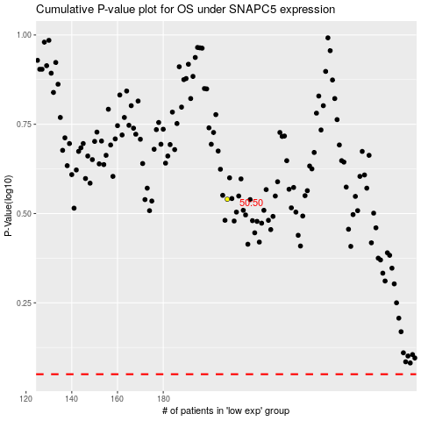

 |  |  |  |  |  | cases_OS | p_OS | rank | exp
 |  |  |  |  |  |  | cases_RFS | p_RFS | rank | exp

