SNAPIN _multivariate
Reported by Tex Li-Hsing Chi. tex@gate.sinica.edu.tw 2019-08-15

Table 2. The clinicopathological features of HNSCC cohort and SNAPIN expression. (Chi square test)
Cutoff at -0.31 (49.8%)
 |  | SNAPIN expression |  | SNAPIN expression |  | (Optimised)
 | Features | Low | (%) | High | (%) | Case no | P-value | Remark | Matthews
Gender | Female | 149 | 35.9 | 157 | 37.8 | 415 | 0.4848 | 0 | 0
2 | Male | 58 | 14 | 51 | 12.3
Age at diagnosis | <=65y | 127 | 30.6 | 147 | 35.4 | 415 | 0.0573 | 0 | 0
4 | >65y | 80 | 19.3 | 61 | 14.7
Clinical T Status | T1+T2 | 76 | 18.3 | 73 | 17.6 | 415 | 0.8092 | 0 | 0
6 | T3+T4 | 131 | 31.6 | 135 | 32.5
Clinical N Status | N0 | 104 | 25.1 | 112 | 27 | 415 | 0.5243 | 0 | 0
8 | N1-3 | 103 | 24.8 | 96 | 23.1
Clinical M Status | M0 | 206 | 49.6 | 206 | 49.6 | 415 | 1 | 0 | 0
10 | M1 | 1 | 0.2 | 2 | 0.5
Clinical Stage | Stage I+II | 58 | 14 | 44 | 10.6 | 415 | 0.131 | 0 | 0
12 | Stage III+IV | 149 | 35.9 | 164 | 39.5
Surgical Margin status | Negative | 166 | 40 | 152 | 36.6 | 415 | 0.1042 | 0 | 0
14 | Positive | 41 | 9.9 | 56 | 13.5
Tobacco Exposure | Low | 87 | 21 | 74 | 17.8 | 415 | 0.1911 | 0 | 0
16 | High | 120 | 28.9 | 134 | 32.3

Table 3. Univariate/Multivariate Cox's proportional hazards regression analyses on OS time of SNAPIN gene expression in HNSCC

 |  | Univariate |  |  |  | Multivariate
 | Features | HR | CI95%(L) | CI95%(H) | P-value | HR | CI95%(L) | CI95%(H) | P-value
1 | Female | 1 |  |  |  | 1
Gender | Male | 1.157 | 0.843 | 1.587 | 0.367 | 1.204 | 0.862 | 1.683 | 0.276
11 | <=65y | 1 |  |  |  | 1
Age at diagnosis | >65y | 1.329 | 0.99 | 1.784 | 0.058 | 1.364 | 0.998 | 1.864 | 0.052
12 | T1+T2 | 1 |  |  |  | 1
Clinical T Status | T3+T4 | 1.409 | 1.028 | 1.931 | 0.033 | 2.18 | 1.153 | 4.124 | 0.017
13 | N0 | 1 |  |  |  | 1
Clinical N Status | N1-3 | 1.185 | 0.89 | 1.577 | 0.246 | 1.222 | 0.855 | 1.748 | 0.271
14 | M0 | 1 |  |  |  | 1
Clinical M Status | M1 | 4.097 | 1.009 | 16.644 | 0.049 | 9.652 | 2.102 | 44.323 | 0.004
15 | Stage I+II | 1 |  |  |  | 1
Clinical Stage | Stage III+IV | 1.245 | 0.882 | 1.759 | 0.213 | 0.522 | 0.242 | 1.127 | 0.098
16 | Negative | 1 |  |  |  | 1
Surgical Margin status | Positive | 1.591 | 1.155 | 2.191 | 0.004 | 1.7 | 1.226 | 2.357 | 0.001
17 | Low | 1 |  |  |  | 1
Tobacco Exposure | High | 1.364 | 1.008 | 1.844 | 0.044 | 1.48 | 1.069 | 2.049 | 0.018
18 | Low | 1 |  |  |  | 1
RNAseq(z-score) | High | 0.96 | 0.721 | 1.278 | 0.78 | 0.898 | 0.663 | 1.218 | 0.49

Table 4. Univariate/Multivariate Cox's proportional hazards regression analyses on RFS time of SNAPIN gene expression in HNSCC

 |  | Univariate |  |  |  | Multivariate
 | Features | HR | CI95%(L) | CI95%(H) | P-value | HR | CI95%(L) | CI95%(H) | P-value
1 | Female | 1 |  |  |  | 1
Gender | Male | 1.157 | 0.843 | 1.587 | 0.367 | 1.204 | 0.862 | 1.683 | 0.276
11 | <=65y | 1 |  |  |  | 1
Age at diagnosis | >65y | 1.329 | 0.99 | 1.784 | 0.058 | 1.364 | 0.998 | 1.864 | 0.052
12 | T1+T2 | 1 |  |  |  | 1
Clinical T Status | T3+T4 | 1.409 | 1.028 | 1.931 | 0.033 | 2.18 | 1.153 | 4.124 | 0.017
13 | N0 | 1 |  |  |  | 1
Clinical N Status | N1-3 | 1.185 | 0.89 | 1.577 | 0.246 | 1.222 | 0.855 | 1.748 | 0.271
14 | M0 | 1 |  |  |  | 1
Clinical M Status | M1 | 4.097 | 1.009 | 16.644 | 0.049 | 9.652 | 2.102 | 44.323 | 0.004
15 | Stage I+II | 1 |  |  |  | 1
Clinical Stage | Stage III+IV | 1.245 | 0.882 | 1.759 | 0.213 | 0.522 | 0.242 | 1.127 | 0.098
16 | Negative | 1 |  |  |  | 1
Surgical Margin status | Positive | 1.591 | 1.155 | 2.191 | 0.004 | 1.7 | 1.226 | 2.357 | 0.001
17 | Low | 1 |  |  |  | 1
Tobacco Exposure | High | 1.364 | 1.008 | 1.844 | 0.044 | 1.48 | 1.069 | 2.049 | 0.018
18 | Low | 1 |  |  |  | 1
RNAseq(z-score) | High | 0.96 | 0.721 | 1.278 | 0.78 | 0.898 | 0.663 | 1.218 | 0.49

Kaplan-Meier survival estimate: Cutoff at -0.31 (49.8%)



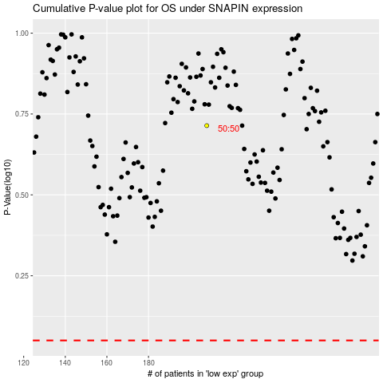

 |  |  |  |  |  | cases_OS | p_OS | rank | exp
 |  |  |  |  |  |  | cases_RFS | p_RFS | rank | exp

