SNF8 _multivariate
Reported by Tex Li-Hsing Chi. tex@gate.sinica.edu.tw 2019-08-15

Table 2. The clinicopathological features of HNSCC cohort and SNF8 expression. (Chi square test)
Cutoff at 0.074 (69.8%)
 |  | SNF8 expression |  | SNF8 expression |  | (Optimised)
 | Features | Low | (%) | High | (%) | Case no | P-value | Remark | Matthews
Gender | Female | 207 | 49.9 | 99 | 23.9 | 415 | 0.1237 | 0 | 0
2 | Male | 83 | 20 | 26 | 6.3
Age at diagnosis | <=65y | 191 | 46 | 83 | 20 | 415 | 1 | 0 | 0
4 | >65y | 99 | 23.9 | 42 | 10.1
Clinical T Status | T1+T2 | 107 | 25.8 | 42 | 10.1 | 415 | 0.5956 | 0 | 0
6 | T3+T4 | 183 | 44.1 | 83 | 20
Clinical N Status | N0 | 151 | 36.4 | 65 | 15.7 | 415 | 1 | 0 | 0
8 | N1-3 | 139 | 33.5 | 60 | 14.5
Clinical M Status | M0 | 290 | 69.9 | 122 | 29.4 | 415 | 0.0269 | 1 | 0
10 | M1 | 0 | 0 | 3 | 0.7
Clinical Stage | Stage I+II | 75 | 18.1 | 27 | 6.5 | 415 | 0.4232 | 0 | 0
12 | Stage III+IV | 215 | 51.8 | 98 | 23.6
Surgical Margin status | Negative | 229 | 55.2 | 89 | 21.4 | 415 | 0.1003 | 0 | 0
14 | Positive | 61 | 14.7 | 36 | 8.7
Tobacco Exposure | Low | 121 | 29.2 | 40 | 9.6 | 415 | 0.0633 | 0 | 0
16 | High | 169 | 40.7 | 85 | 20.5

Table 3. Univariate/Multivariate Cox's proportional hazards regression analyses on OS time of SNF8 gene expression in HNSCC

 |  | Univariate |  |  |  | Multivariate
 | Features | HR | CI95%(L) | CI95%(H) | P-value | HR | CI95%(L) | CI95%(H) | P-value
1 | Female | 1 |  |  |  | 1
Gender | Male | 1.157 | 0.843 | 1.587 | 0.367 | 1.205 | 0.861 | 1.686 | 0.277
11 | <=65y | 1 |  |  |  | 1
Age at diagnosis | >65y | 1.329 | 0.99 | 1.784 | 0.058 | 1.374 | 1.011 | 1.868 | 0.043
12 | T1+T2 | 1 |  |  |  | 1
Clinical T Status | T3+T4 | 1.409 | 1.028 | 1.931 | 0.033 | 2.203 | 1.165 | 4.163 | 0.015
13 | N0 | 1 |  |  |  | 1
Clinical N Status | N1-3 | 1.185 | 0.89 | 1.577 | 0.246 | 1.253 | 0.878 | 1.789 | 0.213
14 | M0 | 1 |  |  |  | 1
Clinical M Status | M1 | 4.097 | 1.009 | 16.644 | 0.049 | 8.109 | 1.74 | 37.793 | 0.008
15 | Stage I+II | 1 |  |  |  | 1
Clinical Stage | Stage III+IV | 1.245 | 0.882 | 1.759 | 0.213 | 0.507 | 0.236 | 1.088 | 0.081
16 | Negative | 1 |  |  |  | 1
Surgical Margin status | Positive | 1.591 | 1.155 | 2.191 | 0.004 | 1.624 | 1.172 | 2.25 | 0.004
17 | Low | 1 |  |  |  | 1
Tobacco Exposure | High | 1.364 | 1.008 | 1.844 | 0.044 | 1.423 | 1.03 | 1.965 | 0.032
18 | Low | 1 |  |  |  | 1
RNAseq(z-score) | High | 1.365 | 1.006 | 1.852 | 0.046 | 1.223 | 0.892 | 1.676 | 0.212

Table 4. Univariate/Multivariate Cox's proportional hazards regression analyses on RFS time of SNF8 gene expression in HNSCC

 |  | Univariate |  |  |  | Multivariate
 | Features | HR | CI95%(L) | CI95%(H) | P-value | HR | CI95%(L) | CI95%(H) | P-value
1 | Female | 1 |  |  |  | 1
Gender | Male | 1.157 | 0.843 | 1.587 | 0.367 | 1.205 | 0.861 | 1.686 | 0.277
11 | <=65y | 1 |  |  |  | 1
Age at diagnosis | >65y | 1.329 | 0.99 | 1.784 | 0.058 | 1.374 | 1.011 | 1.868 | 0.043
12 | T1+T2 | 1 |  |  |  | 1
Clinical T Status | T3+T4 | 1.409 | 1.028 | 1.931 | 0.033 | 2.203 | 1.165 | 4.163 | 0.015
13 | N0 | 1 |  |  |  | 1
Clinical N Status | N1-3 | 1.185 | 0.89 | 1.577 | 0.246 | 1.253 | 0.878 | 1.789 | 0.213
14 | M0 | 1 |  |  |  | 1
Clinical M Status | M1 | 4.097 | 1.009 | 16.644 | 0.049 | 8.109 | 1.74 | 37.793 | 0.008
15 | Stage I+II | 1 |  |  |  | 1
Clinical Stage | Stage III+IV | 1.245 | 0.882 | 1.759 | 0.213 | 0.507 | 0.236 | 1.088 | 0.081
16 | Negative | 1 |  |  |  | 1
Surgical Margin status | Positive | 1.591 | 1.155 | 2.191 | 0.004 | 1.624 | 1.172 | 2.25 | 0.004
17 | Low | 1 |  |  |  | 1
Tobacco Exposure | High | 1.364 | 1.008 | 1.844 | 0.044 | 1.423 | 1.03 | 1.965 | 0.032
18 | Low | 1 |  |  |  | 1
RNAseq(z-score) | High | 1.365 | 1.006 | 1.852 | 0.046 | 1.223 | 0.892 | 1.676 | 0.212

Kaplan-Meier survival estimate: Cutoff at 0.074 (69.8%)



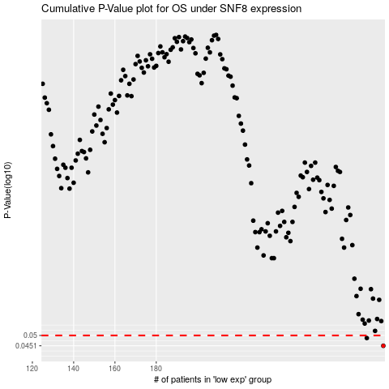

 |  |  |  |  |  | cases_OS | p_OS | rank | exp
 |  |  |  |  |  | 290 | 0.0451 | 123 | 0.074011246544
 |  |  |  |  |  | 282 | 0.0487 | 323 | 0.037444046648
 |  |  |  |  |  |  | cases_RFS | p_RFS | rank | exp
 |  |  |  |  |  |  | 289 | 0.0451 | 347 | 0.070006719994
 |  |  |  |  |  |  | 281 | 0.0487 | 104 | 0.035452261402

