SNHG3 _multivariate
Reported by Tex Li-Hsing Chi. tex@gate.sinica.edu.tw 2019-08-15

Table 2. The clinicopathological features of HNSCC cohort and SNHG3 expression. (Chi square test)
Cutoff at -0.291 (50.0%)
 |  | SNHG3 expression |  | SNHG3 expression |  | (Optimised)
 | Features | Low | (%) | High | (%) | Case no | P-value | Remark | Matthews
Gender | Female | 147 | 35.4 | 159 | 38.3 | 415 | 0.2523 | 0 | 0
2 | Male | 60 | 14.5 | 49 | 11.8
Age at diagnosis | <=65y | 137 | 33 | 137 | 33 | 415 | 1 | 0 | 0
4 | >65y | 70 | 16.9 | 71 | 17.1
Clinical T Status | T1+T2 | 78 | 18.8 | 71 | 17.1 | 415 | 0.5152 | 0 | 0
6 | T3+T4 | 129 | 31.1 | 137 | 33
Clinical N Status | N0 | 109 | 26.3 | 107 | 25.8 | 415 | 0.8812 | 0 | 0
8 | N1-3 | 98 | 23.6 | 101 | 24.3
Clinical M Status | M0 | 207 | 49.9 | 205 | 49.4 | 415 | 0.2482 | 0 | 0
10 | M1 | 0 | 0 | 3 | 0.7
Clinical Stage | Stage I+II | 54 | 13 | 48 | 11.6 | 415 | 0.5498 | 0 | 0
12 | Stage III+IV | 153 | 36.9 | 160 | 38.6
Surgical Margin status | Negative | 164 | 39.5 | 154 | 37.1 | 415 | 0.2462 | 0 | 0
14 | Positive | 43 | 10.4 | 54 | 13
Tobacco Exposure | Low | 85 | 20.5 | 76 | 18.3 | 415 | 0.3655 | 0 | 0
16 | High | 122 | 29.4 | 132 | 31.8

Table 3. Univariate/Multivariate Cox's proportional hazards regression analyses on OS time of SNHG3 gene expression in HNSCC

 |  | Univariate |  |  |  | Multivariate
 | Features | HR | CI95%(L) | CI95%(H) | P-value | HR | CI95%(L) | CI95%(H) | P-value
1 | Female | 1 |  |  |  | 1
Gender | Male | 1.157 | 0.843 | 1.587 | 0.367 | 1.197 | 0.858 | 1.669 | 0.29
11 | <=65y | 1 |  |  |  | 1
Age at diagnosis | >65y | 1.329 | 0.99 | 1.784 | 0.058 | 1.436 | 1.054 | 1.956 | 0.022
12 | T1+T2 | 1 |  |  |  | 1
Clinical T Status | T3+T4 | 1.409 | 1.028 | 1.931 | 0.033 | 2.233 | 1.181 | 4.221 | 0.013
13 | N0 | 1 |  |  |  | 1
Clinical N Status | N1-3 | 1.185 | 0.89 | 1.577 | 0.246 | 1.258 | 0.882 | 1.795 | 0.206
14 | M0 | 1 |  |  |  | 1
Clinical M Status | M1 | 4.097 | 1.009 | 16.644 | 0.049 | 11.293 | 2.436 | 52.355 | 0.002
15 | Stage I+II | 1 |  |  |  | 1
Clinical Stage | Stage III+IV | 1.245 | 0.882 | 1.759 | 0.213 | 0.498 | 0.232 | 1.069 | 0.074
16 | Negative | 1 |  |  |  | 1
Surgical Margin status | Positive | 1.591 | 1.155 | 2.191 | 0.004 | 1.718 | 1.241 | 2.377 | 0.001
17 | Low | 1 |  |  |  | 1
Tobacco Exposure | High | 1.364 | 1.008 | 1.844 | 0.044 | 1.526 | 1.104 | 2.109 | 0.011
18 | Low | 1 |  |  |  | 1
RNAseq(z-score) | High | 0.84 | 0.628 | 1.123 | 0.238 | 0.732 | 0.544 | 0.987 | 0.041

Table 4. Univariate/Multivariate Cox's proportional hazards regression analyses on RFS time of SNHG3 gene expression in HNSCC

 |  | Univariate |  |  |  | Multivariate
 | Features | HR | CI95%(L) | CI95%(H) | P-value | HR | CI95%(L) | CI95%(H) | P-value
1 | Female | 1 |  |  |  | 1
Gender | Male | 1.157 | 0.843 | 1.587 | 0.367 | 1.197 | 0.858 | 1.669 | 0.29
11 | <=65y | 1 |  |  |  | 1
Age at diagnosis | >65y | 1.329 | 0.99 | 1.784 | 0.058 | 1.436 | 1.054 | 1.956 | 0.022
12 | T1+T2 | 1 |  |  |  | 1
Clinical T Status | T3+T4 | 1.409 | 1.028 | 1.931 | 0.033 | 2.233 | 1.181 | 4.221 | 0.013
13 | N0 | 1 |  |  |  | 1
Clinical N Status | N1-3 | 1.185 | 0.89 | 1.577 | 0.246 | 1.258 | 0.882 | 1.795 | 0.206
14 | M0 | 1 |  |  |  | 1
Clinical M Status | M1 | 4.097 | 1.009 | 16.644 | 0.049 | 11.293 | 2.436 | 52.355 | 0.002
15 | Stage I+II | 1 |  |  |  | 1
Clinical Stage | Stage III+IV | 1.245 | 0.882 | 1.759 | 0.213 | 0.498 | 0.232 | 1.069 | 0.074
16 | Negative | 1 |  |  |  | 1
Surgical Margin status | Positive | 1.591 | 1.155 | 2.191 | 0.004 | 1.718 | 1.241 | 2.377 | 0.001
17 | Low | 1 |  |  |  | 1
Tobacco Exposure | High | 1.364 | 1.008 | 1.844 | 0.044 | 1.526 | 1.104 | 2.109 | 0.011
18 | Low | 1 |  |  |  | 1
RNAseq(z-score) | High | 0.84 | 0.628 | 1.123 | 0.238 | 0.732 | 0.544 | 0.987 | 0.041

Kaplan-Meier survival estimate: Cutoff at -0.291 (50.0%)



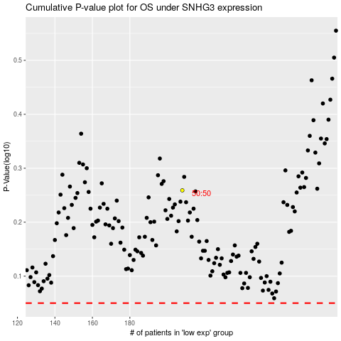

 |  |  |  |  |  | cases_OS | p_OS | rank | exp
 |  |  |  |  |  |  | cases_RFS | p_RFS | rank | exp

