SNHG5 _multivariate
Reported by Tex Li-Hsing Chi. tex@gate.sinica.edu.tw 2019-08-15

Table 2. The clinicopathological features of HNSCC cohort and SNHG5 expression. (Chi square test)
Cutoff at -0.083 (63.0%)
 |  | SNHG5 expression |  | SNHG5 expression |  | (Optimised)
 | Features | Low | (%) | High | (%) | Case no | P-value | Remark | Matthews
Gender | Female | 187 | 45.1 | 119 | 28.7 | 415 | 0.1887 | 0 | 0
2 | Male | 75 | 18.1 | 34 | 8.2
Age at diagnosis | <=65y | 177 | 42.7 | 97 | 23.4 | 415 | 0.4499 | 0 | 0
4 | >65y | 85 | 20.5 | 56 | 13.5
Clinical T Status | T1+T2 | 93 | 22.4 | 56 | 13.5 | 415 | 0.9042 | 0 | 0
6 | T3+T4 | 169 | 40.7 | 97 | 23.4
Clinical N Status | N0 | 139 | 33.5 | 77 | 18.6 | 415 | 0.6639 | 0 | 0
8 | N1-3 | 123 | 29.6 | 76 | 18.3
Clinical M Status | M0 | 261 | 62.9 | 151 | 36.4 | 415 | 0.5577 | 0 | 0
10 | M1 | 1 | 0.2 | 2 | 0.5
Clinical Stage | Stage I+II | 66 | 15.9 | 36 | 8.7 | 415 | 0.794 | 0 | 0
12 | Stage III+IV | 196 | 47.2 | 117 | 28.2
Surgical Margin status | Negative | 204 | 49.2 | 114 | 27.5 | 415 | 0.4714 | 0 | 0
14 | Positive | 58 | 14 | 39 | 9.4
Tobacco Exposure | Low | 106 | 25.5 | 55 | 13.3 | 415 | 0.4039 | 0 | 0
16 | High | 156 | 37.6 | 98 | 23.6

Table 3. Univariate/Multivariate Cox's proportional hazards regression analyses on OS time of SNHG5 gene expression in HNSCC

 |  | Univariate |  |  |  | Multivariate
 | Features | HR | CI95%(L) | CI95%(H) | P-value | HR | CI95%(L) | CI95%(H) | P-value
1 | Female | 1 |  |  |  | 1
Gender | Male | 1.157 | 0.843 | 1.587 | 0.367 | 1.215 | 0.867 | 1.702 | 0.258
11 | <=65y | 1 |  |  |  | 1
Age at diagnosis | >65y | 1.329 | 0.99 | 1.784 | 0.058 | 1.35 | 0.992 | 1.839 | 0.057
12 | T1+T2 | 1 |  |  |  | 1
Clinical T Status | T3+T4 | 1.409 | 1.028 | 1.931 | 0.033 | 2.327 | 1.23 | 4.406 | 0.009
13 | N0 | 1 |  |  |  | 1
Clinical N Status | N1-3 | 1.185 | 0.89 | 1.577 | 0.246 | 1.207 | 0.844 | 1.724 | 0.302
14 | M0 | 1 |  |  |  | 1
Clinical M Status | M1 | 4.097 | 1.009 | 16.644 | 0.049 | 9.28 | 2.023 | 42.567 | 0.004
15 | Stage I+II | 1 |  |  |  | 1
Clinical Stage | Stage III+IV | 1.245 | 0.882 | 1.759 | 0.213 | 0.486 | 0.226 | 1.042 | 0.064
16 | Negative | 1 |  |  |  | 1
Surgical Margin status | Positive | 1.591 | 1.155 | 2.191 | 0.004 | 1.677 | 1.213 | 2.317 | 0.002
17 | Low | 1 |  |  |  | 1
Tobacco Exposure | High | 1.364 | 1.008 | 1.844 | 0.044 | 1.478 | 1.069 | 2.041 | 0.018
18 | Low | 1 |  |  |  | 1
RNAseq(z-score) | High | 1.359 | 1.012 | 1.825 | 0.042 | 1.383 | 1.025 | 1.866 | 0.034

Table 4. Univariate/Multivariate Cox's proportional hazards regression analyses on RFS time of SNHG5 gene expression in HNSCC

 |  | Univariate |  |  |  | Multivariate
 | Features | HR | CI95%(L) | CI95%(H) | P-value | HR | CI95%(L) | CI95%(H) | P-value
1 | Female | 1 |  |  |  | 1
Gender | Male | 1.157 | 0.843 | 1.587 | 0.367 | 1.215 | 0.867 | 1.702 | 0.258
11 | <=65y | 1 |  |  |  | 1
Age at diagnosis | >65y | 1.329 | 0.99 | 1.784 | 0.058 | 1.35 | 0.992 | 1.839 | 0.057
12 | T1+T2 | 1 |  |  |  | 1
Clinical T Status | T3+T4 | 1.409 | 1.028 | 1.931 | 0.033 | 2.327 | 1.23 | 4.406 | 0.009
13 | N0 | 1 |  |  |  | 1
Clinical N Status | N1-3 | 1.185 | 0.89 | 1.577 | 0.246 | 1.207 | 0.844 | 1.724 | 0.302
14 | M0 | 1 |  |  |  | 1
Clinical M Status | M1 | 4.097 | 1.009 | 16.644 | 0.049 | 9.28 | 2.023 | 42.567 | 0.004
15 | Stage I+II | 1 |  |  |  | 1
Clinical Stage | Stage III+IV | 1.245 | 0.882 | 1.759 | 0.213 | 0.486 | 0.226 | 1.042 | 0.064
16 | Negative | 1 |  |  |  | 1
Surgical Margin status | Positive | 1.591 | 1.155 | 2.191 | 0.004 | 1.677 | 1.213 | 2.317 | 0.002
17 | Low | 1 |  |  |  | 1
Tobacco Exposure | High | 1.364 | 1.008 | 1.844 | 0.044 | 1.478 | 1.069 | 2.041 | 0.018
18 | Low | 1 |  |  |  | 1
RNAseq(z-score) | High | 1.359 | 1.012 | 1.825 | 0.042 | 1.383 | 1.025 | 1.866 | 0.034

Kaplan-Meier survival estimate: Cutoff at -0.083 (63.0%)



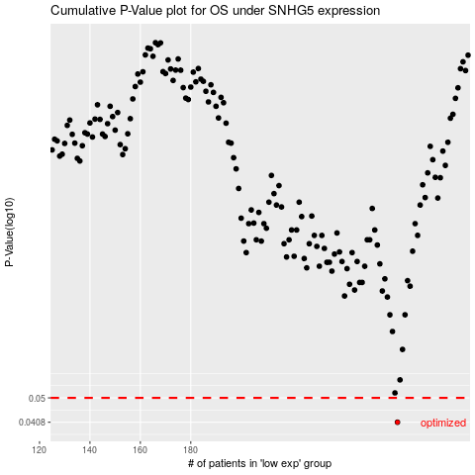

 |  |  |  |  |  | cases_OS | p_OS | rank | exp
 |  |  |  |  |  | 262 | 0.0408 | 155 | -0.083266771585
 |  |  |  |  |  |  | cases_RFS | p_RFS | rank | exp
 |  |  |  |  |  |  | 261 | 0.0408 | 112 | -0.08705518023

