SNHG7 _multivariate
Reported by Tex Li-Hsing Chi. tex@gate.sinica.edu.tw 2019-08-15

Table 2. The clinicopathological features of HNSCC cohort and SNHG7 expression. (Chi square test)
Cutoff at -0.302 (49.8%)
 |  | SNHG7 expression |  | SNHG7 expression |  | (Optimised)
 | Features | Low | (%) | High | (%) | Case no | P-value | Remark | Matthews
Gender | Female | 144 | 34.7 | 162 | 39 | 415 | 0.0697 | 0 | 0
2 | Male | 63 | 15.2 | 46 | 11.1
Age at diagnosis | <=65y | 140 | 33.7 | 134 | 32.3 | 415 | 0.5574 | 0 | 0
4 | >65y | 67 | 16.1 | 74 | 17.8
Clinical T Status | T1+T2 | 87 | 21 | 62 | 14.9 | 415 | 0.0127 | 1 | 0
6 | T3+T4 | 120 | 28.9 | 146 | 35.2
Clinical N Status | N0 | 112 | 27 | 104 | 25.1 | 415 | 0.4599 | 0 | 0
8 | N1-3 | 95 | 22.9 | 104 | 25.1
Clinical M Status | M0 | 205 | 49.4 | 207 | 49.9 | 415 | 0.6232 | 0 | 0
10 | M1 | 2 | 0.5 | 1 | 0.2
Clinical Stage | Stage I+II | 59 | 14.2 | 43 | 10.4 | 415 | 0.0822 | 0 | 0
12 | Stage III+IV | 148 | 35.7 | 165 | 39.8
Surgical Margin status | Negative | 163 | 39.3 | 155 | 37.3 | 415 | 0.3537 | 0 | 0
14 | Positive | 44 | 10.6 | 53 | 12.8
Tobacco Exposure | Low | 94 | 22.7 | 67 | 16.1 | 415 | 0.0065 | 1 | 0
16 | High | 113 | 27.2 | 141 | 34

Table 3. Univariate/Multivariate Cox's proportional hazards regression analyses on OS time of SNHG7 gene expression in HNSCC

 |  | Univariate |  |  |  | Multivariate
 | Features | HR | CI95%(L) | CI95%(H) | P-value | HR | CI95%(L) | CI95%(H) | P-value
1 | Female | 1 |  |  |  | 1
Gender | Male | 1.157 | 0.843 | 1.587 | 0.367 | 1.187 | 0.849 | 1.659 | 0.316
11 | <=65y | 1 |  |  |  | 1
Age at diagnosis | >65y | 1.329 | 0.99 | 1.784 | 0.058 | 1.418 | 1.039 | 1.933 | 0.027
12 | T1+T2 | 1 |  |  |  | 1
Clinical T Status | T3+T4 | 1.409 | 1.028 | 1.931 | 0.033 | 2.258 | 1.191 | 4.281 | 0.013
13 | N0 | 1 |  |  |  | 1
Clinical N Status | N1-3 | 1.185 | 0.89 | 1.577 | 0.246 | 1.25 | 0.876 | 1.783 | 0.219
14 | M0 | 1 |  |  |  | 1
Clinical M Status | M1 | 4.097 | 1.009 | 16.644 | 0.049 | 9.216 | 2.009 | 42.285 | 0.004
15 | Stage I+II | 1 |  |  |  | 1
Clinical Stage | Stage III+IV | 1.245 | 0.882 | 1.759 | 0.213 | 0.5 | 0.233 | 1.074 | 0.075
16 | Negative | 1 |  |  |  | 1
Surgical Margin status | Positive | 1.591 | 1.155 | 2.191 | 0.004 | 1.684 | 1.218 | 2.327 | 0.002
17 | Low | 1 |  |  |  | 1
Tobacco Exposure | High | 1.364 | 1.008 | 1.844 | 0.044 | 1.468 | 1.065 | 2.023 | 0.019
18 | Low | 1 |  |  |  | 1
RNAseq(z-score) | High | 0.993 | 0.745 | 1.323 | 0.963 | 0.886 | 0.658 | 1.193 | 0.425

Table 4. Univariate/Multivariate Cox's proportional hazards regression analyses on RFS time of SNHG7 gene expression in HNSCC

 |  | Univariate |  |  |  | Multivariate
 | Features | HR | CI95%(L) | CI95%(H) | P-value | HR | CI95%(L) | CI95%(H) | P-value
1 | Female | 1 |  |  |  | 1
Gender | Male | 1.157 | 0.843 | 1.587 | 0.367 | 1.187 | 0.849 | 1.659 | 0.316
11 | <=65y | 1 |  |  |  | 1
Age at diagnosis | >65y | 1.329 | 0.99 | 1.784 | 0.058 | 1.418 | 1.039 | 1.933 | 0.027
12 | T1+T2 | 1 |  |  |  | 1
Clinical T Status | T3+T4 | 1.409 | 1.028 | 1.931 | 0.033 | 2.258 | 1.191 | 4.281 | 0.013
13 | N0 | 1 |  |  |  | 1
Clinical N Status | N1-3 | 1.185 | 0.89 | 1.577 | 0.246 | 1.25 | 0.876 | 1.783 | 0.219
14 | M0 | 1 |  |  |  | 1
Clinical M Status | M1 | 4.097 | 1.009 | 16.644 | 0.049 | 9.216 | 2.009 | 42.285 | 0.004
15 | Stage I+II | 1 |  |  |  | 1
Clinical Stage | Stage III+IV | 1.245 | 0.882 | 1.759 | 0.213 | 0.5 | 0.233 | 1.074 | 0.075
16 | Negative | 1 |  |  |  | 1
Surgical Margin status | Positive | 1.591 | 1.155 | 2.191 | 0.004 | 1.684 | 1.218 | 2.327 | 0.002
17 | Low | 1 |  |  |  | 1
Tobacco Exposure | High | 1.364 | 1.008 | 1.844 | 0.044 | 1.468 | 1.065 | 2.023 | 0.019
18 | Low | 1 |  |  |  | 1
RNAseq(z-score) | High | 0.993 | 0.745 | 1.323 | 0.963 | 0.886 | 0.658 | 1.193 | 0.425

Kaplan-Meier survival estimate: Cutoff at -0.302 (49.8%)



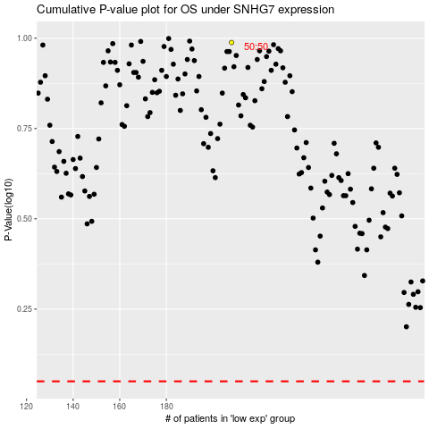

 |  |  |  |  |  | cases_OS | p_OS | rank | exp
 |  |  |  |  |  |  | cases_RFS | p_RFS | rank | exp

