SNN _multivariate
Reported by Tex Li-Hsing Chi. tex@gate.sinica.edu.tw 2019-08-15

Table 2. The clinicopathological features of HNSCC cohort and SNN expression. (Chi square test)
Cutoff at -0.068 (50.0%)
 |  | SNN expression |  | SNN expression |  | (Optimised)
 | Features | Low | (%) | High | (%) | Case no | P-value | Remark | Matthews
Gender | Female | 154 | 37.1 | 152 | 36.6 | 415 | 0.8463 | 0 | 0
2 | Male | 53 | 12.8 | 56 | 13.5
Age at diagnosis | <=65y | 139 | 33.5 | 135 | 32.5 | 415 | 0.7044 | 0 | 0
4 | >65y | 68 | 16.4 | 73 | 17.6
Clinical T Status | T1+T2 | 67 | 16.1 | 82 | 19.8 | 415 | 0.1628 | 0 | 0
6 | T3+T4 | 140 | 33.7 | 126 | 30.4
Clinical N Status | N0 | 105 | 25.3 | 111 | 26.7 | 415 | 0.6598 | 0 | 0
8 | N1-3 | 102 | 24.6 | 97 | 23.4
Clinical M Status | M0 | 206 | 49.6 | 206 | 49.6 | 415 | 1 | 0 | 0
10 | M1 | 1 | 0.2 | 2 | 0.5
Clinical Stage | Stage I+II | 47 | 11.3 | 55 | 13.3 | 415 | 0.4413 | 0 | 0
12 | Stage III+IV | 160 | 38.6 | 153 | 36.9
Surgical Margin status | Negative | 152 | 36.6 | 166 | 40 | 415 | 0.1329 | 0 | 0
14 | Positive | 55 | 13.3 | 42 | 10.1
Tobacco Exposure | Low | 64 | 15.4 | 97 | 23.4 | 415 | 0.0012 | 1 | 0
16 | High | 143 | 34.5 | 111 | 26.7

Table 3. Univariate/Multivariate Cox's proportional hazards regression analyses on OS time of SNN gene expression in HNSCC

 |  | Univariate |  |  |  | Multivariate
 | Features | HR | CI95%(L) | CI95%(H) | P-value | HR | CI95%(L) | CI95%(H) | P-value
1 | Female | 1 |  |  |  | 1
Gender | Male | 1.157 | 0.843 | 1.587 | 0.367 | 1.201 | 0.859 | 1.677 | 0.284
11 | <=65y | 1 |  |  |  | 1
Age at diagnosis | >65y | 1.329 | 0.99 | 1.784 | 0.058 | 1.397 | 1.026 | 1.903 | 0.034
12 | T1+T2 | 1 |  |  |  | 1
Clinical T Status | T3+T4 | 1.409 | 1.028 | 1.931 | 0.033 | 2.215 | 1.169 | 4.195 | 0.015
13 | N0 | 1 |  |  |  | 1
Clinical N Status | N1-3 | 1.185 | 0.89 | 1.577 | 0.246 | 1.245 | 0.872 | 1.777 | 0.229
14 | M0 | 1 |  |  |  | 1
Clinical M Status | M1 | 4.097 | 1.009 | 16.644 | 0.049 | 9.339 | 2.035 | 42.858 | 0.004
15 | Stage I+II | 1 |  |  |  | 1
Clinical Stage | Stage III+IV | 1.245 | 0.882 | 1.759 | 0.213 | 0.503 | 0.234 | 1.08 | 0.078
16 | Negative | 1 |  |  |  | 1
Surgical Margin status | Positive | 1.591 | 1.155 | 2.191 | 0.004 | 1.679 | 1.213 | 2.323 | 0.002
17 | Low | 1 |  |  |  | 1
Tobacco Exposure | High | 1.364 | 1.008 | 1.844 | 0.044 | 1.46 | 1.057 | 2.016 | 0.022
18 | Low | 1 |  |  |  | 1
RNAseq(z-score) | High | 0.914 | 0.686 | 1.217 | 0.536 | 1.038 | 0.773 | 1.393 | 0.806

Table 4. Univariate/Multivariate Cox's proportional hazards regression analyses on RFS time of SNN gene expression in HNSCC

 |  | Univariate |  |  |  | Multivariate
 | Features | HR | CI95%(L) | CI95%(H) | P-value | HR | CI95%(L) | CI95%(H) | P-value
1 | Female | 1 |  |  |  | 1
Gender | Male | 1.157 | 0.843 | 1.587 | 0.367 | 1.201 | 0.859 | 1.677 | 0.284
11 | <=65y | 1 |  |  |  | 1
Age at diagnosis | >65y | 1.329 | 0.99 | 1.784 | 0.058 | 1.397 | 1.026 | 1.903 | 0.034
12 | T1+T2 | 1 |  |  |  | 1
Clinical T Status | T3+T4 | 1.409 | 1.028 | 1.931 | 0.033 | 2.215 | 1.169 | 4.195 | 0.015
13 | N0 | 1 |  |  |  | 1
Clinical N Status | N1-3 | 1.185 | 0.89 | 1.577 | 0.246 | 1.245 | 0.872 | 1.777 | 0.229
14 | M0 | 1 |  |  |  | 1
Clinical M Status | M1 | 4.097 | 1.009 | 16.644 | 0.049 | 9.339 | 2.035 | 42.858 | 0.004
15 | Stage I+II | 1 |  |  |  | 1
Clinical Stage | Stage III+IV | 1.245 | 0.882 | 1.759 | 0.213 | 0.503 | 0.234 | 1.08 | 0.078
16 | Negative | 1 |  |  |  | 1
Surgical Margin status | Positive | 1.591 | 1.155 | 2.191 | 0.004 | 1.679 | 1.213 | 2.323 | 0.002
17 | Low | 1 |  |  |  | 1
Tobacco Exposure | High | 1.364 | 1.008 | 1.844 | 0.044 | 1.46 | 1.057 | 2.016 | 0.022
18 | Low | 1 |  |  |  | 1
RNAseq(z-score) | High | 0.914 | 0.686 | 1.217 | 0.536 | 1.038 | 0.773 | 1.393 | 0.806

Kaplan-Meier survival estimate: Cutoff at -0.068 (50.0%)



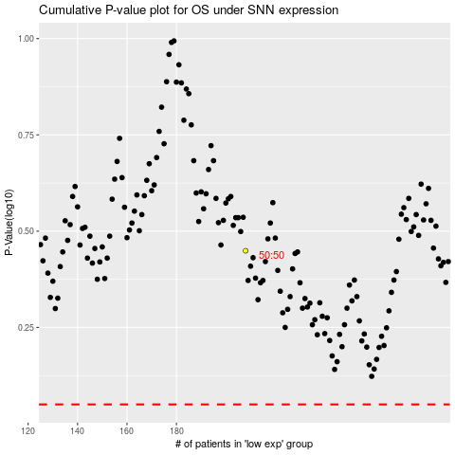

 |  |  |  |  |  | cases_OS | p_OS | rank | exp
 |  |  |  |  |  |  | cases_RFS | p_RFS | rank | exp

