SNORA53 _multivariate
Reported by Tex Li-Hsing Chi. tex@gate.sinica.edu.tw 2019-08-15

Table 2. The clinicopathological features of HNSCC cohort and SNORA53 expression. (Chi square test)
Cutoff at -0.171 (49.8%)
 |  | SNORA53 expression |  | SNORA53 expression |  | (Optimised)
 | Features | Low | (%) | High | (%) | Case no | P-value | Remark | Matthews
Gender | Female | 142 | 34.2 | 164 | 39.5 | 415 | 0.0238 | 1 | 0
2 | Male | 65 | 15.7 | 44 | 10.6
Age at diagnosis | <=65y | 139 | 33.5 | 135 | 32.5 | 415 | 0.7044 | 0 | 0
4 | >65y | 68 | 16.4 | 73 | 17.6
Clinical T Status | T1+T2 | 80 | 19.3 | 69 | 16.6 | 415 | 0.2891 | 0 | 0
6 | T3+T4 | 127 | 30.6 | 139 | 33.5
Clinical N Status | N0 | 114 | 27.5 | 102 | 24.6 | 415 | 0.2576 | 1 | 0
8 | N1-3 | 93 | 22.4 | 106 | 25.5
Clinical M Status | M0 | 207 | 49.9 | 205 | 49.4 | 415 | 0.2482 | 0 | 0
10 | M1 | 0 | 0 | 3 | 0.7
Clinical Stage | Stage I+II | 60 | 14.5 | 42 | 10.1 | 415 | 0.0493 | 1 | 0
12 | Stage III+IV | 147 | 35.4 | 166 | 40
Surgical Margin status | Negative | 158 | 38.1 | 160 | 38.6 | 415 | 0.9081 | 0 | 0
14 | Positive | 49 | 11.8 | 48 | 11.6
Tobacco Exposure | Low | 84 | 20.2 | 77 | 18.6 | 415 | 0.4816 | 0 | 0
16 | High | 123 | 29.6 | 131 | 31.6

Table 3. Univariate/Multivariate Cox's proportional hazards regression analyses on OS time of SNORA53 gene expression in HNSCC

 |  | Univariate |  |  |  | Multivariate
 | Features | HR | CI95%(L) | CI95%(H) | P-value | HR | CI95%(L) | CI95%(H) | P-value
1 | Female | 1 |  |  |  | 1
Gender | Male | 1.157 | 0.843 | 1.587 | 0.367 | 1.21 | 0.862 | 1.699 | 0.27
11 | <=65y | 1 |  |  |  | 1
Age at diagnosis | >65y | 1.329 | 0.99 | 1.784 | 0.058 | 1.386 | 1.018 | 1.887 | 0.038
12 | T1+T2 | 1 |  |  |  | 1
Clinical T Status | T3+T4 | 1.409 | 1.028 | 1.931 | 0.033 | 2.203 | 1.165 | 4.165 | 0.015
13 | N0 | 1 |  |  |  | 1
Clinical N Status | N1-3 | 1.185 | 0.89 | 1.577 | 0.246 | 1.239 | 0.869 | 1.768 | 0.237
14 | M0 | 1 |  |  |  | 1
Clinical M Status | M1 | 4.097 | 1.009 | 16.644 | 0.049 | 9.258 | 2.009 | 42.655 | 0.004
15 | Stage I+II | 1 |  |  |  | 1
Clinical Stage | Stage III+IV | 1.245 | 0.882 | 1.759 | 0.213 | 0.503 | 0.234 | 1.08 | 0.078
16 | Negative | 1 |  |  |  | 1
Surgical Margin status | Positive | 1.591 | 1.155 | 2.191 | 0.004 | 1.676 | 1.212 | 2.318 | 0.002
17 | Low | 1 |  |  |  | 1
Tobacco Exposure | High | 1.364 | 1.008 | 1.844 | 0.044 | 1.454 | 1.055 | 2.004 | 0.022
18 | Low | 1 |  |  |  | 1
RNAseq(z-score) | High | 1.04 | 0.777 | 1.39 | 0.793 | 1.038 | 0.769 | 1.401 | 0.805

Table 4. Univariate/Multivariate Cox's proportional hazards regression analyses on RFS time of SNORA53 gene expression in HNSCC

 |  | Univariate |  |  |  | Multivariate
 | Features | HR | CI95%(L) | CI95%(H) | P-value | HR | CI95%(L) | CI95%(H) | P-value
1 | Female | 1 |  |  |  | 1
Gender | Male | 1.157 | 0.843 | 1.587 | 0.367 | 1.21 | 0.862 | 1.699 | 0.27
11 | <=65y | 1 |  |  |  | 1
Age at diagnosis | >65y | 1.329 | 0.99 | 1.784 | 0.058 | 1.386 | 1.018 | 1.887 | 0.038
12 | T1+T2 | 1 |  |  |  | 1
Clinical T Status | T3+T4 | 1.409 | 1.028 | 1.931 | 0.033 | 2.203 | 1.165 | 4.165 | 0.015
13 | N0 | 1 |  |  |  | 1
Clinical N Status | N1-3 | 1.185 | 0.89 | 1.577 | 0.246 | 1.239 | 0.869 | 1.768 | 0.237
14 | M0 | 1 |  |  |  | 1
Clinical M Status | M1 | 4.097 | 1.009 | 16.644 | 0.049 | 9.258 | 2.009 | 42.655 | 0.004
15 | Stage I+II | 1 |  |  |  | 1
Clinical Stage | Stage III+IV | 1.245 | 0.882 | 1.759 | 0.213 | 0.503 | 0.234 | 1.08 | 0.078
16 | Negative | 1 |  |  |  | 1
Surgical Margin status | Positive | 1.591 | 1.155 | 2.191 | 0.004 | 1.676 | 1.212 | 2.318 | 0.002
17 | Low | 1 |  |  |  | 1
Tobacco Exposure | High | 1.364 | 1.008 | 1.844 | 0.044 | 1.454 | 1.055 | 2.004 | 0.022
18 | Low | 1 |  |  |  | 1
RNAseq(z-score) | High | 1.04 | 0.777 | 1.39 | 0.793 | 1.038 | 0.769 | 1.401 | 0.805

Kaplan-Meier survival estimate: Cutoff at -0.171 (49.8%)



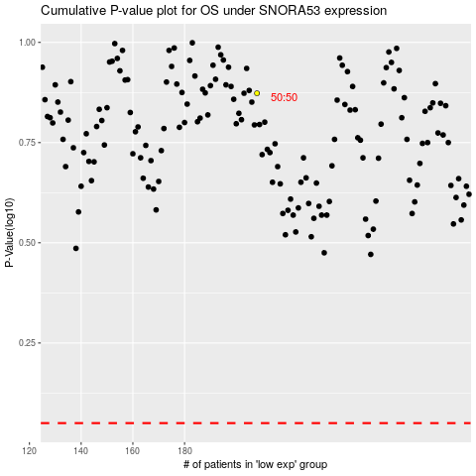

 |  |  |  |  |  | cases_OS | p_OS | rank | exp
 |  |  |  |  |  |  | cases_RFS | p_RFS | rank | exp

