SNORA7B _multivariate
Reported by Tex Li-Hsing Chi. tex@gate.sinica.edu.tw 2019-08-15

Table 2. The clinicopathological features of HNSCC cohort and SNORA7B expression. (Chi square test)
Cutoff at -0.258 (44.9%)
 |  | SNORA7B expression |  | SNORA7B expression |  | (Optimised)
 | Features | Low | (%) | High | (%) | Case no | P-value | Remark | Matthews
Gender | Female | 130 | 31.3 | 176 | 42.4 | 415 | 0.136 | 0 | 0
2 | Male | 56 | 13.5 | 53 | 12.8
Age at diagnosis | <=65y | 121 | 29.2 | 153 | 36.9 | 415 | 0.7857 | 0 | 0
4 | >65y | 65 | 15.7 | 76 | 18.3
Clinical T Status | T1+T2 | 64 | 15.4 | 85 | 20.5 | 415 | 0.6389 | 0 | 0
6 | T3+T4 | 122 | 29.4 | 144 | 34.7
Clinical N Status | N0 | 95 | 22.9 | 121 | 29.2 | 415 | 0.7958 | 0 | 0
8 | N1-3 | 91 | 21.9 | 108 | 26
Clinical M Status | M0 | 185 | 44.6 | 227 | 54.7 | 415 | 1 | 0 | 0
10 | M1 | 1 | 0.2 | 2 | 0.5
Clinical Stage | Stage I+II | 43 | 10.4 | 59 | 14.2 | 415 | 0.6115 | 0 | 0
12 | Stage III+IV | 143 | 34.5 | 170 | 41
Surgical Margin status | Negative | 142 | 34.2 | 176 | 42.4 | 415 | 0.9077 | 0 | 0
14 | Positive | 44 | 10.6 | 53 | 12.8
Tobacco Exposure | Low | 83 | 20 | 78 | 18.8 | 415 | 0.0334 | 1 | 0
16 | High | 103 | 24.8 | 151 | 36.4

Table 3. Univariate/Multivariate Cox's proportional hazards regression analyses on OS time of SNORA7B gene expression in HNSCC

 |  | Univariate |  |  |  | Multivariate
 | Features | HR | CI95%(L) | CI95%(H) | P-value | HR | CI95%(L) | CI95%(H) | P-value
1 | Female | 1 |  |  |  | 1
Gender | Male | 1.157 | 0.843 | 1.587 | 0.367 | 1.16 | 0.829 | 1.624 | 0.386
11 | <=65y | 1 |  |  |  | 1
Age at diagnosis | >65y | 1.329 | 0.99 | 1.784 | 0.058 | 1.425 | 1.047 | 1.938 | 0.024
12 | T1+T2 | 1 |  |  |  | 1
Clinical T Status | T3+T4 | 1.409 | 1.028 | 1.931 | 0.033 | 2.144 | 1.134 | 4.053 | 0.019
13 | N0 | 1 |  |  |  | 1
Clinical N Status | N1-3 | 1.185 | 0.89 | 1.577 | 0.246 | 1.263 | 0.885 | 1.801 | 0.198
14 | M0 | 1 |  |  |  | 1
Clinical M Status | M1 | 4.097 | 1.009 | 16.644 | 0.049 | 9.19 | 2.005 | 42.11 | 0.004
15 | Stage I+II | 1 |  |  |  | 1
Clinical Stage | Stage III+IV | 1.245 | 0.882 | 1.759 | 0.213 | 0.499 | 0.232 | 1.07 | 0.074
16 | Negative | 1 |  |  |  | 1
Surgical Margin status | Positive | 1.591 | 1.155 | 2.191 | 0.004 | 1.615 | 1.168 | 2.234 | 0.004
17 | Low | 1 |  |  |  | 1
Tobacco Exposure | High | 1.364 | 1.008 | 1.844 | 0.044 | 1.519 | 1.098 | 2.101 | 0.012
18 | Low | 1 |  |  |  | 1
RNAseq(z-score) | High | 0.742 | 0.557 | 0.988 | 0.041 | 0.754 | 0.561 | 1.012 | 0.06

Table 4. Univariate/Multivariate Cox's proportional hazards regression analyses on RFS time of SNORA7B gene expression in HNSCC

 |  | Univariate |  |  |  | Multivariate
 | Features | HR | CI95%(L) | CI95%(H) | P-value | HR | CI95%(L) | CI95%(H) | P-value
1 | Female | 1 |  |  |  | 1
Gender | Male | 1.157 | 0.843 | 1.587 | 0.367 | 1.16 | 0.829 | 1.624 | 0.386
11 | <=65y | 1 |  |  |  | 1
Age at diagnosis | >65y | 1.329 | 0.99 | 1.784 | 0.058 | 1.425 | 1.047 | 1.938 | 0.024
12 | T1+T2 | 1 |  |  |  | 1
Clinical T Status | T3+T4 | 1.409 | 1.028 | 1.931 | 0.033 | 2.144 | 1.134 | 4.053 | 0.019
13 | N0 | 1 |  |  |  | 1
Clinical N Status | N1-3 | 1.185 | 0.89 | 1.577 | 0.246 | 1.263 | 0.885 | 1.801 | 0.198
14 | M0 | 1 |  |  |  | 1
Clinical M Status | M1 | 4.097 | 1.009 | 16.644 | 0.049 | 9.19 | 2.005 | 42.11 | 0.004
15 | Stage I+II | 1 |  |  |  | 1
Clinical Stage | Stage III+IV | 1.245 | 0.882 | 1.759 | 0.213 | 0.499 | 0.232 | 1.07 | 0.074
16 | Negative | 1 |  |  |  | 1
Surgical Margin status | Positive | 1.591 | 1.155 | 2.191 | 0.004 | 1.615 | 1.168 | 2.234 | 0.004
17 | Low | 1 |  |  |  | 1
Tobacco Exposure | High | 1.364 | 1.008 | 1.844 | 0.044 | 1.519 | 1.098 | 2.101 | 0.012
18 | Low | 1 |  |  |  | 1
RNAseq(z-score) | High | 0.742 | 0.557 | 0.988 | 0.041 | 0.754 | 0.561 | 1.012 | 0.06

Kaplan-Meier survival estimate: Cutoff at -0.258 (44.9%)



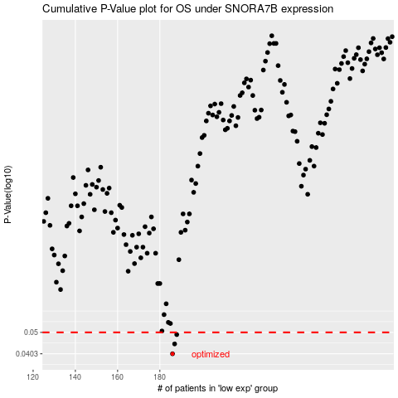

 |  |  |  |  |  | cases_OS | p_OS | rank | exp
 |  |  |  |  |  | 186 | 0.0403 | 331 | -0.25763615723
 |  |  |  |  |  | 187 | 0.0445 | 332 | -0.25574566489
 |  |  |  |  |  | 188 | 0.0489 | 271 | -0.25077341106
 |  |  |  |  |  |  | cases_RFS | p_RFS | rank | exp
 |  |  |  |  |  |  | 185 | 0.0403 | 61 | -0.26087330166
 |  |  |  |  |  |  | 186 | 0.0445 | 331 | -0.25763615723
 |  |  |  |  |  |  | 187 | 0.0489 | 332 | -0.25574566489

