SNORA8 _multivariate
Reported by Tex Li-Hsing Chi. tex@gate.sinica.edu.tw 2019-08-15

Table 2. The clinicopathological features of HNSCC cohort and SNORA8 expression. (Chi square test)
Cutoff at -0.195 (50.0%)
 |  | SNORA8 expression |  | SNORA8 expression |  | (Optimised)
 | Features | Low | (%) | High | (%) | Case no | P-value | Remark | Matthews
Gender | Female | 156 | 37.6 | 150 | 36.1 | 415 | 0.5222 | 0 | 0
2 | Male | 51 | 12.3 | 58 | 14
Age at diagnosis | <=65y | 136 | 32.8 | 138 | 33.3 | 415 | 0.9719 | 0 | 0
4 | >65y | 71 | 17.1 | 70 | 16.9
Clinical T Status | T1+T2 | 79 | 19 | 70 | 16.9 | 415 | 0.3924 | 0 | 0
6 | T3+T4 | 128 | 30.8 | 138 | 33.3
Clinical N Status | N0 | 94 | 22.7 | 122 | 29.4 | 415 | 0.0093 | 1 | 0
8 | N1-3 | 113 | 27.2 | 86 | 20.7
Clinical M Status | M0 | 206 | 49.6 | 206 | 49.6 | 415 | 1 | 0 | 0
10 | M1 | 1 | 0.2 | 2 | 0.5
Clinical Stage | Stage I+II | 48 | 11.6 | 54 | 13 | 415 | 0.5878 | 0 | 0
12 | Stage III+IV | 159 | 38.3 | 154 | 37.1
Surgical Margin status | Negative | 160 | 38.6 | 158 | 38.1 | 415 | 0.8167 | 0 | 0
14 | Positive | 47 | 11.3 | 50 | 12
Tobacco Exposure | Low | 79 | 19 | 82 | 19.8 | 415 | 0.8405 | 0 | 0
16 | High | 128 | 30.8 | 126 | 30.4

Table 3. Univariate/Multivariate Cox's proportional hazards regression analyses on OS time of SNORA8 gene expression in HNSCC

 |  | Univariate |  |  |  | Multivariate
 | Features | HR | CI95%(L) | CI95%(H) | P-value | HR | CI95%(L) | CI95%(H) | P-value
1 | Female | 1 |  |  |  | 1
Gender | Male | 1.157 | 0.843 | 1.587 | 0.367 | 1.21 | 0.866 | 1.691 | 0.263
11 | <=65y | 1 |  |  |  | 1
Age at diagnosis | >65y | 1.329 | 0.99 | 1.784 | 0.058 | 1.386 | 1.019 | 1.884 | 0.037
12 | T1+T2 | 1 |  |  |  | 1
Clinical T Status | T3+T4 | 1.409 | 1.028 | 1.931 | 0.033 | 2.211 | 1.169 | 4.181 | 0.015
13 | N0 | 1 |  |  |  | 1
Clinical N Status | N1-3 | 1.185 | 0.89 | 1.577 | 0.246 | 1.217 | 0.851 | 1.741 | 0.282
14 | M0 | 1 |  |  |  | 1
Clinical M Status | M1 | 4.097 | 1.009 | 16.644 | 0.049 | 9.686 | 2.11 | 44.462 | 0.003
15 | Stage I+II | 1 |  |  |  | 1
Clinical Stage | Stage III+IV | 1.245 | 0.882 | 1.759 | 0.213 | 0.502 | 0.234 | 1.078 | 0.077
16 | Negative | 1 |  |  |  | 1
Surgical Margin status | Positive | 1.591 | 1.155 | 2.191 | 0.004 | 1.675 | 1.212 | 2.315 | 0.002
17 | Low | 1 |  |  |  | 1
Tobacco Exposure | High | 1.364 | 1.008 | 1.844 | 0.044 | 1.458 | 1.058 | 2.01 | 0.021
18 | Low | 1 |  |  |  | 1
RNAseq(z-score) | High | 0.879 | 0.659 | 1.171 | 0.378 | 0.88 | 0.658 | 1.177 | 0.389

Table 4. Univariate/Multivariate Cox's proportional hazards regression analyses on RFS time of SNORA8 gene expression in HNSCC

 |  | Univariate |  |  |  | Multivariate
 | Features | HR | CI95%(L) | CI95%(H) | P-value | HR | CI95%(L) | CI95%(H) | P-value
1 | Female | 1 |  |  |  | 1
Gender | Male | 1.157 | 0.843 | 1.587 | 0.367 | 1.21 | 0.866 | 1.691 | 0.263
11 | <=65y | 1 |  |  |  | 1
Age at diagnosis | >65y | 1.329 | 0.99 | 1.784 | 0.058 | 1.386 | 1.019 | 1.884 | 0.037
12 | T1+T2 | 1 |  |  |  | 1
Clinical T Status | T3+T4 | 1.409 | 1.028 | 1.931 | 0.033 | 2.211 | 1.169 | 4.181 | 0.015
13 | N0 | 1 |  |  |  | 1
Clinical N Status | N1-3 | 1.185 | 0.89 | 1.577 | 0.246 | 1.217 | 0.851 | 1.741 | 0.282
14 | M0 | 1 |  |  |  | 1
Clinical M Status | M1 | 4.097 | 1.009 | 16.644 | 0.049 | 9.686 | 2.11 | 44.462 | 0.003
15 | Stage I+II | 1 |  |  |  | 1
Clinical Stage | Stage III+IV | 1.245 | 0.882 | 1.759 | 0.213 | 0.502 | 0.234 | 1.078 | 0.077
16 | Negative | 1 |  |  |  | 1
Surgical Margin status | Positive | 1.591 | 1.155 | 2.191 | 0.004 | 1.675 | 1.212 | 2.315 | 0.002
17 | Low | 1 |  |  |  | 1
Tobacco Exposure | High | 1.364 | 1.008 | 1.844 | 0.044 | 1.458 | 1.058 | 2.01 | 0.021
18 | Low | 1 |  |  |  | 1
RNAseq(z-score) | High | 0.879 | 0.659 | 1.171 | 0.378 | 0.88 | 0.658 | 1.177 | 0.389

Kaplan-Meier survival estimate: Cutoff at -0.195 (50.0%)



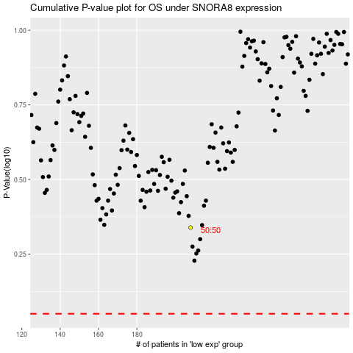

 |  |  |  |  |  | cases_OS | p_OS | rank | exp
 |  |  |  |  |  |  | cases_RFS | p_RFS | rank | exp

