SNORD17 _multivariate
Reported by Tex Li-Hsing Chi. tex@gate.sinica.edu.tw 2019-08-15

Table 2. The clinicopathological features of HNSCC cohort and SNORD17 expression. (Chi square test)
Cutoff at -0.053 (60.9%)
 |  | SNORD17 expression |  | SNORD17 expression |  | (Optimised)
 | Features | Low | (%) | High | (%) | Case no | P-value | Remark | Matthews
Gender | Female | 183 | 44.1 | 123 | 29.6 | 415 | 0.4856 | 0 | 0
2 | Male | 70 | 16.9 | 39 | 9.4
Age at diagnosis | <=65y | 175 | 42.2 | 99 | 23.9 | 415 | 0.113 | 0 | 0
4 | >65y | 78 | 18.8 | 63 | 15.2
Clinical T Status | T1+T2 | 106 | 25.5 | 43 | 10.4 | 415 | 0.0021 | 1 | 0
6 | T3+T4 | 147 | 35.4 | 119 | 28.7
Clinical N Status | N0 | 138 | 33.3 | 78 | 18.8 | 415 | 0.2412 | 0 | 0
8 | N1-3 | 115 | 27.7 | 84 | 20.2
Clinical M Status | M0 | 251 | 60.5 | 161 | 38.8 | 415 | 1 | 0 | 0
10 | M1 | 2 | 0.5 | 1 | 0.2
Clinical Stage | Stage I+II | 72 | 17.3 | 30 | 7.2 | 415 | 0.0294 | 1 | 0
12 | Stage III+IV | 181 | 43.6 | 132 | 31.8
Surgical Margin status | Negative | 195 | 47 | 123 | 29.6 | 415 | 0.8126 | 0 | 0
14 | Positive | 58 | 14 | 39 | 9.4
Tobacco Exposure | Low | 105 | 25.3 | 56 | 13.5 | 415 | 0.1797 | 0 | 0
16 | High | 148 | 35.7 | 106 | 25.5

Table 3. Univariate/Multivariate Cox's proportional hazards regression analyses on OS time of SNORD17 gene expression in HNSCC

 |  | Univariate |  |  |  | Multivariate
 | Features | HR | CI95%(L) | CI95%(H) | P-value | HR | CI95%(L) | CI95%(H) | P-value
1 | Female | 1 |  |  |  | 1
Gender | Male | 1.157 | 0.843 | 1.587 | 0.367 | 1.203 | 0.861 | 1.681 | 0.279
11 | <=65y | 1 |  |  |  | 1
Age at diagnosis | >65y | 1.329 | 0.99 | 1.784 | 0.058 | 1.358 | 0.998 | 1.847 | 0.051
12 | T1+T2 | 1 |  |  |  | 1
Clinical T Status | T3+T4 | 1.409 | 1.028 | 1.931 | 0.033 | 2.102 | 1.109 | 3.984 | 0.023
13 | N0 | 1 |  |  |  | 1
Clinical N Status | N1-3 | 1.185 | 0.89 | 1.577 | 0.246 | 1.223 | 0.857 | 1.745 | 0.268
14 | M0 | 1 |  |  |  | 1
Clinical M Status | M1 | 4.097 | 1.009 | 16.644 | 0.049 | 9.681 | 2.111 | 44.391 | 0.003
15 | Stage I+II | 1 |  |  |  | 1
Clinical Stage | Stage III+IV | 1.245 | 0.882 | 1.759 | 0.213 | 0.506 | 0.236 | 1.085 | 0.08
16 | Negative | 1 |  |  |  | 1
Surgical Margin status | Positive | 1.591 | 1.155 | 2.191 | 0.004 | 1.684 | 1.219 | 2.328 | 0.002
17 | Low | 1 |  |  |  | 1
Tobacco Exposure | High | 1.364 | 1.008 | 1.844 | 0.044 | 1.443 | 1.047 | 1.988 | 0.025
18 | Low | 1 |  |  |  | 1
RNAseq(z-score) | High | 1.377 | 1.029 | 1.842 | 0.031 | 1.313 | 0.974 | 1.771 | 0.074

Table 4. Univariate/Multivariate Cox's proportional hazards regression analyses on RFS time of SNORD17 gene expression in HNSCC

 |  | Univariate |  |  |  | Multivariate
 | Features | HR | CI95%(L) | CI95%(H) | P-value | HR | CI95%(L) | CI95%(H) | P-value
1 | Female | 1 |  |  |  | 1
Gender | Male | 1.157 | 0.843 | 1.587 | 0.367 | 1.203 | 0.861 | 1.681 | 0.279
11 | <=65y | 1 |  |  |  | 1
Age at diagnosis | >65y | 1.329 | 0.99 | 1.784 | 0.058 | 1.358 | 0.998 | 1.847 | 0.051
12 | T1+T2 | 1 |  |  |  | 1
Clinical T Status | T3+T4 | 1.409 | 1.028 | 1.931 | 0.033 | 2.102 | 1.109 | 3.984 | 0.023
13 | N0 | 1 |  |  |  | 1
Clinical N Status | N1-3 | 1.185 | 0.89 | 1.577 | 0.246 | 1.223 | 0.857 | 1.745 | 0.268
14 | M0 | 1 |  |  |  | 1
Clinical M Status | M1 | 4.097 | 1.009 | 16.644 | 0.049 | 9.681 | 2.111 | 44.391 | 0.003
15 | Stage I+II | 1 |  |  |  | 1
Clinical Stage | Stage III+IV | 1.245 | 0.882 | 1.759 | 0.213 | 0.506 | 0.236 | 1.085 | 0.08
16 | Negative | 1 |  |  |  | 1
Surgical Margin status | Positive | 1.591 | 1.155 | 2.191 | 0.004 | 1.684 | 1.219 | 2.328 | 0.002
17 | Low | 1 |  |  |  | 1
Tobacco Exposure | High | 1.364 | 1.008 | 1.844 | 0.044 | 1.443 | 1.047 | 1.988 | 0.025
18 | Low | 1 |  |  |  | 1
RNAseq(z-score) | High | 1.377 | 1.029 | 1.842 | 0.031 | 1.313 | 0.974 | 1.771 | 0.074

Kaplan-Meier survival estimate: Cutoff at -0.053 (60.9%)



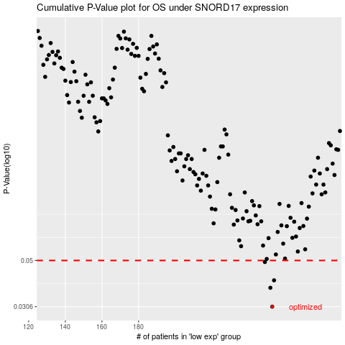

 |  |  |  |  |  | cases_OS | p_OS | rank | exp
 |  |  |  |  |  | 253 | 0.0306 | 54 | -0.052808014529
 |  |  |  |  |  | 252 | 0.0374 | 95 | -0.052944312718
 |  |  |  |  |  | 254 | 0.0405 | 186 | -0.049244790432
 |  |  |  |  |  | 249 | 0.0492 | 212 | -0.074790965376
 |  |  |  |  |  |  | cases_RFS | p_RFS | rank | exp
 |  |  |  |  |  |  | 252 | 0.0306 | 95 | -0.052944312718
 |  |  |  |  |  |  | 251 | 0.0374 | 205 | -0.062017877904
 |  |  |  |  |  |  | 253 | 0.0405 | 54 | -0.052808014529
 |  |  |  |  |  |  | 248 | 0.0492 | 134 | -0.07640707248

