SNORD1C _multivariate
Reported by Tex Li-Hsing Chi. tex@gate.sinica.edu.tw 2019-08-15

Table 2. The clinicopathological features of HNSCC cohort and SNORD1C expression. (Chi square test)
Cutoff at -0.024 (55.8%)
 |  | SNORD1C expression |  | SNORD1C expression |  | (Optimised)
 | Features | Low | (%) | High | (%) | Case no | P-value | Remark | Matthews
Gender | Female | 165 | 39.8 | 141 | 34 | 415 | 0.2112 | 0 | 0
2 | Male | 67 | 16.1 | 42 | 10.1
Age at diagnosis | <=65y | 156 | 37.6 | 118 | 28.4 | 415 | 0.6276 | 0 | 0
4 | >65y | 76 | 18.3 | 65 | 15.7
Clinical T Status | T1+T2 | 84 | 20.2 | 65 | 15.7 | 415 | 0.9665 | 0 | 0
6 | T3+T4 | 148 | 35.7 | 118 | 28.4
Clinical N Status | N0 | 116 | 28 | 100 | 24.1 | 415 | 0.4001 | 0 | 0
8 | N1-3 | 116 | 28 | 83 | 20
Clinical M Status | M0 | 230 | 55.4 | 182 | 43.9 | 415 | 1 | 0 | 0
10 | M1 | 2 | 0.5 | 1 | 0.2
Clinical Stage | Stage I+II | 58 | 14 | 44 | 10.6 | 415 | 0.9125 | 0 | 0
12 | Stage III+IV | 174 | 41.9 | 139 | 33.5
Surgical Margin status | Negative | 186 | 44.8 | 132 | 31.8 | 415 | 0.0618 | 0 | 0
14 | Positive | 46 | 11.1 | 51 | 12.3
Tobacco Exposure | Low | 99 | 23.9 | 62 | 14.9 | 415 | 0.0844 | 0 | 0
16 | High | 133 | 32 | 121 | 29.2

Table 3. Univariate/Multivariate Cox's proportional hazards regression analyses on OS time of SNORD1C gene expression in HNSCC

 |  | Univariate |  |  |  | Multivariate
 | Features | HR | CI95%(L) | CI95%(H) | P-value | HR | CI95%(L) | CI95%(H) | P-value
1 | Female | 1 |  |  |  | 1
Gender | Male | 1.157 | 0.843 | 1.587 | 0.367 | 1.155 | 0.826 | 1.615 | 0.4
11 | <=65y | 1 |  |  |  | 1
Age at diagnosis | >65y | 1.329 | 0.99 | 1.784 | 0.058 | 1.465 | 1.076 | 1.994 | 0.015
12 | T1+T2 | 1 |  |  |  | 1
Clinical T Status | T3+T4 | 1.409 | 1.028 | 1.931 | 0.033 | 2.16 | 1.142 | 4.086 | 0.018
13 | N0 | 1 |  |  |  | 1
Clinical N Status | N1-3 | 1.185 | 0.89 | 1.577 | 0.246 | 1.185 | 0.83 | 1.691 | 0.351
14 | M0 | 1 |  |  |  | 1
Clinical M Status | M1 | 4.097 | 1.009 | 16.644 | 0.049 | 8.534 | 1.859 | 39.171 | 0.006
15 | Stage I+II | 1 |  |  |  | 1
Clinical Stage | Stage III+IV | 1.245 | 0.882 | 1.759 | 0.213 | 0.546 | 0.254 | 1.175 | 0.122
16 | Negative | 1 |  |  |  | 1
Surgical Margin status | Positive | 1.591 | 1.155 | 2.191 | 0.004 | 1.728 | 1.25 | 2.388 | 0.001
17 | Low | 1 |  |  |  | 1
Tobacco Exposure | High | 1.364 | 1.008 | 1.844 | 0.044 | 1.51 | 1.094 | 2.084 | 0.012
18 | Low | 1 |  |  |  | 1
RNAseq(z-score) | High | 0.739 | 0.549 | 0.993 | 0.045 | 0.674 | 0.497 | 0.914 | 0.011

Table 4. Univariate/Multivariate Cox's proportional hazards regression analyses on RFS time of SNORD1C gene expression in HNSCC

 |  | Univariate |  |  |  | Multivariate
 | Features | HR | CI95%(L) | CI95%(H) | P-value | HR | CI95%(L) | CI95%(H) | P-value
1 | Female | 1 |  |  |  | 1
Gender | Male | 1.157 | 0.843 | 1.587 | 0.367 | 1.155 | 0.826 | 1.615 | 0.4
11 | <=65y | 1 |  |  |  | 1
Age at diagnosis | >65y | 1.329 | 0.99 | 1.784 | 0.058 | 1.465 | 1.076 | 1.994 | 0.015
12 | T1+T2 | 1 |  |  |  | 1
Clinical T Status | T3+T4 | 1.409 | 1.028 | 1.931 | 0.033 | 2.16 | 1.142 | 4.086 | 0.018
13 | N0 | 1 |  |  |  | 1
Clinical N Status | N1-3 | 1.185 | 0.89 | 1.577 | 0.246 | 1.185 | 0.83 | 1.691 | 0.351
14 | M0 | 1 |  |  |  | 1
Clinical M Status | M1 | 4.097 | 1.009 | 16.644 | 0.049 | 8.534 | 1.859 | 39.171 | 0.006
15 | Stage I+II | 1 |  |  |  | 1
Clinical Stage | Stage III+IV | 1.245 | 0.882 | 1.759 | 0.213 | 0.546 | 0.254 | 1.175 | 0.122
16 | Negative | 1 |  |  |  | 1
Surgical Margin status | Positive | 1.591 | 1.155 | 2.191 | 0.004 | 1.728 | 1.25 | 2.388 | 0.001
17 | Low | 1 |  |  |  | 1
Tobacco Exposure | High | 1.364 | 1.008 | 1.844 | 0.044 | 1.51 | 1.094 | 2.084 | 0.012
18 | Low | 1 |  |  |  | 1
RNAseq(z-score) | High | 0.739 | 0.549 | 0.993 | 0.045 | 0.674 | 0.497 | 0.914 | 0.011

Kaplan-Meier survival estimate: Cutoff at -0.024 (55.8%)



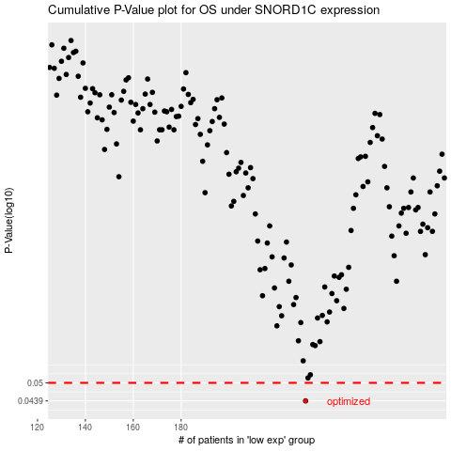

 |  |  |  |  |  | cases_OS | p_OS | rank | exp
 |  |  |  |  |  | 232 | 0.0439 | 134 | -0.023829425758
 |  |  |  |  |  |  | cases_RFS | p_RFS | rank | exp
 |  |  |  |  |  |  | 231 | 0.0439 | 364 | -0.02901963015

