SNPH _multivariate
Reported by Tex Li-Hsing Chi. tex@gate.sinica.edu.tw 2019-08-15

Table 2. The clinicopathological features of HNSCC cohort and SNPH expression. (Chi square test)
Cutoff at -0.292 (50.0%)
 |  | SNPH expression |  | SNPH expression |  | (Optimised)
 | Features | Low | (%) | High | (%) | Case no | P-value | Remark | Matthews
Gender | Female | 157 | 37.8 | 149 | 35.9 | 415 | 0.3881 | 0 | 0
2 | Male | 50 | 12 | 59 | 14.2
Age at diagnosis | <=65y | 136 | 32.8 | 138 | 33.3 | 415 | 0.9719 | 0 | 0
4 | >65y | 71 | 17.1 | 70 | 16.9
Clinical T Status | T1+T2 | 64 | 15.4 | 85 | 20.5 | 415 | 0.0445 | 1 | 0
6 | T3+T4 | 143 | 34.5 | 123 | 29.6
Clinical N Status | N0 | 99 | 23.9 | 117 | 28.2 | 415 | 0.1054 | 0 | 0
8 | N1-3 | 108 | 26 | 91 | 21.9
Clinical M Status | M0 | 204 | 49.2 | 208 | 50.1 | 415 | 0.1232 | 0 | 0
10 | M1 | 3 | 0.7 | 0 | 0
Clinical Stage | Stage I+II | 39 | 9.4 | 63 | 15.2 | 415 | 0.0095 | 1 | 0
12 | Stage III+IV | 168 | 40.5 | 145 | 34.9
Surgical Margin status | Negative | 161 | 38.8 | 157 | 37.8 | 415 | 0.6429 | 0 | 0
14 | Positive | 46 | 11.1 | 51 | 12.3
Tobacco Exposure | Low | 71 | 17.1 | 90 | 21.7 | 415 | 0.0698 | 0 | 0
16 | High | 136 | 32.8 | 118 | 28.4

Table 3. Univariate/Multivariate Cox's proportional hazards regression analyses on OS time of SNPH gene expression in HNSCC

 |  | Univariate |  |  |  | Multivariate
 | Features | HR | CI95%(L) | CI95%(H) | P-value | HR | CI95%(L) | CI95%(H) | P-value
1 | Female | 1 |  |  |  | 1
Gender | Male | 1.157 | 0.843 | 1.587 | 0.367 | 1.199 | 0.858 | 1.676 | 0.288
11 | <=65y | 1 |  |  |  | 1
Age at diagnosis | >65y | 1.329 | 0.99 | 1.784 | 0.058 | 1.392 | 1.024 | 1.892 | 0.035
12 | T1+T2 | 1 |  |  |  | 1
Clinical T Status | T3+T4 | 1.409 | 1.028 | 1.931 | 0.033 | 2.204 | 1.166 | 4.169 | 0.015
13 | N0 | 1 |  |  |  | 1
Clinical N Status | N1-3 | 1.185 | 0.89 | 1.577 | 0.246 | 1.245 | 0.871 | 1.778 | 0.229
14 | M0 | 1 |  |  |  | 1
Clinical M Status | M1 | 4.097 | 1.009 | 16.644 | 0.049 | 9.524 | 2.069 | 43.855 | 0.004
15 | Stage I+II | 1 |  |  |  | 1
Clinical Stage | Stage III+IV | 1.245 | 0.882 | 1.759 | 0.213 | 0.508 | 0.236 | 1.093 | 0.083
16 | Negative | 1 |  |  |  | 1
Surgical Margin status | Positive | 1.591 | 1.155 | 2.191 | 0.004 | 1.667 | 1.205 | 2.306 | 0.002
17 | Low | 1 |  |  |  | 1
Tobacco Exposure | High | 1.364 | 1.008 | 1.844 | 0.044 | 1.454 | 1.055 | 2.004 | 0.022
18 | Low | 1 |  |  |  | 1
RNAseq(z-score) | High | 0.971 | 0.729 | 1.294 | 0.841 | 1.033 | 0.764 | 1.395 | 0.834

Table 4. Univariate/Multivariate Cox's proportional hazards regression analyses on RFS time of SNPH gene expression in HNSCC

 |  | Univariate |  |  |  | Multivariate
 | Features | HR | CI95%(L) | CI95%(H) | P-value | HR | CI95%(L) | CI95%(H) | P-value
1 | Female | 1 |  |  |  | 1
Gender | Male | 1.157 | 0.843 | 1.587 | 0.367 | 1.199 | 0.858 | 1.676 | 0.288
11 | <=65y | 1 |  |  |  | 1
Age at diagnosis | >65y | 1.329 | 0.99 | 1.784 | 0.058 | 1.392 | 1.024 | 1.892 | 0.035
12 | T1+T2 | 1 |  |  |  | 1
Clinical T Status | T3+T4 | 1.409 | 1.028 | 1.931 | 0.033 | 2.204 | 1.166 | 4.169 | 0.015
13 | N0 | 1 |  |  |  | 1
Clinical N Status | N1-3 | 1.185 | 0.89 | 1.577 | 0.246 | 1.245 | 0.871 | 1.778 | 0.229
14 | M0 | 1 |  |  |  | 1
Clinical M Status | M1 | 4.097 | 1.009 | 16.644 | 0.049 | 9.524 | 2.069 | 43.855 | 0.004
15 | Stage I+II | 1 |  |  |  | 1
Clinical Stage | Stage III+IV | 1.245 | 0.882 | 1.759 | 0.213 | 0.508 | 0.236 | 1.093 | 0.083
16 | Negative | 1 |  |  |  | 1
Surgical Margin status | Positive | 1.591 | 1.155 | 2.191 | 0.004 | 1.667 | 1.205 | 2.306 | 0.002
17 | Low | 1 |  |  |  | 1
Tobacco Exposure | High | 1.364 | 1.008 | 1.844 | 0.044 | 1.454 | 1.055 | 2.004 | 0.022
18 | Low | 1 |  |  |  | 1
RNAseq(z-score) | High | 0.971 | 0.729 | 1.294 | 0.841 | 1.033 | 0.764 | 1.395 | 0.834

Kaplan-Meier survival estimate: Cutoff at -0.292 (50.0%)



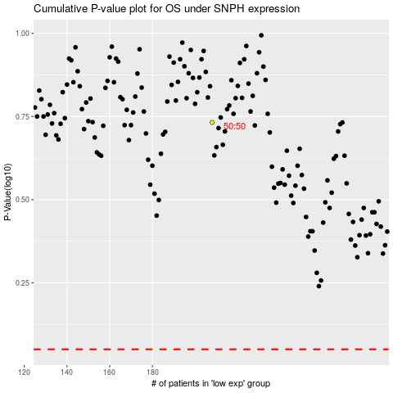

 |  |  |  |  |  | cases_OS | p_OS | rank | exp
 |  |  |  |  |  |  | cases_RFS | p_RFS | rank | exp

