SNRNP200 _multivariate
Reported by Tex Li-Hsing Chi. tex@gate.sinica.edu.tw 2019-08-15

Table 2. The clinicopathological features of HNSCC cohort and SNRNP200 expression. (Chi square test)
Cutoff at -0.09 (49.8%)
 |  | SNRNP200 expression |  | SNRNP200 expression |  | (Optimised)
 | Features | Low | (%) | High | (%) | Case no | P-value | Remark | Matthews
Gender | Female | 144 | 34.7 | 162 | 39 | 415 | 0.0697 | 0 | 0
2 | Male | 63 | 15.2 | 46 | 11.1
Age at diagnosis | <=65y | 136 | 32.8 | 138 | 33.3 | 415 | 0.9719 | 0 | 0
4 | >65y | 71 | 17.1 | 70 | 16.9
Clinical T Status | T1+T2 | 75 | 18.1 | 74 | 17.8 | 415 | 0.9707 | 0 | 0
6 | T3+T4 | 132 | 31.8 | 134 | 32.3
Clinical N Status | N0 | 112 | 27 | 104 | 25.1 | 415 | 0.4599 | 0 | 0
8 | N1-3 | 95 | 22.9 | 104 | 25.1
Clinical M Status | M0 | 204 | 49.2 | 208 | 50.1 | 415 | 0.1232 | 0 | 0
10 | M1 | 3 | 0.7 | 0 | 0
Clinical Stage | Stage I+II | 55 | 13.3 | 47 | 11.3 | 415 | 0.4087 | 0 | 0
12 | Stage III+IV | 152 | 36.6 | 161 | 38.8
Surgical Margin status | Negative | 154 | 37.1 | 164 | 39.5 | 415 | 0.2984 | 0 | 0
14 | Positive | 53 | 12.8 | 44 | 10.6
Tobacco Exposure | Low | 90 | 21.7 | 71 | 17.1 | 415 | 0.0559 | 0 | 0
16 | High | 117 | 28.2 | 137 | 33

Table 3. Univariate/Multivariate Cox's proportional hazards regression analyses on OS time of SNRNP200 gene expression in HNSCC

 |  | Univariate |  |  |  | Multivariate
 | Features | HR | CI95%(L) | CI95%(H) | P-value | HR | CI95%(L) | CI95%(H) | P-value
1 | Female | 1 |  |  |  | 1
Gender | Male | 1.157 | 0.843 | 1.587 | 0.367 | 1.221 | 0.873 | 1.708 | 0.244
11 | <=65y | 1 |  |  |  | 1
Age at diagnosis | >65y | 1.329 | 0.99 | 1.784 | 0.058 | 1.39 | 1.023 | 1.889 | 0.035
12 | T1+T2 | 1 |  |  |  | 1
Clinical T Status | T3+T4 | 1.409 | 1.028 | 1.931 | 0.033 | 2.25 | 1.188 | 4.26 | 0.013
13 | N0 | 1 |  |  |  | 1
Clinical N Status | N1-3 | 1.185 | 0.89 | 1.577 | 0.246 | 1.243 | 0.871 | 1.773 | 0.231
14 | M0 | 1 |  |  |  | 1
Clinical M Status | M1 | 4.097 | 1.009 | 16.644 | 0.049 | 10.377 | 2.228 | 48.332 | 0.003
15 | Stage I+II | 1 |  |  |  | 1
Clinical Stage | Stage III+IV | 1.245 | 0.882 | 1.759 | 0.213 | 0.486 | 0.225 | 1.047 | 0.065
16 | Negative | 1 |  |  |  | 1
Surgical Margin status | Positive | 1.591 | 1.155 | 2.191 | 0.004 | 1.692 | 1.223 | 2.34 | 0.002
17 | Low | 1 |  |  |  | 1
Tobacco Exposure | High | 1.364 | 1.008 | 1.844 | 0.044 | 1.449 | 1.052 | 1.996 | 0.023
18 | Low | 1 |  |  |  | 1
RNAseq(z-score) | High | 1.072 | 0.804 | 1.429 | 0.635 | 1.145 | 0.852 | 1.538 | 0.37

Table 4. Univariate/Multivariate Cox's proportional hazards regression analyses on RFS time of SNRNP200 gene expression in HNSCC

 |  | Univariate |  |  |  | Multivariate
 | Features | HR | CI95%(L) | CI95%(H) | P-value | HR | CI95%(L) | CI95%(H) | P-value
1 | Female | 1 |  |  |  | 1
Gender | Male | 1.157 | 0.843 | 1.587 | 0.367 | 1.221 | 0.873 | 1.708 | 0.244
11 | <=65y | 1 |  |  |  | 1
Age at diagnosis | >65y | 1.329 | 0.99 | 1.784 | 0.058 | 1.39 | 1.023 | 1.889 | 0.035
12 | T1+T2 | 1 |  |  |  | 1
Clinical T Status | T3+T4 | 1.409 | 1.028 | 1.931 | 0.033 | 2.25 | 1.188 | 4.26 | 0.013
13 | N0 | 1 |  |  |  | 1
Clinical N Status | N1-3 | 1.185 | 0.89 | 1.577 | 0.246 | 1.243 | 0.871 | 1.773 | 0.231
14 | M0 | 1 |  |  |  | 1
Clinical M Status | M1 | 4.097 | 1.009 | 16.644 | 0.049 | 10.377 | 2.228 | 48.332 | 0.003
15 | Stage I+II | 1 |  |  |  | 1
Clinical Stage | Stage III+IV | 1.245 | 0.882 | 1.759 | 0.213 | 0.486 | 0.225 | 1.047 | 0.065
16 | Negative | 1 |  |  |  | 1
Surgical Margin status | Positive | 1.591 | 1.155 | 2.191 | 0.004 | 1.692 | 1.223 | 2.34 | 0.002
17 | Low | 1 |  |  |  | 1
Tobacco Exposure | High | 1.364 | 1.008 | 1.844 | 0.044 | 1.449 | 1.052 | 1.996 | 0.023
18 | Low | 1 |  |  |  | 1
RNAseq(z-score) | High | 1.072 | 0.804 | 1.429 | 0.635 | 1.145 | 0.852 | 1.538 | 0.37

Kaplan-Meier survival estimate: Cutoff at -0.09 (49.8%)

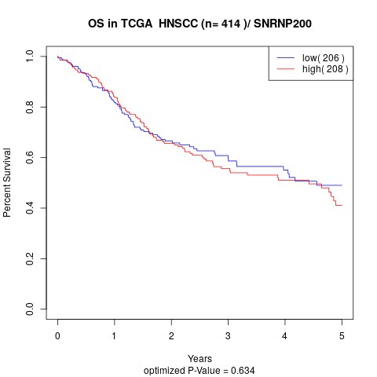

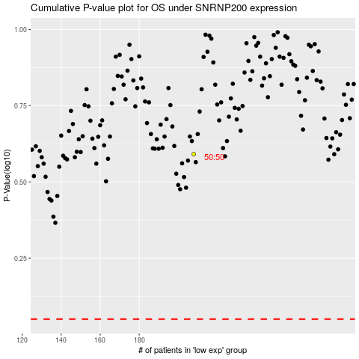

 |  |  |  |  |  | cases_OS | p_OS | rank | exp
 |  |  |  |  |  |  | cases_RFS | p_RFS | rank | exp

