SNRNP25 _multivariate
Reported by Tex Li-Hsing Chi. tex@gate.sinica.edu.tw 2019-08-15

Table 2. The clinicopathological features of HNSCC cohort and SNRNP25 expression. (Chi square test)
Cutoff at -0.266 (49.8%)
 |  | SNRNP25 expression |  | SNRNP25 expression |  | (Optimised)
 | Features | Low | (%) | High | (%) | Case no | P-value | Remark | Matthews
Gender | Female | 146 | 35.2 | 160 | 38.6 | 415 | 0.1714 | 0 | 0
2 | Male | 61 | 14.7 | 48 | 11.6
Age at diagnosis | <=65y | 127 | 30.6 | 147 | 35.4 | 415 | 0.0573 | 0 | 0
4 | >65y | 80 | 19.3 | 61 | 14.7
Clinical T Status | T1+T2 | 68 | 16.4 | 81 | 19.5 | 415 | 0.2336 | 0 | 0
6 | T3+T4 | 139 | 33.5 | 127 | 30.6
Clinical N Status | N0 | 108 | 26 | 108 | 26 | 415 | 1 | 0 | 0
8 | N1-3 | 99 | 23.9 | 100 | 24.1
Clinical M Status | M0 | 207 | 49.9 | 205 | 49.4 | 415 | 0.2482 | 0 | 0
10 | M1 | 0 | 0 | 3 | 0.7
Clinical Stage | Stage I+II | 52 | 12.5 | 50 | 12 | 415 | 0.8871 | 0 | 0
12 | Stage III+IV | 155 | 37.3 | 158 | 38.1
Surgical Margin status | Negative | 161 | 38.8 | 157 | 37.8 | 415 | 0.6429 | 0 | 0
14 | Positive | 46 | 11.1 | 51 | 12.3
Tobacco Exposure | Low | 90 | 21.7 | 71 | 17.1 | 415 | 0.0559 | 0 | 0
16 | High | 117 | 28.2 | 137 | 33

Table 3. Univariate/Multivariate Cox's proportional hazards regression analyses on OS time of SNRNP25 gene expression in HNSCC

 |  | Univariate |  |  |  | Multivariate
 | Features | HR | CI95%(L) | CI95%(H) | P-value | HR | CI95%(L) | CI95%(H) | P-value
1 | Female | 1 |  |  |  | 1
Gender | Male | 1.157 | 0.843 | 1.587 | 0.367 | 1.196 | 0.856 | 1.67 | 0.294
11 | <=65y | 1 |  |  |  | 1
Age at diagnosis | >65y | 1.329 | 0.99 | 1.784 | 0.058 | 1.378 | 1.013 | 1.875 | 0.041
12 | T1+T2 | 1 |  |  |  | 1
Clinical T Status | T3+T4 | 1.409 | 1.028 | 1.931 | 0.033 | 2.16 | 1.14 | 4.091 | 0.018
13 | N0 | 1 |  |  |  | 1
Clinical N Status | N1-3 | 1.185 | 0.89 | 1.577 | 0.246 | 1.233 | 0.864 | 1.759 | 0.248
14 | M0 | 1 |  |  |  | 1
Clinical M Status | M1 | 4.097 | 1.009 | 16.644 | 0.049 | 9.904 | 2.15 | 45.624 | 0.003
15 | Stage I+II | 1 |  |  |  | 1
Clinical Stage | Stage III+IV | 1.245 | 0.882 | 1.759 | 0.213 | 0.513 | 0.239 | 1.102 | 0.087
16 | Negative | 1 |  |  |  | 1
Surgical Margin status | Positive | 1.591 | 1.155 | 2.191 | 0.004 | 1.687 | 1.22 | 2.334 | 0.002
17 | Low | 1 |  |  |  | 1
Tobacco Exposure | High | 1.364 | 1.008 | 1.844 | 0.044 | 1.473 | 1.068 | 2.033 | 0.018
18 | Low | 1 |  |  |  | 1
RNAseq(z-score) | High | 0.885 | 0.664 | 1.179 | 0.403 | 0.879 | 0.655 | 1.18 | 0.392

Table 4. Univariate/Multivariate Cox's proportional hazards regression analyses on RFS time of SNRNP25 gene expression in HNSCC

 |  | Univariate |  |  |  | Multivariate
 | Features | HR | CI95%(L) | CI95%(H) | P-value | HR | CI95%(L) | CI95%(H) | P-value
1 | Female | 1 |  |  |  | 1
Gender | Male | 1.157 | 0.843 | 1.587 | 0.367 | 1.196 | 0.856 | 1.67 | 0.294
11 | <=65y | 1 |  |  |  | 1
Age at diagnosis | >65y | 1.329 | 0.99 | 1.784 | 0.058 | 1.378 | 1.013 | 1.875 | 0.041
12 | T1+T2 | 1 |  |  |  | 1
Clinical T Status | T3+T4 | 1.409 | 1.028 | 1.931 | 0.033 | 2.16 | 1.14 | 4.091 | 0.018
13 | N0 | 1 |  |  |  | 1
Clinical N Status | N1-3 | 1.185 | 0.89 | 1.577 | 0.246 | 1.233 | 0.864 | 1.759 | 0.248
14 | M0 | 1 |  |  |  | 1
Clinical M Status | M1 | 4.097 | 1.009 | 16.644 | 0.049 | 9.904 | 2.15 | 45.624 | 0.003
15 | Stage I+II | 1 |  |  |  | 1
Clinical Stage | Stage III+IV | 1.245 | 0.882 | 1.759 | 0.213 | 0.513 | 0.239 | 1.102 | 0.087
16 | Negative | 1 |  |  |  | 1
Surgical Margin status | Positive | 1.591 | 1.155 | 2.191 | 0.004 | 1.687 | 1.22 | 2.334 | 0.002
17 | Low | 1 |  |  |  | 1
Tobacco Exposure | High | 1.364 | 1.008 | 1.844 | 0.044 | 1.473 | 1.068 | 2.033 | 0.018
18 | Low | 1 |  |  |  | 1
RNAseq(z-score) | High | 0.885 | 0.664 | 1.179 | 0.403 | 0.879 | 0.655 | 1.18 | 0.392

Kaplan-Meier survival estimate: Cutoff at -0.266 (49.8%)



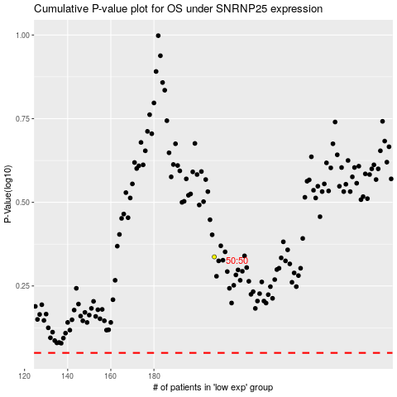

 |  |  |  |  |  | cases_OS | p_OS | rank | exp
 |  |  |  |  |  |  | cases_RFS | p_RFS | rank | exp

