SNRNP35 _multivariate
Reported by Tex Li-Hsing Chi. tex@gate.sinica.edu.tw 2019-08-15

Table 2. The clinicopathological features of HNSCC cohort and SNRNP35 expression. (Chi square test)
Cutoff at -0.331 (50.0%)
 |  | SNRNP35 expression |  | SNRNP35 expression |  | (Optimised)
 | Features | Low | (%) | High | (%) | Case no | P-value | Remark | Matthews
Gender | Female | 159 | 38.3 | 147 | 35.4 | 415 | 0.1905 | 0 | 0
2 | Male | 48 | 11.6 | 61 | 14.7
Age at diagnosis | <=65y | 142 | 34.2 | 132 | 31.8 | 415 | 0.3167 | 0 | 0
4 | >65y | 65 | 15.7 | 76 | 18.3
Clinical T Status | T1+T2 | 72 | 17.3 | 77 | 18.6 | 415 | 0.7095 | 0 | 0
6 | T3+T4 | 135 | 32.5 | 131 | 31.6
Clinical N Status | N0 | 102 | 24.6 | 114 | 27.5 | 415 | 0.3031 | 0 | 0
8 | N1-3 | 105 | 25.3 | 94 | 22.7
Clinical M Status | M0 | 207 | 49.9 | 205 | 49.4 | 415 | 0.2482 | 0 | 0
10 | M1 | 0 | 0 | 3 | 0.7
Clinical Stage | Stage I+II | 49 | 11.8 | 53 | 12.8 | 415 | 0.7535 | 0 | 0
12 | Stage III+IV | 158 | 38.1 | 155 | 37.3
Surgical Margin status | Negative | 163 | 39.3 | 155 | 37.3 | 415 | 0.3537 | 0 | 0
14 | Positive | 44 | 10.6 | 53 | 12.8
Tobacco Exposure | Low | 70 | 16.9 | 91 | 21.9 | 415 | 0.0439 | 1 | 0
16 | High | 137 | 33 | 117 | 28.2

Table 3. Univariate/Multivariate Cox's proportional hazards regression analyses on OS time of SNRNP35 gene expression in HNSCC

 |  | Univariate |  |  |  | Multivariate
 | Features | HR | CI95%(L) | CI95%(H) | P-value | HR | CI95%(L) | CI95%(H) | P-value
1 | Female | 1 |  |  |  | 1
Gender | Male | 1.157 | 0.843 | 1.587 | 0.367 | 1.182 | 0.845 | 1.655 | 0.329
11 | <=65y | 1 |  |  |  | 1
Age at diagnosis | >65y | 1.329 | 0.99 | 1.784 | 0.058 | 1.397 | 1.027 | 1.901 | 0.033
12 | T1+T2 | 1 |  |  |  | 1
Clinical T Status | T3+T4 | 1.409 | 1.028 | 1.931 | 0.033 | 2.219 | 1.173 | 4.198 | 0.014
13 | N0 | 1 |  |  |  | 1
Clinical N Status | N1-3 | 1.185 | 0.89 | 1.577 | 0.246 | 1.256 | 0.88 | 1.792 | 0.209
14 | M0 | 1 |  |  |  | 1
Clinical M Status | M1 | 4.097 | 1.009 | 16.644 | 0.049 | 8.607 | 1.865 | 39.723 | 0.006
15 | Stage I+II | 1 |  |  |  | 1
Clinical Stage | Stage III+IV | 1.245 | 0.882 | 1.759 | 0.213 | 0.499 | 0.233 | 1.072 | 0.075
16 | Negative | 1 |  |  |  | 1
Surgical Margin status | Positive | 1.591 | 1.155 | 2.191 | 0.004 | 1.646 | 1.19 | 2.277 | 0.003
17 | Low | 1 |  |  |  | 1
Tobacco Exposure | High | 1.364 | 1.008 | 1.844 | 0.044 | 1.474 | 1.068 | 2.034 | 0.018
18 | Low | 1 |  |  |  | 1
RNAseq(z-score) | High | 1.201 | 0.902 | 1.6 | 0.211 | 1.191 | 0.889 | 1.596 | 0.242

Table 4. Univariate/Multivariate Cox's proportional hazards regression analyses on RFS time of SNRNP35 gene expression in HNSCC

 |  | Univariate |  |  |  | Multivariate
 | Features | HR | CI95%(L) | CI95%(H) | P-value | HR | CI95%(L) | CI95%(H) | P-value
1 | Female | 1 |  |  |  | 1
Gender | Male | 1.157 | 0.843 | 1.587 | 0.367 | 1.182 | 0.845 | 1.655 | 0.329
11 | <=65y | 1 |  |  |  | 1
Age at diagnosis | >65y | 1.329 | 0.99 | 1.784 | 0.058 | 1.397 | 1.027 | 1.901 | 0.033
12 | T1+T2 | 1 |  |  |  | 1
Clinical T Status | T3+T4 | 1.409 | 1.028 | 1.931 | 0.033 | 2.219 | 1.173 | 4.198 | 0.014
13 | N0 | 1 |  |  |  | 1
Clinical N Status | N1-3 | 1.185 | 0.89 | 1.577 | 0.246 | 1.256 | 0.88 | 1.792 | 0.209
14 | M0 | 1 |  |  |  | 1
Clinical M Status | M1 | 4.097 | 1.009 | 16.644 | 0.049 | 8.607 | 1.865 | 39.723 | 0.006
15 | Stage I+II | 1 |  |  |  | 1
Clinical Stage | Stage III+IV | 1.245 | 0.882 | 1.759 | 0.213 | 0.499 | 0.233 | 1.072 | 0.075
16 | Negative | 1 |  |  |  | 1
Surgical Margin status | Positive | 1.591 | 1.155 | 2.191 | 0.004 | 1.646 | 1.19 | 2.277 | 0.003
17 | Low | 1 |  |  |  | 1
Tobacco Exposure | High | 1.364 | 1.008 | 1.844 | 0.044 | 1.474 | 1.068 | 2.034 | 0.018
18 | Low | 1 |  |  |  | 1
RNAseq(z-score) | High | 1.201 | 0.902 | 1.6 | 0.211 | 1.191 | 0.889 | 1.596 | 0.242

Kaplan-Meier survival estimate: Cutoff at -0.331 (50.0%)



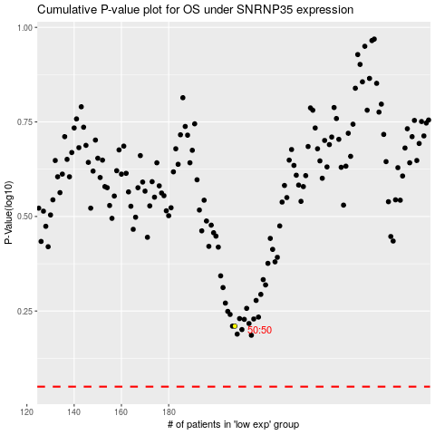

 |  |  |  |  |  | cases_OS | p_OS | rank | exp
 |  |  |  |  |  |  | cases_RFS | p_RFS | rank | exp

