SNRNP40 _multivariate
Reported by Tex Li-Hsing Chi. tex@gate.sinica.edu.tw 2019-08-15

Table 2. The clinicopathological features of HNSCC cohort and SNRNP40 expression. (Chi square test)
Cutoff at -0.052 (49.8%)
 |  | SNRNP40 expression |  | SNRNP40 expression |  | (Optimised)
 | Features | Low | (%) | High | (%) | Case no | P-value | Remark | Matthews
Gender | Female | 144 | 34.7 | 162 | 39 | 415 | 0.0697 | 0 | 0
2 | Male | 63 | 15.2 | 46 | 11.1
Age at diagnosis | <=65y | 127 | 30.6 | 147 | 35.4 | 415 | 0.0573 | 0 | 0
4 | >65y | 80 | 19.3 | 61 | 14.7
Clinical T Status | T1+T2 | 74 | 17.8 | 75 | 18.1 | 415 | 1 | 0 | 0
6 | T3+T4 | 133 | 32 | 133 | 32
Clinical N Status | N0 | 117 | 28.2 | 99 | 23.9 | 415 | 0.0852 | 1 | 0
8 | N1-3 | 90 | 21.7 | 109 | 26.3
Clinical M Status | M0 | 206 | 49.6 | 206 | 49.6 | 415 | 1 | 0 | 0
10 | M1 | 1 | 0.2 | 2 | 0.5
Clinical Stage | Stage I+II | 56 | 13.5 | 46 | 11.1 | 415 | 0.2918 | 0 | 0
12 | Stage III+IV | 151 | 36.4 | 162 | 39
Surgical Margin status | Negative | 158 | 38.1 | 160 | 38.6 | 415 | 0.9081 | 0 | 0
14 | Positive | 49 | 11.8 | 48 | 11.6
Tobacco Exposure | Low | 96 | 23.1 | 65 | 15.7 | 415 | 0.0018 | 1 | 0
16 | High | 111 | 26.7 | 143 | 34.5

Table 3. Univariate/Multivariate Cox's proportional hazards regression analyses on OS time of SNRNP40 gene expression in HNSCC

 |  | Univariate |  |  |  | Multivariate
 | Features | HR | CI95%(L) | CI95%(H) | P-value | HR | CI95%(L) | CI95%(H) | P-value
1 | Female | 1 |  |  |  | 1
Gender | Male | 1.157 | 0.843 | 1.587 | 0.367 | 1.2 | 0.858 | 1.677 | 0.286
11 | <=65y | 1 |  |  |  | 1
Age at diagnosis | >65y | 1.329 | 0.99 | 1.784 | 0.058 | 1.393 | 1.025 | 1.894 | 0.034
12 | T1+T2 | 1 |  |  |  | 1
Clinical T Status | T3+T4 | 1.409 | 1.028 | 1.931 | 0.033 | 2.191 | 1.156 | 4.151 | 0.016
13 | N0 | 1 |  |  |  | 1
Clinical N Status | N1-3 | 1.185 | 0.89 | 1.577 | 0.246 | 1.243 | 0.871 | 1.775 | 0.23
14 | M0 | 1 |  |  |  | 1
Clinical M Status | M1 | 4.097 | 1.009 | 16.644 | 0.049 | 9.375 | 2.045 | 42.988 | 0.004
15 | Stage I+II | 1 |  |  |  | 1
Clinical Stage | Stage III+IV | 1.245 | 0.882 | 1.759 | 0.213 | 0.507 | 0.236 | 1.09 | 0.082
16 | Negative | 1 |  |  |  | 1
Surgical Margin status | Positive | 1.591 | 1.155 | 2.191 | 0.004 | 1.669 | 1.208 | 2.307 | 0.002
17 | Low | 1 |  |  |  | 1
Tobacco Exposure | High | 1.364 | 1.008 | 1.844 | 0.044 | 1.46 | 1.056 | 2.019 | 0.022
18 | Low | 1 |  |  |  | 1
RNAseq(z-score) | High | 0.983 | 0.738 | 1.31 | 0.909 | 0.97 | 0.723 | 1.303 | 0.841

Table 4. Univariate/Multivariate Cox's proportional hazards regression analyses on RFS time of SNRNP40 gene expression in HNSCC

 |  | Univariate |  |  |  | Multivariate
 | Features | HR | CI95%(L) | CI95%(H) | P-value | HR | CI95%(L) | CI95%(H) | P-value
1 | Female | 1 |  |  |  | 1
Gender | Male | 1.157 | 0.843 | 1.587 | 0.367 | 1.2 | 0.858 | 1.677 | 0.286
11 | <=65y | 1 |  |  |  | 1
Age at diagnosis | >65y | 1.329 | 0.99 | 1.784 | 0.058 | 1.393 | 1.025 | 1.894 | 0.034
12 | T1+T2 | 1 |  |  |  | 1
Clinical T Status | T3+T4 | 1.409 | 1.028 | 1.931 | 0.033 | 2.191 | 1.156 | 4.151 | 0.016
13 | N0 | 1 |  |  |  | 1
Clinical N Status | N1-3 | 1.185 | 0.89 | 1.577 | 0.246 | 1.243 | 0.871 | 1.775 | 0.23
14 | M0 | 1 |  |  |  | 1
Clinical M Status | M1 | 4.097 | 1.009 | 16.644 | 0.049 | 9.375 | 2.045 | 42.988 | 0.004
15 | Stage I+II | 1 |  |  |  | 1
Clinical Stage | Stage III+IV | 1.245 | 0.882 | 1.759 | 0.213 | 0.507 | 0.236 | 1.09 | 0.082
16 | Negative | 1 |  |  |  | 1
Surgical Margin status | Positive | 1.591 | 1.155 | 2.191 | 0.004 | 1.669 | 1.208 | 2.307 | 0.002
17 | Low | 1 |  |  |  | 1
Tobacco Exposure | High | 1.364 | 1.008 | 1.844 | 0.044 | 1.46 | 1.056 | 2.019 | 0.022
18 | Low | 1 |  |  |  | 1
RNAseq(z-score) | High | 0.983 | 0.738 | 1.31 | 0.909 | 0.97 | 0.723 | 1.303 | 0.841

Kaplan-Meier survival estimate: Cutoff at -0.052 (49.8%)



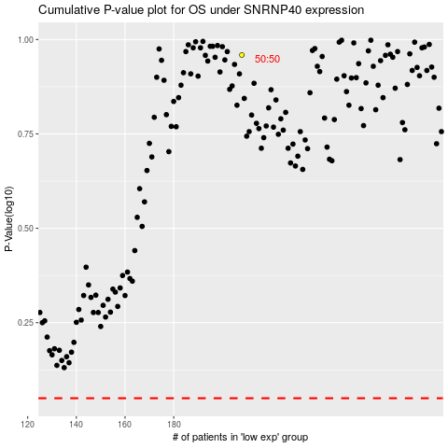

 |  |  |  |  |  | cases_OS | p_OS | rank | exp
 |  |  |  |  |  |  | cases_RFS | p_RFS | rank | exp

