SNRNP48 _multivariate
Reported by Tex Li-Hsing Chi. tex@gate.sinica.edu.tw 2019-08-15

Table 2. The clinicopathological features of HNSCC cohort and SNRNP48 expression. (Chi square test)
Cutoff at -0.199 (49.8%)
 |  | SNRNP48 expression |  | SNRNP48 expression |  | (Optimised)
 | Features | Low | (%) | High | (%) | Case no | P-value | Remark | Matthews
Gender | Female | 141 | 34 | 165 | 39.8 | 415 | 0.013 | 1 | 0
2 | Male | 66 | 15.9 | 43 | 10.4
Age at diagnosis | <=65y | 130 | 31.3 | 144 | 34.7 | 415 | 0.2009 | 0 | 0
4 | >65y | 77 | 18.6 | 64 | 15.4
Clinical T Status | T1+T2 | 64 | 15.4 | 85 | 20.5 | 415 | 0.0445 | 1 | 0
6 | T3+T4 | 143 | 34.5 | 123 | 29.6
Clinical N Status | N0 | 106 | 25.5 | 110 | 26.5 | 415 | 0.8075 | 0 | 0
8 | N1-3 | 101 | 24.3 | 98 | 23.6
Clinical M Status | M0 | 205 | 49.4 | 207 | 49.9 | 415 | 0.6232 | 0 | 0
10 | M1 | 2 | 0.5 | 1 | 0.2
Clinical Stage | Stage I+II | 45 | 10.8 | 57 | 13.7 | 415 | 0.2202 | 0 | 0
12 | Stage III+IV | 162 | 39 | 151 | 36.4
Surgical Margin status | Negative | 171 | 41.2 | 147 | 35.4 | 415 | 0.0052 | 1 | 0
14 | Positive | 36 | 8.7 | 61 | 14.7
Tobacco Exposure | Low | 87 | 21 | 74 | 17.8 | 415 | 0.1911 | 0 | 0
16 | High | 120 | 28.9 | 134 | 32.3

Table 3. Univariate/Multivariate Cox's proportional hazards regression analyses on OS time of SNRNP48 gene expression in HNSCC

 |  | Univariate |  |  |  | Multivariate
 | Features | HR | CI95%(L) | CI95%(H) | P-value | HR | CI95%(L) | CI95%(H) | P-value
1 | Female | 1 |  |  |  | 1
Gender | Male | 1.157 | 0.843 | 1.587 | 0.367 | 1.219 | 0.869 | 1.711 | 0.252
11 | <=65y | 1 |  |  |  | 1
Age at diagnosis | >65y | 1.329 | 0.99 | 1.784 | 0.058 | 1.395 | 1.026 | 1.895 | 0.034
12 | T1+T2 | 1 |  |  |  | 1
Clinical T Status | T3+T4 | 1.409 | 1.028 | 1.931 | 0.033 | 2.243 | 1.182 | 4.258 | 0.014
13 | N0 | 1 |  |  |  | 1
Clinical N Status | N1-3 | 1.185 | 0.89 | 1.577 | 0.246 | 1.247 | 0.873 | 1.78 | 0.225
14 | M0 | 1 |  |  |  | 1
Clinical M Status | M1 | 4.097 | 1.009 | 16.644 | 0.049 | 9.807 | 2.12 | 45.357 | 0.003
15 | Stage I+II | 1 |  |  |  | 1
Clinical Stage | Stage III+IV | 1.245 | 0.882 | 1.759 | 0.213 | 0.497 | 0.231 | 1.069 | 0.074
16 | Negative | 1 |  |  |  | 1
Surgical Margin status | Positive | 1.591 | 1.155 | 2.191 | 0.004 | 1.651 | 1.19 | 2.29 | 0.003
17 | Low | 1 |  |  |  | 1
Tobacco Exposure | High | 1.364 | 1.008 | 1.844 | 0.044 | 1.454 | 1.056 | 2.004 | 0.022
18 | Low | 1 |  |  |  | 1
RNAseq(z-score) | High | 1.02 | 0.764 | 1.36 | 0.895 | 1.08 | 0.799 | 1.46 | 0.617

Table 4. Univariate/Multivariate Cox's proportional hazards regression analyses on RFS time of SNRNP48 gene expression in HNSCC

 |  | Univariate |  |  |  | Multivariate
 | Features | HR | CI95%(L) | CI95%(H) | P-value | HR | CI95%(L) | CI95%(H) | P-value
1 | Female | 1 |  |  |  | 1
Gender | Male | 1.157 | 0.843 | 1.587 | 0.367 | 1.219 | 0.869 | 1.711 | 0.252
11 | <=65y | 1 |  |  |  | 1
Age at diagnosis | >65y | 1.329 | 0.99 | 1.784 | 0.058 | 1.395 | 1.026 | 1.895 | 0.034
12 | T1+T2 | 1 |  |  |  | 1
Clinical T Status | T3+T4 | 1.409 | 1.028 | 1.931 | 0.033 | 2.243 | 1.182 | 4.258 | 0.014
13 | N0 | 1 |  |  |  | 1
Clinical N Status | N1-3 | 1.185 | 0.89 | 1.577 | 0.246 | 1.247 | 0.873 | 1.78 | 0.225
14 | M0 | 1 |  |  |  | 1
Clinical M Status | M1 | 4.097 | 1.009 | 16.644 | 0.049 | 9.807 | 2.12 | 45.357 | 0.003
15 | Stage I+II | 1 |  |  |  | 1
Clinical Stage | Stage III+IV | 1.245 | 0.882 | 1.759 | 0.213 | 0.497 | 0.231 | 1.069 | 0.074
16 | Negative | 1 |  |  |  | 1
Surgical Margin status | Positive | 1.591 | 1.155 | 2.191 | 0.004 | 1.651 | 1.19 | 2.29 | 0.003
17 | Low | 1 |  |  |  | 1
Tobacco Exposure | High | 1.364 | 1.008 | 1.844 | 0.044 | 1.454 | 1.056 | 2.004 | 0.022
18 | Low | 1 |  |  |  | 1
RNAseq(z-score) | High | 1.02 | 0.764 | 1.36 | 0.895 | 1.08 | 0.799 | 1.46 | 0.617

Kaplan-Meier survival estimate: Cutoff at -0.199 (49.8%)



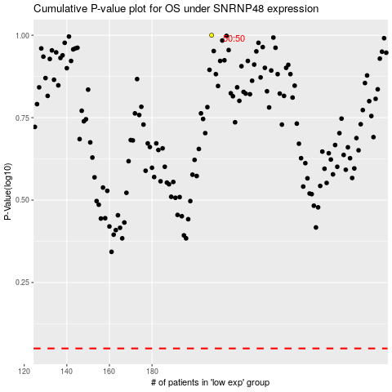

 |  |  |  |  |  | cases_OS | p_OS | rank | exp
 |  |  |  |  |  |  | cases_RFS | p_RFS | rank | exp

