SNRPA1 _multivariate
Reported by Tex Li-Hsing Chi. tex@gate.sinica.edu.tw 2019-08-15

Table 2. The clinicopathological features of HNSCC cohort and SNRPA1 expression. (Chi square test)
Cutoff at -0.486 (32.6%)
 |  | SNRPA1 expression |  | SNRPA1 expression |  | (Optimised)
 | Features | Low | (%) | High | (%) | Case no | P-value | Remark | Matthews
Gender | Female | 95 | 22.9 | 211 | 50.8 | 415 | 0.3358 | 0 | 0
2 | Male | 40 | 9.6 | 69 | 16.6
Age at diagnosis | <=65y | 93 | 22.4 | 181 | 43.6 | 415 | 0.4563 | 0 | 0
4 | >65y | 42 | 10.1 | 99 | 23.9
Clinical T Status | T1+T2 | 59 | 14.2 | 90 | 21.7 | 415 | 0.0285 | 1 | 0
6 | T3+T4 | 76 | 18.3 | 190 | 45.8
Clinical N Status | N0 | 72 | 17.3 | 144 | 34.7 | 415 | 0.7956 | 0 | 0
8 | N1-3 | 63 | 15.2 | 136 | 32.8
Clinical M Status | M0 | 135 | 32.5 | 277 | 66.7 | 415 | 0.5541 | 0 | 0
10 | M1 | 0 | 0 | 3 | 0.7
Clinical Stage | Stage I+II | 44 | 10.6 | 58 | 14 | 415 | 0.012 | 1 | 0
12 | Stage III+IV | 91 | 21.9 | 222 | 53.5
Surgical Margin status | Negative | 113 | 27.2 | 205 | 49.4 | 415 | 0.0188 | 1 | 0
14 | Positive | 22 | 5.3 | 75 | 18.1
Tobacco Exposure | Low | 63 | 15.2 | 98 | 23.6 | 415 | 0.0243 | 1 | 0
16 | High | 72 | 17.3 | 182 | 43.9

Table 3. Univariate/Multivariate Cox's proportional hazards regression analyses on OS time of SNRPA1 gene expression in HNSCC

 |  | Univariate |  |  |  | Multivariate
 | Features | HR | CI95%(L) | CI95%(H) | P-value | HR | CI95%(L) | CI95%(H) | P-value
1 | Female | 1 |  |  |  | 1
Gender | Male | 1.157 | 0.843 | 1.587 | 0.367 | 1.196 | 0.856 | 1.672 | 0.295
11 | <=65y | 1 |  |  |  | 1
Age at diagnosis | >65y | 1.329 | 0.99 | 1.784 | 0.058 | 1.386 | 1.019 | 1.884 | 0.037
12 | T1+T2 | 1 |  |  |  | 1
Clinical T Status | T3+T4 | 1.409 | 1.028 | 1.931 | 0.033 | 2.191 | 1.159 | 4.143 | 0.016
13 | N0 | 1 |  |  |  | 1
Clinical N Status | N1-3 | 1.185 | 0.89 | 1.577 | 0.246 | 1.258 | 0.88 | 1.799 | 0.207
14 | M0 | 1 |  |  |  | 1
Clinical M Status | M1 | 4.097 | 1.009 | 16.644 | 0.049 | 8.861 | 1.924 | 40.816 | 0.005
15 | Stage I+II | 1 |  |  |  | 1
Clinical Stage | Stage III+IV | 1.245 | 0.882 | 1.759 | 0.213 | 0.493 | 0.229 | 1.06 | 0.07
16 | Negative | 1 |  |  |  | 1
Surgical Margin status | Positive | 1.591 | 1.155 | 2.191 | 0.004 | 1.617 | 1.162 | 2.25 | 0.004
17 | Low | 1 |  |  |  | 1
Tobacco Exposure | High | 1.364 | 1.008 | 1.844 | 0.044 | 1.425 | 1.032 | 1.969 | 0.032
18 | Low | 1 |  |  |  | 1
RNAseq(z-score) | High | 1.364 | 1.001 | 1.858 | 0.049 | 1.167 | 0.846 | 1.609 | 0.347

Table 4. Univariate/Multivariate Cox's proportional hazards regression analyses on RFS time of SNRPA1 gene expression in HNSCC

 |  | Univariate |  |  |  | Multivariate
 | Features | HR | CI95%(L) | CI95%(H) | P-value | HR | CI95%(L) | CI95%(H) | P-value
1 | Female | 1 |  |  |  | 1
Gender | Male | 1.157 | 0.843 | 1.587 | 0.367 | 1.196 | 0.856 | 1.672 | 0.295
11 | <=65y | 1 |  |  |  | 1
Age at diagnosis | >65y | 1.329 | 0.99 | 1.784 | 0.058 | 1.386 | 1.019 | 1.884 | 0.037
12 | T1+T2 | 1 |  |  |  | 1
Clinical T Status | T3+T4 | 1.409 | 1.028 | 1.931 | 0.033 | 2.191 | 1.159 | 4.143 | 0.016
13 | N0 | 1 |  |  |  | 1
Clinical N Status | N1-3 | 1.185 | 0.89 | 1.577 | 0.246 | 1.258 | 0.88 | 1.799 | 0.207
14 | M0 | 1 |  |  |  | 1
Clinical M Status | M1 | 4.097 | 1.009 | 16.644 | 0.049 | 8.861 | 1.924 | 40.816 | 0.005
15 | Stage I+II | 1 |  |  |  | 1
Clinical Stage | Stage III+IV | 1.245 | 0.882 | 1.759 | 0.213 | 0.493 | 0.229 | 1.06 | 0.07
16 | Negative | 1 |  |  |  | 1
Surgical Margin status | Positive | 1.591 | 1.155 | 2.191 | 0.004 | 1.617 | 1.162 | 2.25 | 0.004
17 | Low | 1 |  |  |  | 1
Tobacco Exposure | High | 1.364 | 1.008 | 1.844 | 0.044 | 1.425 | 1.032 | 1.969 | 0.032
18 | Low | 1 |  |  |  | 1
RNAseq(z-score) | High | 1.364 | 1.001 | 1.858 | 0.049 | 1.167 | 0.846 | 1.609 | 0.347

Kaplan-Meier survival estimate: Cutoff at -0.486 (32.6%)



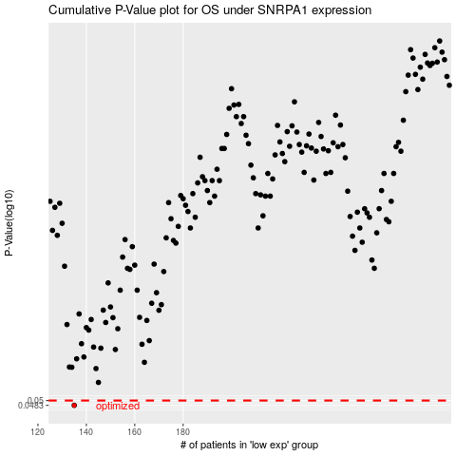

 |  |  |  |  |  | cases_OS | p_OS | rank | exp
 |  |  |  |  |  | 135 | 0.0483 | 198 | -0.48567053428
 |  |  |  |  |  |  | cases_RFS | p_RFS | rank | exp
 |  |  |  |  |  |  | 134 | 0.0483 | 396 | -0.49745409774

