SNRPB _multivariate
Reported by Tex Li-Hsing Chi. tex@gate.sinica.edu.tw 2019-08-15

Table 2. The clinicopathological features of HNSCC cohort and SNRPB expression. (Chi square test)
Cutoff at -0.25 (49.8%)
 |  | SNRPB expression |  | SNRPB expression |  | (Optimised)
 | Features | Low | (%) | High | (%) | Case no | P-value | Remark | Matthews
Gender | Female | 144 | 34.7 | 162 | 39 | 415 | 0.0697 | 0 | 0
2 | Male | 63 | 15.2 | 46 | 11.1
Age at diagnosis | <=65y | 130 | 31.3 | 144 | 34.7 | 415 | 0.2009 | 0 | 0
4 | >65y | 77 | 18.6 | 64 | 15.4
Clinical T Status | T1+T2 | 81 | 19.5 | 68 | 16.4 | 415 | 0.206 | 0 | 0
6 | T3+T4 | 126 | 30.4 | 140 | 33.7
Clinical N Status | N0 | 121 | 29.2 | 95 | 22.9 | 415 | 0.0122 | 1 | 0
8 | N1-3 | 86 | 20.7 | 113 | 27.2
Clinical M Status | M0 | 207 | 49.9 | 205 | 49.4 | 415 | 0.2482 | 0 | 0
10 | M1 | 0 | 0 | 3 | 0.7
Clinical Stage | Stage I+II | 61 | 14.7 | 41 | 9.9 | 415 | 0.0282 | 1 | 0
12 | Stage III+IV | 146 | 35.2 | 167 | 40.2
Surgical Margin status | Negative | 164 | 39.5 | 154 | 37.1 | 415 | 0.2462 | 0 | 0
14 | Positive | 43 | 10.4 | 54 | 13
Tobacco Exposure | Low | 85 | 20.5 | 76 | 18.3 | 415 | 0.3655 | 0 | 0
16 | High | 122 | 29.4 | 132 | 31.8

Table 3. Univariate/Multivariate Cox's proportional hazards regression analyses on OS time of SNRPB gene expression in HNSCC

 |  | Univariate |  |  |  | Multivariate
 | Features | HR | CI95%(L) | CI95%(H) | P-value | HR | CI95%(L) | CI95%(H) | P-value
1 | Female | 1 |  |  |  | 1
Gender | Male | 1.157 | 0.843 | 1.587 | 0.367 | 1.195 | 0.856 | 1.67 | 0.296
11 | <=65y | 1 |  |  |  | 1
Age at diagnosis | >65y | 1.329 | 0.99 | 1.784 | 0.058 | 1.396 | 1.026 | 1.898 | 0.034
12 | T1+T2 | 1 |  |  |  | 1
Clinical T Status | T3+T4 | 1.409 | 1.028 | 1.931 | 0.033 | 2.199 | 1.163 | 4.158 | 0.015
13 | N0 | 1 |  |  |  | 1
Clinical N Status | N1-3 | 1.185 | 0.89 | 1.577 | 0.246 | 1.265 | 0.883 | 1.812 | 0.2
14 | M0 | 1 |  |  |  | 1
Clinical M Status | M1 | 4.097 | 1.009 | 16.644 | 0.049 | 9.819 | 2.132 | 45.217 | 0.003
15 | Stage I+II | 1 |  |  |  | 1
Clinical Stage | Stage III+IV | 1.245 | 0.882 | 1.759 | 0.213 | 0.507 | 0.236 | 1.089 | 0.082
16 | Negative | 1 |  |  |  | 1
Surgical Margin status | Positive | 1.591 | 1.155 | 2.191 | 0.004 | 1.68 | 1.216 | 2.323 | 0.002
17 | Low | 1 |  |  |  | 1
Tobacco Exposure | High | 1.364 | 1.008 | 1.844 | 0.044 | 1.458 | 1.058 | 2.009 | 0.021
18 | Low | 1 |  |  |  | 1
RNAseq(z-score) | High | 0.977 | 0.733 | 1.301 | 0.871 | 0.898 | 0.667 | 1.207 | 0.474

Table 4. Univariate/Multivariate Cox's proportional hazards regression analyses on RFS time of SNRPB gene expression in HNSCC

 |  | Univariate |  |  |  | Multivariate
 | Features | HR | CI95%(L) | CI95%(H) | P-value | HR | CI95%(L) | CI95%(H) | P-value
1 | Female | 1 |  |  |  | 1
Gender | Male | 1.157 | 0.843 | 1.587 | 0.367 | 1.195 | 0.856 | 1.67 | 0.296
11 | <=65y | 1 |  |  |  | 1
Age at diagnosis | >65y | 1.329 | 0.99 | 1.784 | 0.058 | 1.396 | 1.026 | 1.898 | 0.034
12 | T1+T2 | 1 |  |  |  | 1
Clinical T Status | T3+T4 | 1.409 | 1.028 | 1.931 | 0.033 | 2.199 | 1.163 | 4.158 | 0.015
13 | N0 | 1 |  |  |  | 1
Clinical N Status | N1-3 | 1.185 | 0.89 | 1.577 | 0.246 | 1.265 | 0.883 | 1.812 | 0.2
14 | M0 | 1 |  |  |  | 1
Clinical M Status | M1 | 4.097 | 1.009 | 16.644 | 0.049 | 9.819 | 2.132 | 45.217 | 0.003
15 | Stage I+II | 1 |  |  |  | 1
Clinical Stage | Stage III+IV | 1.245 | 0.882 | 1.759 | 0.213 | 0.507 | 0.236 | 1.089 | 0.082
16 | Negative | 1 |  |  |  | 1
Surgical Margin status | Positive | 1.591 | 1.155 | 2.191 | 0.004 | 1.68 | 1.216 | 2.323 | 0.002
17 | Low | 1 |  |  |  | 1
Tobacco Exposure | High | 1.364 | 1.008 | 1.844 | 0.044 | 1.458 | 1.058 | 2.009 | 0.021
18 | Low | 1 |  |  |  | 1
RNAseq(z-score) | High | 0.977 | 0.733 | 1.301 | 0.871 | 0.898 | 0.667 | 1.207 | 0.474

Kaplan-Meier survival estimate: Cutoff at -0.25 (49.8%)

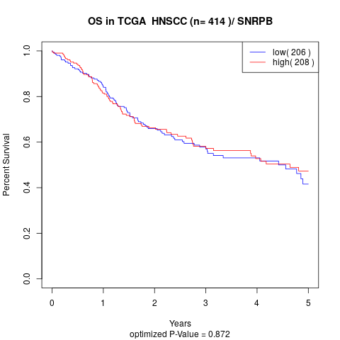

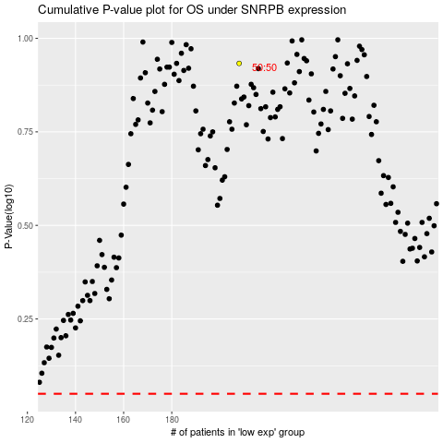

 |  |  |  |  |  | cases_OS | p_OS | rank | exp
 |  |  |  |  |  |  | cases_RFS | p_RFS | rank | exp

