SNRPD2 _multivariate
Reported by Tex Li-Hsing Chi. tex@gate.sinica.edu.tw 2019-08-15

Table 2. The clinicopathological features of HNSCC cohort and SNRPD2 expression. (Chi square test)
Cutoff at -0.238 (50.0%)
 |  | SNRPD2 expression |  | SNRPD2 expression |  | (Optimised)
 | Features | Low | (%) | High | (%) | Case no | P-value | Remark | Matthews
Gender | Female | 149 | 35.9 | 157 | 37.8 | 415 | 0.4848 | 0 | 0
2 | Male | 58 | 14 | 51 | 12.3
Age at diagnosis | <=65y | 141 | 34 | 133 | 32 | 415 | 0.4272 | 0 | 0
4 | >65y | 66 | 15.9 | 75 | 18.1
Clinical T Status | T1+T2 | 80 | 19.3 | 69 | 16.6 | 415 | 0.2891 | 0 | 0
6 | T3+T4 | 127 | 30.6 | 139 | 33.5
Clinical N Status | N0 | 112 | 27 | 104 | 25.1 | 415 | 0.4599 | 0 | 0
8 | N1-3 | 95 | 22.9 | 104 | 25.1
Clinical M Status | M0 | 207 | 49.9 | 205 | 49.4 | 415 | 0.2482 | 0 | 0
10 | M1 | 0 | 0 | 3 | 0.7
Clinical Stage | Stage I+II | 56 | 13.5 | 46 | 11.1 | 415 | 0.2918 | 0 | 0
12 | Stage III+IV | 151 | 36.4 | 162 | 39
Surgical Margin status | Negative | 169 | 40.7 | 149 | 35.9 | 415 | 0.0201 | 1 | 0
14 | Positive | 38 | 9.2 | 59 | 14.2
Tobacco Exposure | Low | 91 | 21.9 | 70 | 16.9 | 415 | 0.0346 | 1 | 0
16 | High | 116 | 28 | 138 | 33.3

Table 3. Univariate/Multivariate Cox's proportional hazards regression analyses on OS time of SNRPD2 gene expression in HNSCC

 |  | Univariate |  |  |  | Multivariate
 | Features | HR | CI95%(L) | CI95%(H) | P-value | HR | CI95%(L) | CI95%(H) | P-value
1 | Female | 1 |  |  |  | 1
Gender | Male | 1.157 | 0.843 | 1.587 | 0.367 | 1.196 | 0.855 | 1.674 | 0.295
11 | <=65y | 1 |  |  |  | 1
Age at diagnosis | >65y | 1.329 | 0.99 | 1.784 | 0.058 | 1.388 | 1.02 | 1.888 | 0.037
12 | T1+T2 | 1 |  |  |  | 1
Clinical T Status | T3+T4 | 1.409 | 1.028 | 1.931 | 0.033 | 2.198 | 1.162 | 4.156 | 0.015
13 | N0 | 1 |  |  |  | 1
Clinical N Status | N1-3 | 1.185 | 0.89 | 1.577 | 0.246 | 1.237 | 0.866 | 1.766 | 0.242
14 | M0 | 1 |  |  |  | 1
Clinical M Status | M1 | 4.097 | 1.009 | 16.644 | 0.049 | 9.187 | 1.987 | 42.469 | 0.005
15 | Stage I+II | 1 |  |  |  | 1
Clinical Stage | Stage III+IV | 1.245 | 0.882 | 1.759 | 0.213 | 0.505 | 0.235 | 1.084 | 0.08
16 | Negative | 1 |  |  |  | 1
Surgical Margin status | Positive | 1.591 | 1.155 | 2.191 | 0.004 | 1.664 | 1.202 | 2.302 | 0.002
17 | Low | 1 |  |  |  | 1
Tobacco Exposure | High | 1.364 | 1.008 | 1.844 | 0.044 | 1.443 | 1.044 | 1.995 | 0.027
18 | Low | 1 |  |  |  | 1
RNAseq(z-score) | High | 1.204 | 0.904 | 1.604 | 0.204 | 1.044 | 0.777 | 1.403 | 0.775

Table 4. Univariate/Multivariate Cox's proportional hazards regression analyses on RFS time of SNRPD2 gene expression in HNSCC

 |  | Univariate |  |  |  | Multivariate
 | Features | HR | CI95%(L) | CI95%(H) | P-value | HR | CI95%(L) | CI95%(H) | P-value
1 | Female | 1 |  |  |  | 1
Gender | Male | 1.157 | 0.843 | 1.587 | 0.367 | 1.196 | 0.855 | 1.674 | 0.295
11 | <=65y | 1 |  |  |  | 1
Age at diagnosis | >65y | 1.329 | 0.99 | 1.784 | 0.058 | 1.388 | 1.02 | 1.888 | 0.037
12 | T1+T2 | 1 |  |  |  | 1
Clinical T Status | T3+T4 | 1.409 | 1.028 | 1.931 | 0.033 | 2.198 | 1.162 | 4.156 | 0.015
13 | N0 | 1 |  |  |  | 1
Clinical N Status | N1-3 | 1.185 | 0.89 | 1.577 | 0.246 | 1.237 | 0.866 | 1.766 | 0.242
14 | M0 | 1 |  |  |  | 1
Clinical M Status | M1 | 4.097 | 1.009 | 16.644 | 0.049 | 9.187 | 1.987 | 42.469 | 0.005
15 | Stage I+II | 1 |  |  |  | 1
Clinical Stage | Stage III+IV | 1.245 | 0.882 | 1.759 | 0.213 | 0.505 | 0.235 | 1.084 | 0.08
16 | Negative | 1 |  |  |  | 1
Surgical Margin status | Positive | 1.591 | 1.155 | 2.191 | 0.004 | 1.664 | 1.202 | 2.302 | 0.002
17 | Low | 1 |  |  |  | 1
Tobacco Exposure | High | 1.364 | 1.008 | 1.844 | 0.044 | 1.443 | 1.044 | 1.995 | 0.027
18 | Low | 1 |  |  |  | 1
RNAseq(z-score) | High | 1.204 | 0.904 | 1.604 | 0.204 | 1.044 | 0.777 | 1.403 | 0.775

Kaplan-Meier survival estimate: Cutoff at -0.238 (50.0%)



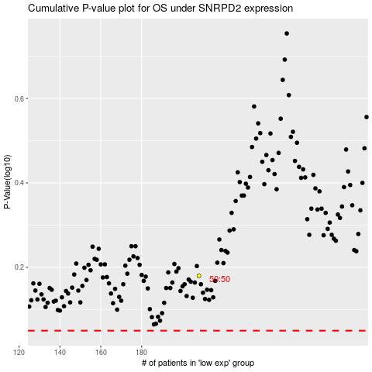

 |  |  |  |  |  | cases_OS | p_OS | rank | exp
 |  |  |  |  |  |  | cases_RFS | p_RFS | rank | exp

