SNTA1 _multivariate
Reported by Tex Li-Hsing Chi. tex@gate.sinica.edu.tw 2019-08-15

Table 2. The clinicopathological features of HNSCC cohort and SNTA1 expression. (Chi square test)
Cutoff at -0.234 (51.4%)
 |  | SNTA1 expression |  | SNTA1 expression |  | (Optimised)
 | Features | Low | (%) | High | (%) | Case no | P-value | Remark | Matthews
Gender | Female | 156 | 37.6 | 150 | 36.1 | 415 | 0.9014 | 0 | 0
2 | Male | 57 | 13.7 | 52 | 12.5
Age at diagnosis | <=65y | 138 | 33.3 | 136 | 32.8 | 415 | 0.6585 | 0 | 0
4 | >65y | 75 | 18.1 | 66 | 15.9
Clinical T Status | T1+T2 | 74 | 17.8 | 75 | 18.1 | 415 | 0.686 | 0 | 0
6 | T3+T4 | 139 | 33.5 | 127 | 30.6
Clinical N Status | N0 | 113 | 27.2 | 103 | 24.8 | 415 | 0.7475 | 0 | 0
8 | N1-3 | 100 | 24.1 | 99 | 23.9
Clinical M Status | M0 | 212 | 51.1 | 200 | 48.2 | 415 | 0.6144 | 0 | 0
10 | M1 | 1 | 0.2 | 2 | 0.5
Clinical Stage | Stage I+II | 48 | 11.6 | 54 | 13 | 415 | 0.3796 | 0 | 0
12 | Stage III+IV | 165 | 39.8 | 148 | 35.7
Surgical Margin status | Negative | 166 | 40 | 152 | 36.6 | 415 | 0.5624 | 0 | 0
14 | Positive | 47 | 11.3 | 50 | 12
Tobacco Exposure | Low | 84 | 20.2 | 77 | 18.6 | 415 | 0.8404 | 0 | 0
16 | High | 129 | 31.1 | 125 | 30.1

Table 3. Univariate/Multivariate Cox's proportional hazards regression analyses on OS time of SNTA1 gene expression in HNSCC

 |  | Univariate |  |  |  | Multivariate
 | Features | HR | CI95%(L) | CI95%(H) | P-value | HR | CI95%(L) | CI95%(H) | P-value
1 | Female | 1 |  |  |  | 1
Gender | Male | 1.157 | 0.843 | 1.587 | 0.367 | 1.198 | 0.857 | 1.673 | 0.29
11 | <=65y | 1 |  |  |  | 1
Age at diagnosis | >65y | 1.329 | 0.99 | 1.784 | 0.058 | 1.393 | 1.024 | 1.893 | 0.035
12 | T1+T2 | 1 |  |  |  | 1
Clinical T Status | T3+T4 | 1.409 | 1.028 | 1.931 | 0.033 | 2.147 | 1.135 | 4.063 | 0.019
13 | N0 | 1 |  |  |  | 1
Clinical N Status | N1-3 | 1.185 | 0.89 | 1.577 | 0.246 | 1.22 | 0.855 | 1.741 | 0.274
14 | M0 | 1 |  |  |  | 1
Clinical M Status | M1 | 4.097 | 1.009 | 16.644 | 0.049 | 8.531 | 1.852 | 39.3 | 0.006
15 | Stage I+II | 1 |  |  |  | 1
Clinical Stage | Stage III+IV | 1.245 | 0.882 | 1.759 | 0.213 | 0.531 | 0.247 | 1.143 | 0.106
16 | Negative | 1 |  |  |  | 1
Surgical Margin status | Positive | 1.591 | 1.155 | 2.191 | 0.004 | 1.636 | 1.183 | 2.262 | 0.003
17 | Low | 1 |  |  |  | 1
Tobacco Exposure | High | 1.364 | 1.008 | 1.844 | 0.044 | 1.439 | 1.046 | 1.981 | 0.025
18 | Low | 1 |  |  |  | 1
RNAseq(z-score) | High | 1.351 | 1.012 | 1.803 | 0.041 | 1.27 | 0.947 | 1.701 | 0.11

Table 4. Univariate/Multivariate Cox's proportional hazards regression analyses on RFS time of SNTA1 gene expression in HNSCC

 |  | Univariate |  |  |  | Multivariate
 | Features | HR | CI95%(L) | CI95%(H) | P-value | HR | CI95%(L) | CI95%(H) | P-value
1 | Female | 1 |  |  |  | 1
Gender | Male | 1.157 | 0.843 | 1.587 | 0.367 | 1.198 | 0.857 | 1.673 | 0.29
11 | <=65y | 1 |  |  |  | 1
Age at diagnosis | >65y | 1.329 | 0.99 | 1.784 | 0.058 | 1.393 | 1.024 | 1.893 | 0.035
12 | T1+T2 | 1 |  |  |  | 1
Clinical T Status | T3+T4 | 1.409 | 1.028 | 1.931 | 0.033 | 2.147 | 1.135 | 4.063 | 0.019
13 | N0 | 1 |  |  |  | 1
Clinical N Status | N1-3 | 1.185 | 0.89 | 1.577 | 0.246 | 1.22 | 0.855 | 1.741 | 0.274
14 | M0 | 1 |  |  |  | 1
Clinical M Status | M1 | 4.097 | 1.009 | 16.644 | 0.049 | 8.531 | 1.852 | 39.3 | 0.006
15 | Stage I+II | 1 |  |  |  | 1
Clinical Stage | Stage III+IV | 1.245 | 0.882 | 1.759 | 0.213 | 0.531 | 0.247 | 1.143 | 0.106
16 | Negative | 1 |  |  |  | 1
Surgical Margin status | Positive | 1.591 | 1.155 | 2.191 | 0.004 | 1.636 | 1.183 | 2.262 | 0.003
17 | Low | 1 |  |  |  | 1
Tobacco Exposure | High | 1.364 | 1.008 | 1.844 | 0.044 | 1.439 | 1.046 | 1.981 | 0.025
18 | Low | 1 |  |  |  | 1
RNAseq(z-score) | High | 1.351 | 1.012 | 1.803 | 0.041 | 1.27 | 0.947 | 1.701 | 0.11

Kaplan-Meier survival estimate: Cutoff at -0.234 (51.4%)



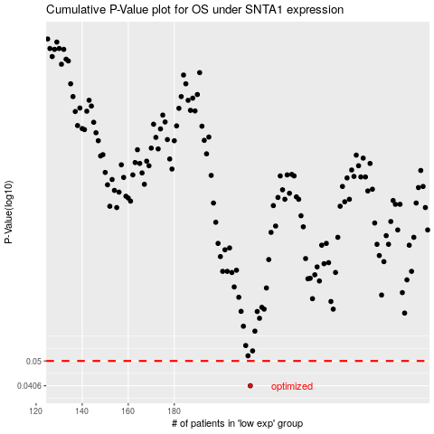

 |  |  |  |  |  | cases_OS | p_OS | rank | exp
 |  |  |  |  |  | 213 | 0.0406 | 296 | -0.23402972794
 |  |  |  |  |  |  | cases_RFS | p_RFS | rank | exp
 |  |  |  |  |  |  | 212 | 0.0406 | 255 | -0.23651845913

