SNTB2 _multivariate
Reported by Tex Li-Hsing Chi. tex@gate.sinica.edu.tw 2019-08-15

Table 2. The clinicopathological features of HNSCC cohort and SNTB2 expression. (Chi square test)
Cutoff at -0.02 (49.8%)
 |  | SNTB2 expression |  | SNTB2 expression |  | (Optimised)
 | Features | Low | (%) | High | (%) | Case no | P-value | Remark | Matthews
Gender | Female | 151 | 36.4 | 155 | 37.3 | 415 | 0.8007 | 0 | 0
2 | Male | 56 | 13.5 | 53 | 12.8
Age at diagnosis | <=65y | 136 | 32.8 | 138 | 33.3 | 415 | 0.9719 | 0 | 0
4 | >65y | 71 | 17.1 | 70 | 16.9
Clinical T Status | T1+T2 | 76 | 18.3 | 73 | 17.6 | 415 | 0.8092 | 0 | 0
6 | T3+T4 | 131 | 31.6 | 135 | 32.5
Clinical N Status | N0 | 102 | 24.6 | 114 | 27.5 | 415 | 0.3031 | 0 | 0
8 | N1-3 | 105 | 25.3 | 94 | 22.7
Clinical M Status | M0 | 204 | 49.2 | 208 | 50.1 | 415 | 0.1232 | 0 | 0
10 | M1 | 3 | 0.7 | 0 | 0
Clinical Stage | Stage I+II | 50 | 12 | 52 | 12.5 | 415 | 0.9315 | 0 | 0
12 | Stage III+IV | 157 | 37.8 | 156 | 37.6
Surgical Margin status | Negative | 155 | 37.3 | 163 | 39.3 | 415 | 0.4187 | 0 | 0
14 | Positive | 52 | 12.5 | 45 | 10.8
Tobacco Exposure | Low | 81 | 19.5 | 80 | 19.3 | 415 | 0.9199 | 0 | 0
16 | High | 126 | 30.4 | 128 | 30.8

Table 3. Univariate/Multivariate Cox's proportional hazards regression analyses on OS time of SNTB2 gene expression in HNSCC

 |  | Univariate |  |  |  | Multivariate
 | Features | HR | CI95%(L) | CI95%(H) | P-value | HR | CI95%(L) | CI95%(H) | P-value
1 | Female | 1 |  |  |  | 1
Gender | Male | 1.157 | 0.843 | 1.587 | 0.367 | 1.199 | 0.858 | 1.675 | 0.289
11 | <=65y | 1 |  |  |  | 1
Age at diagnosis | >65y | 1.329 | 0.99 | 1.784 | 0.058 | 1.395 | 1.026 | 1.896 | 0.034
12 | T1+T2 | 1 |  |  |  | 1
Clinical T Status | T3+T4 | 1.409 | 1.028 | 1.931 | 0.033 | 2.216 | 1.172 | 4.193 | 0.014
13 | N0 | 1 |  |  |  | 1
Clinical N Status | N1-3 | 1.185 | 0.89 | 1.577 | 0.246 | 1.237 | 0.867 | 1.765 | 0.242
14 | M0 | 1 |  |  |  | 1
Clinical M Status | M1 | 4.097 | 1.009 | 16.644 | 0.049 | 9.141 | 1.985 | 42.1 | 0.005
15 | Stage I+II | 1 |  |  |  | 1
Clinical Stage | Stage III+IV | 1.245 | 0.882 | 1.759 | 0.213 | 0.503 | 0.234 | 1.08 | 0.078
16 | Negative | 1 |  |  |  | 1
Surgical Margin status | Positive | 1.591 | 1.155 | 2.191 | 0.004 | 1.662 | 1.202 | 2.298 | 0.002
17 | Low | 1 |  |  |  | 1
Tobacco Exposure | High | 1.364 | 1.008 | 1.844 | 0.044 | 1.458 | 1.058 | 2.01 | 0.021
18 | Low | 1 |  |  |  | 1
RNAseq(z-score) | High | 0.92 | 0.691 | 1.226 | 0.57 | 0.933 | 0.698 | 1.249 | 0.642

Table 4. Univariate/Multivariate Cox's proportional hazards regression analyses on RFS time of SNTB2 gene expression in HNSCC

 |  | Univariate |  |  |  | Multivariate
 | Features | HR | CI95%(L) | CI95%(H) | P-value | HR | CI95%(L) | CI95%(H) | P-value
1 | Female | 1 |  |  |  | 1
Gender | Male | 1.157 | 0.843 | 1.587 | 0.367 | 1.199 | 0.858 | 1.675 | 0.289
11 | <=65y | 1 |  |  |  | 1
Age at diagnosis | >65y | 1.329 | 0.99 | 1.784 | 0.058 | 1.395 | 1.026 | 1.896 | 0.034
12 | T1+T2 | 1 |  |  |  | 1
Clinical T Status | T3+T4 | 1.409 | 1.028 | 1.931 | 0.033 | 2.216 | 1.172 | 4.193 | 0.014
13 | N0 | 1 |  |  |  | 1
Clinical N Status | N1-3 | 1.185 | 0.89 | 1.577 | 0.246 | 1.237 | 0.867 | 1.765 | 0.242
14 | M0 | 1 |  |  |  | 1
Clinical M Status | M1 | 4.097 | 1.009 | 16.644 | 0.049 | 9.141 | 1.985 | 42.1 | 0.005
15 | Stage I+II | 1 |  |  |  | 1
Clinical Stage | Stage III+IV | 1.245 | 0.882 | 1.759 | 0.213 | 0.503 | 0.234 | 1.08 | 0.078
16 | Negative | 1 |  |  |  | 1
Surgical Margin status | Positive | 1.591 | 1.155 | 2.191 | 0.004 | 1.662 | 1.202 | 2.298 | 0.002
17 | Low | 1 |  |  |  | 1
Tobacco Exposure | High | 1.364 | 1.008 | 1.844 | 0.044 | 1.458 | 1.058 | 2.01 | 0.021
18 | Low | 1 |  |  |  | 1
RNAseq(z-score) | High | 0.92 | 0.691 | 1.226 | 0.57 | 0.933 | 0.698 | 1.249 | 0.642

Kaplan-Meier survival estimate: Cutoff at -0.02 (49.8%)

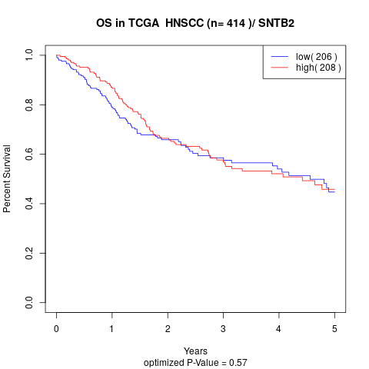

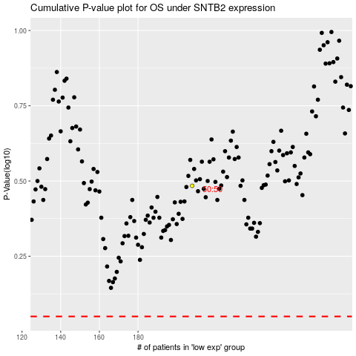

 |  |  |  |  |  | cases_OS | p_OS | rank | exp
 |  |  |  |  |  |  | cases_RFS | p_RFS | rank | exp

