SNX1 _multivariate
Reported by Tex Li-Hsing Chi. tex@gate.sinica.edu.tw 2019-08-15

Table 2. The clinicopathological features of HNSCC cohort and SNX1 expression. (Chi square test)
Cutoff at -0.162 (49.8%)
 |  | SNX1 expression |  | SNX1 expression |  | (Optimised)
 | Features | Low | (%) | High | (%) | Case no | P-value | Remark | Matthews
Gender | Female | 155 | 37.3 | 151 | 36.4 | 415 | 0.6768 | 0 | 0
2 | Male | 52 | 12.5 | 57 | 13.7
Age at diagnosis | <=65y | 142 | 34.2 | 132 | 31.8 | 415 | 0.3167 | 0 | 0
4 | >65y | 65 | 15.7 | 76 | 18.3
Clinical T Status | T1+T2 | 59 | 14.2 | 90 | 21.7 | 415 | 0.0024 | 1 | 0
6 | T3+T4 | 148 | 35.7 | 118 | 28.4
Clinical N Status | N0 | 96 | 23.1 | 120 | 28.9 | 415 | 0.0272 | 1 | 0
8 | N1-3 | 111 | 26.7 | 88 | 21.2
Clinical M Status | M0 | 207 | 49.9 | 205 | 49.4 | 415 | 0.2482 | 0 | 0
10 | M1 | 0 | 0 | 3 | 0.7
Clinical Stage | Stage I+II | 43 | 10.4 | 59 | 14.2 | 415 | 0.0925 | 0 | 0
12 | Stage III+IV | 164 | 39.5 | 149 | 35.9
Surgical Margin status | Negative | 169 | 40.7 | 149 | 35.9 | 415 | 0.0201 | 1 | 0
14 | Positive | 38 | 9.2 | 59 | 14.2
Tobacco Exposure | Low | 68 | 16.4 | 93 | 22.4 | 415 | 0.0156 | 1 | 0
16 | High | 139 | 33.5 | 115 | 27.7

Table 3. Univariate/Multivariate Cox's proportional hazards regression analyses on OS time of SNX1 gene expression in HNSCC

 |  | Univariate |  |  |  | Multivariate
 | Features | HR | CI95%(L) | CI95%(H) | P-value | HR | CI95%(L) | CI95%(H) | P-value
1 | Female | 1 |  |  |  | 1
Gender | Male | 1.157 | 0.843 | 1.587 | 0.367 | 1.198 | 0.857 | 1.673 | 0.291
11 | <=65y | 1 |  |  |  | 1
Age at diagnosis | >65y | 1.329 | 0.99 | 1.784 | 0.058 | 1.393 | 1.025 | 1.893 | 0.034
12 | T1+T2 | 1 |  |  |  | 1
Clinical T Status | T3+T4 | 1.409 | 1.028 | 1.931 | 0.033 | 2.115 | 1.114 | 4.015 | 0.022
13 | N0 | 1 |  |  |  | 1
Clinical N Status | N1-3 | 1.185 | 0.89 | 1.577 | 0.246 | 1.201 | 0.839 | 1.721 | 0.317
14 | M0 | 1 |  |  |  | 1
Clinical M Status | M1 | 4.097 | 1.009 | 16.644 | 0.049 | 10.155 | 2.203 | 46.809 | 0.003
15 | Stage I+II | 1 |  |  |  | 1
Clinical Stage | Stage III+IV | 1.245 | 0.882 | 1.759 | 0.213 | 0.526 | 0.244 | 1.134 | 0.101
16 | Negative | 1 |  |  |  | 1
Surgical Margin status | Positive | 1.591 | 1.155 | 2.191 | 0.004 | 1.729 | 1.246 | 2.4 | 0.001
17 | Low | 1 |  |  |  | 1
Tobacco Exposure | High | 1.364 | 1.008 | 1.844 | 0.044 | 1.41 | 1.02 | 1.948 | 0.038
18 | Low | 1 |  |  |  | 1
RNAseq(z-score) | High | 0.824 | 0.618 | 1.098 | 0.186 | 0.831 | 0.613 | 1.127 | 0.235

Table 4. Univariate/Multivariate Cox's proportional hazards regression analyses on RFS time of SNX1 gene expression in HNSCC

 |  | Univariate |  |  |  | Multivariate
 | Features | HR | CI95%(L) | CI95%(H) | P-value | HR | CI95%(L) | CI95%(H) | P-value
1 | Female | 1 |  |  |  | 1
Gender | Male | 1.157 | 0.843 | 1.587 | 0.367 | 1.198 | 0.857 | 1.673 | 0.291
11 | <=65y | 1 |  |  |  | 1
Age at diagnosis | >65y | 1.329 | 0.99 | 1.784 | 0.058 | 1.393 | 1.025 | 1.893 | 0.034
12 | T1+T2 | 1 |  |  |  | 1
Clinical T Status | T3+T4 | 1.409 | 1.028 | 1.931 | 0.033 | 2.115 | 1.114 | 4.015 | 0.022
13 | N0 | 1 |  |  |  | 1
Clinical N Status | N1-3 | 1.185 | 0.89 | 1.577 | 0.246 | 1.201 | 0.839 | 1.721 | 0.317
14 | M0 | 1 |  |  |  | 1
Clinical M Status | M1 | 4.097 | 1.009 | 16.644 | 0.049 | 10.155 | 2.203 | 46.809 | 0.003
15 | Stage I+II | 1 |  |  |  | 1
Clinical Stage | Stage III+IV | 1.245 | 0.882 | 1.759 | 0.213 | 0.526 | 0.244 | 1.134 | 0.101
16 | Negative | 1 |  |  |  | 1
Surgical Margin status | Positive | 1.591 | 1.155 | 2.191 | 0.004 | 1.729 | 1.246 | 2.4 | 0.001
17 | Low | 1 |  |  |  | 1
Tobacco Exposure | High | 1.364 | 1.008 | 1.844 | 0.044 | 1.41 | 1.02 | 1.948 | 0.038
18 | Low | 1 |  |  |  | 1
RNAseq(z-score) | High | 0.824 | 0.618 | 1.098 | 0.186 | 0.831 | 0.613 | 1.127 | 0.235

Kaplan-Meier survival estimate: Cutoff at -0.162 (49.8%)



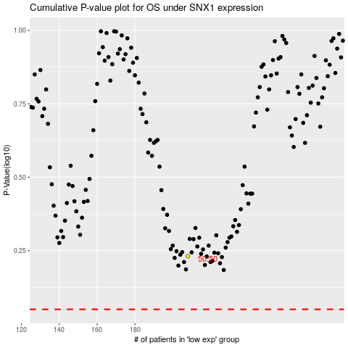

 |  |  |  |  |  | cases_OS | p_OS | rank | exp
 |  |  |  |  |  |  | cases_RFS | p_RFS | rank | exp

