SNX10 _multivariate
Reported by Tex Li-Hsing Chi. tex@gate.sinica.edu.tw 2019-08-15

Table 2. The clinicopathological features of HNSCC cohort and SNX10 expression. (Chi square test)
Cutoff at 0.34 (69.8%)
 |  | SNX10 expression |  | SNX10 expression |  | (Optimised)
 | Features | Low | (%) | High | (%) | Case no | P-value | Remark | Matthews
Gender | Female | 229 | 55.2 | 77 | 18.6 | 415 | 4e-04 | 1 | 0
2 | Male | 61 | 14.7 | 48 | 11.6
Age at diagnosis | <=65y | 198 | 47.7 | 76 | 18.3 | 415 | 0.1731 | 0 | 0
4 | >65y | 92 | 22.2 | 49 | 11.8
Clinical T Status | T1+T2 | 107 | 25.8 | 42 | 10.1 | 415 | 0.5956 | 0 | 0
6 | T3+T4 | 183 | 44.1 | 83 | 20
Clinical N Status | N0 | 154 | 37.1 | 62 | 14.9 | 415 | 0.5835 | 0 | 0
8 | N1-3 | 136 | 32.8 | 63 | 15.2
Clinical M Status | M0 | 287 | 69.2 | 125 | 30.1 | 415 | 0.5571 | 0 | 0
10 | M1 | 3 | 0.7 | 0 | 0
Clinical Stage | Stage I+II | 68 | 16.4 | 34 | 8.2 | 415 | 0.4901 | 0 | 0
12 | Stage III+IV | 222 | 53.5 | 91 | 21.9
Surgical Margin status | Negative | 221 | 53.3 | 97 | 23.4 | 415 | 0.8014 | 0 | 0
14 | Positive | 69 | 16.6 | 28 | 6.7
Tobacco Exposure | Low | 110 | 26.5 | 51 | 12.3 | 415 | 0.585 | 0 | 0
16 | High | 180 | 43.4 | 74 | 17.8

Table 3. Univariate/Multivariate Cox's proportional hazards regression analyses on OS time of SNX10 gene expression in HNSCC

 |  | Univariate |  |  |  | Multivariate
 | Features | HR | CI95%(L) | CI95%(H) | P-value | HR | CI95%(L) | CI95%(H) | P-value
1 | Female | 1 |  |  |  | 1
Gender | Male | 1.157 | 0.843 | 1.587 | 0.367 | 1.154 | 0.825 | 1.616 | 0.402
11 | <=65y | 1 |  |  |  | 1
Age at diagnosis | >65y | 1.329 | 0.99 | 1.784 | 0.058 | 1.366 | 1.004 | 1.858 | 0.047
12 | T1+T2 | 1 |  |  |  | 1
Clinical T Status | T3+T4 | 1.409 | 1.028 | 1.931 | 0.033 | 2.094 | 1.105 | 3.969 | 0.024
13 | N0 | 1 |  |  |  | 1
Clinical N Status | N1-3 | 1.185 | 0.89 | 1.577 | 0.246 | 1.211 | 0.847 | 1.731 | 0.294
14 | M0 | 1 |  |  |  | 1
Clinical M Status | M1 | 4.097 | 1.009 | 16.644 | 0.049 | 9.752 | 2.127 | 44.72 | 0.003
15 | Stage I+II | 1 |  |  |  | 1
Clinical Stage | Stage III+IV | 1.245 | 0.882 | 1.759 | 0.213 | 0.535 | 0.248 | 1.151 | 0.11
16 | Negative | 1 |  |  |  | 1
Surgical Margin status | Positive | 1.591 | 1.155 | 2.191 | 0.004 | 1.639 | 1.185 | 2.267 | 0.003
17 | Low | 1 |  |  |  | 1
Tobacco Exposure | High | 1.364 | 1.008 | 1.844 | 0.044 | 1.465 | 1.065 | 2.016 | 0.019
18 | Low | 1 |  |  |  | 1
RNAseq(z-score) | High | 1.375 | 1.019 | 1.856 | 0.038 | 1.292 | 0.947 | 1.762 | 0.106

Table 4. Univariate/Multivariate Cox's proportional hazards regression analyses on RFS time of SNX10 gene expression in HNSCC

 |  | Univariate |  |  |  | Multivariate
 | Features | HR | CI95%(L) | CI95%(H) | P-value | HR | CI95%(L) | CI95%(H) | P-value
1 | Female | 1 |  |  |  | 1
Gender | Male | 1.157 | 0.843 | 1.587 | 0.367 | 1.154 | 0.825 | 1.616 | 0.402
11 | <=65y | 1 |  |  |  | 1
Age at diagnosis | >65y | 1.329 | 0.99 | 1.784 | 0.058 | 1.366 | 1.004 | 1.858 | 0.047
12 | T1+T2 | 1 |  |  |  | 1
Clinical T Status | T3+T4 | 1.409 | 1.028 | 1.931 | 0.033 | 2.094 | 1.105 | 3.969 | 0.024
13 | N0 | 1 |  |  |  | 1
Clinical N Status | N1-3 | 1.185 | 0.89 | 1.577 | 0.246 | 1.211 | 0.847 | 1.731 | 0.294
14 | M0 | 1 |  |  |  | 1
Clinical M Status | M1 | 4.097 | 1.009 | 16.644 | 0.049 | 9.752 | 2.127 | 44.72 | 0.003
15 | Stage I+II | 1 |  |  |  | 1
Clinical Stage | Stage III+IV | 1.245 | 0.882 | 1.759 | 0.213 | 0.535 | 0.248 | 1.151 | 0.11
16 | Negative | 1 |  |  |  | 1
Surgical Margin status | Positive | 1.591 | 1.155 | 2.191 | 0.004 | 1.639 | 1.185 | 2.267 | 0.003
17 | Low | 1 |  |  |  | 1
Tobacco Exposure | High | 1.364 | 1.008 | 1.844 | 0.044 | 1.465 | 1.065 | 2.016 | 0.019
18 | Low | 1 |  |  |  | 1
RNAseq(z-score) | High | 1.375 | 1.019 | 1.856 | 0.038 | 1.292 | 0.947 | 1.762 | 0.106

Kaplan-Meier survival estimate: Cutoff at 0.34 (69.8%)



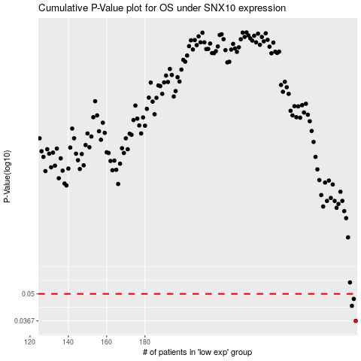

 |  |  |  |  |  | cases_OS | p_OS | rank | exp
 |  |  |  |  |  | 290 | 0.0367 | 195 | 0.34003451149
 |  |  |  |  |  | 288 | 0.0436 | 254 | 0.32699122939
 |  |  |  |  |  | 289 | 0.0472 | 132 | 0.33996638039
 |  |  |  |  |  |  | cases_RFS | p_RFS | rank | exp
 |  |  |  |  |  |  | 289 | 0.0367 | 132 | 0.33996638039
 |  |  |  |  |  |  | 287 | 0.0436 | 166 | 0.32376473513
 |  |  |  |  |  |  | 288 | 0.0472 | 254 | 0.32699122939

