SNX14 _multivariate
Reported by Tex Li-Hsing Chi. tex@gate.sinica.edu.tw 2019-08-15

Table 2. The clinicopathological features of HNSCC cohort and SNX14 expression. (Chi square test)
Cutoff at 0.342 (70.0%)
 |  | SNX14 expression |  | SNX14 expression |  | (Optimised)
 | Features | Low | (%) | High | (%) | Case no | P-value | Remark | Matthews
Gender | Female | 219 | 52.8 | 87 | 21 | 415 | 0.2563 | 0 | 0
2 | Male | 71 | 17.1 | 38 | 9.2
Age at diagnosis | <=65y | 196 | 47.2 | 78 | 18.8 | 415 | 0.3626 | 0 | 0
4 | >65y | 94 | 22.7 | 47 | 11.3
Clinical T Status | T1+T2 | 108 | 26 | 41 | 9.9 | 415 | 0.451 | 0 | 0
6 | T3+T4 | 182 | 43.9 | 84 | 20.2
Clinical N Status | N0 | 157 | 37.8 | 59 | 14.2 | 415 | 0.2337 | 0 | 0
8 | N1-3 | 133 | 32 | 66 | 15.9
Clinical M Status | M0 | 288 | 69.4 | 124 | 29.9 | 415 | 1 | 0 | 0
10 | M1 | 2 | 0.5 | 1 | 0.2
Clinical Stage | Stage I+II | 72 | 17.3 | 30 | 7.2 | 415 | 0.9558 | 0 | 0
12 | Stage III+IV | 218 | 52.5 | 95 | 22.9
Surgical Margin status | Negative | 228 | 54.9 | 90 | 21.7 | 415 | 0.1644 | 0 | 0
14 | Positive | 62 | 14.9 | 35 | 8.4
Tobacco Exposure | Low | 104 | 25.1 | 57 | 13.7 | 415 | 0.0787 | 0 | 0
16 | High | 186 | 44.8 | 68 | 16.4

Table 3. Univariate/Multivariate Cox's proportional hazards regression analyses on OS time of SNX14 gene expression in HNSCC

 |  | Univariate |  |  |  | Multivariate
 | Features | HR | CI95%(L) | CI95%(H) | P-value | HR | CI95%(L) | CI95%(H) | P-value
1 | Female | 1 |  |  |  | 1
Gender | Male | 1.157 | 0.843 | 1.587 | 0.367 | 1.179 | 0.844 | 1.646 | 0.334
11 | <=65y | 1 |  |  |  | 1
Age at diagnosis | >65y | 1.329 | 0.99 | 1.784 | 0.058 | 1.368 | 1.006 | 1.86 | 0.046
12 | T1+T2 | 1 |  |  |  | 1
Clinical T Status | T3+T4 | 1.409 | 1.028 | 1.931 | 0.033 | 2.065 | 1.088 | 3.92 | 0.027
13 | N0 | 1 |  |  |  | 1
Clinical N Status | N1-3 | 1.185 | 0.89 | 1.577 | 0.246 | 1.184 | 0.827 | 1.694 | 0.357
14 | M0 | 1 |  |  |  | 1
Clinical M Status | M1 | 4.097 | 1.009 | 16.644 | 0.049 | 8.693 | 1.892 | 39.938 | 0.005
15 | Stage I+II | 1 |  |  |  | 1
Clinical Stage | Stage III+IV | 1.245 | 0.882 | 1.759 | 0.213 | 0.555 | 0.257 | 1.198 | 0.134
16 | Negative | 1 |  |  |  | 1
Surgical Margin status | Positive | 1.591 | 1.155 | 2.191 | 0.004 | 1.665 | 1.204 | 2.301 | 0.002
17 | Low | 1 |  |  |  | 1
Tobacco Exposure | High | 1.364 | 1.008 | 1.844 | 0.044 | 1.485 | 1.077 | 2.048 | 0.016
18 | Low | 1 |  |  |  | 1
RNAseq(z-score) | High | 1.406 | 1.038 | 1.905 | 0.028 | 1.374 | 1.008 | 1.873 | 0.044

Table 4. Univariate/Multivariate Cox's proportional hazards regression analyses on RFS time of SNX14 gene expression in HNSCC

 |  | Univariate |  |  |  | Multivariate
 | Features | HR | CI95%(L) | CI95%(H) | P-value | HR | CI95%(L) | CI95%(H) | P-value
1 | Female | 1 |  |  |  | 1
Gender | Male | 1.157 | 0.843 | 1.587 | 0.367 | 1.179 | 0.844 | 1.646 | 0.334
11 | <=65y | 1 |  |  |  | 1
Age at diagnosis | >65y | 1.329 | 0.99 | 1.784 | 0.058 | 1.368 | 1.006 | 1.86 | 0.046
12 | T1+T2 | 1 |  |  |  | 1
Clinical T Status | T3+T4 | 1.409 | 1.028 | 1.931 | 0.033 | 2.065 | 1.088 | 3.92 | 0.027
13 | N0 | 1 |  |  |  | 1
Clinical N Status | N1-3 | 1.185 | 0.89 | 1.577 | 0.246 | 1.184 | 0.827 | 1.694 | 0.357
14 | M0 | 1 |  |  |  | 1
Clinical M Status | M1 | 4.097 | 1.009 | 16.644 | 0.049 | 8.693 | 1.892 | 39.938 | 0.005
15 | Stage I+II | 1 |  |  |  | 1
Clinical Stage | Stage III+IV | 1.245 | 0.882 | 1.759 | 0.213 | 0.555 | 0.257 | 1.198 | 0.134
16 | Negative | 1 |  |  |  | 1
Surgical Margin status | Positive | 1.591 | 1.155 | 2.191 | 0.004 | 1.665 | 1.204 | 2.301 | 0.002
17 | Low | 1 |  |  |  | 1
Tobacco Exposure | High | 1.364 | 1.008 | 1.844 | 0.044 | 1.485 | 1.077 | 2.048 | 0.016
18 | Low | 1 |  |  |  | 1
RNAseq(z-score) | High | 1.406 | 1.038 | 1.905 | 0.028 | 1.374 | 1.008 | 1.873 | 0.044

Kaplan-Meier survival estimate: Cutoff at 0.342 (70.0%)

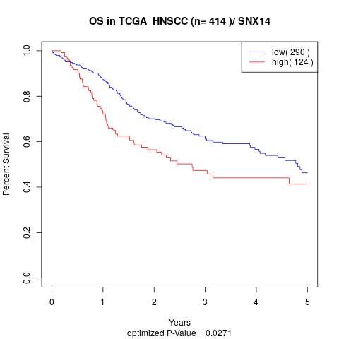

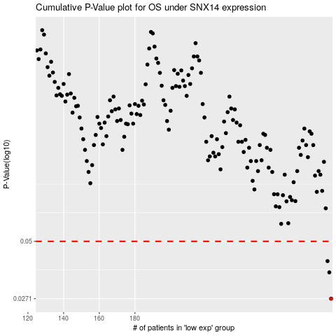

 |  |  |  |  |  | cases_OS | p_OS | rank | exp
 |  |  |  |  |  | 290 | 0.0271 | 412 | 0.34192133943
 |  |  |  |  |  | 289 | 0.0359 | 112 | 0.33964320249
 |  |  |  |  |  | 288 | 0.0405 | 147 | 0.33946095153
 |  |  |  |  |  |  | cases_RFS | p_RFS | rank | exp
 |  |  |  |  |  |  | 289 | 0.0271 | 112 | 0.33964320249
 |  |  |  |  |  |  | 288 | 0.0359 | 147 | 0.33946095153
 |  |  |  |  |  |  | 287 | 0.0405 | 230 | 0.32020121892

