SNX15 _multivariate
Reported by Tex Li-Hsing Chi. tex@gate.sinica.edu.tw 2019-08-15

Table 2. The clinicopathological features of HNSCC cohort and SNX15 expression. (Chi square test)
Cutoff at -0.15 (49.8%)
 |  | SNX15 expression |  | SNX15 expression |  | (Optimised)
 | Features | Low | (%) | High | (%) | Case no | P-value | Remark | Matthews
Gender | Female | 152 | 36.6 | 154 | 37.1 | 415 | 0.9766 | 0 | 0
2 | Male | 55 | 13.3 | 54 | 13
Age at diagnosis | <=65y | 125 | 30.1 | 149 | 35.9 | 415 | 0.0206 | 1 | 0
4 | >65y | 82 | 19.8 | 59 | 14.2
Clinical T Status | T1+T2 | 58 | 14 | 91 | 21.9 | 415 | 0.0012 | 1 | 0
6 | T3+T4 | 149 | 35.9 | 117 | 28.2
Clinical N Status | N0 | 112 | 27 | 104 | 25.1 | 415 | 0.4599 | 0 | 0
8 | N1-3 | 95 | 22.9 | 104 | 25.1
Clinical M Status | M0 | 206 | 49.6 | 206 | 49.6 | 415 | 1 | 0 | 0
10 | M1 | 1 | 0.2 | 2 | 0.5
Clinical Stage | Stage I+II | 40 | 9.6 | 62 | 14.9 | 415 | 0.018 | 1 | 0
12 | Stage III+IV | 167 | 40.2 | 146 | 35.2
Surgical Margin status | Negative | 155 | 37.3 | 163 | 39.3 | 415 | 0.4187 | 0 | 0
14 | Positive | 52 | 12.5 | 45 | 10.8
Tobacco Exposure | Low | 69 | 16.6 | 92 | 22.2 | 415 | 0.0266 | 1 | 0
16 | High | 138 | 33.3 | 116 | 28

Table 3. Univariate/Multivariate Cox's proportional hazards regression analyses on OS time of SNX15 gene expression in HNSCC

 |  | Univariate |  |  |  | Multivariate
 | Features | HR | CI95%(L) | CI95%(H) | P-value | HR | CI95%(L) | CI95%(H) | P-value
1 | Female | 1 |  |  |  | 1
Gender | Male | 1.157 | 0.843 | 1.587 | 0.367 | 1.206 | 0.864 | 1.684 | 0.271
11 | <=65y | 1 |  |  |  | 1
Age at diagnosis | >65y | 1.329 | 0.99 | 1.784 | 0.058 | 1.426 | 1.044 | 1.949 | 0.026
12 | T1+T2 | 1 |  |  |  | 1
Clinical T Status | T3+T4 | 1.409 | 1.028 | 1.931 | 0.033 | 2.259 | 1.191 | 4.282 | 0.013
13 | N0 | 1 |  |  |  | 1
Clinical N Status | N1-3 | 1.185 | 0.89 | 1.577 | 0.246 | 1.225 | 0.858 | 1.75 | 0.264
14 | M0 | 1 |  |  |  | 1
Clinical M Status | M1 | 4.097 | 1.009 | 16.644 | 0.049 | 9.294 | 2.026 | 42.625 | 0.004
15 | Stage I+II | 1 |  |  |  | 1
Clinical Stage | Stage III+IV | 1.245 | 0.882 | 1.759 | 0.213 | 0.506 | 0.236 | 1.088 | 0.081
16 | Negative | 1 |  |  |  | 1
Surgical Margin status | Positive | 1.591 | 1.155 | 2.191 | 0.004 | 1.662 | 1.203 | 2.297 | 0.002
17 | Low | 1 |  |  |  | 1
Tobacco Exposure | High | 1.364 | 1.008 | 1.844 | 0.044 | 1.468 | 1.065 | 2.023 | 0.019
18 | Low | 1 |  |  |  | 1
RNAseq(z-score) | High | 1.032 | 0.775 | 1.374 | 0.829 | 1.144 | 0.849 | 1.54 | 0.377

Table 4. Univariate/Multivariate Cox's proportional hazards regression analyses on RFS time of SNX15 gene expression in HNSCC

 |  | Univariate |  |  |  | Multivariate
 | Features | HR | CI95%(L) | CI95%(H) | P-value | HR | CI95%(L) | CI95%(H) | P-value
1 | Female | 1 |  |  |  | 1
Gender | Male | 1.157 | 0.843 | 1.587 | 0.367 | 1.206 | 0.864 | 1.684 | 0.271
11 | <=65y | 1 |  |  |  | 1
Age at diagnosis | >65y | 1.329 | 0.99 | 1.784 | 0.058 | 1.426 | 1.044 | 1.949 | 0.026
12 | T1+T2 | 1 |  |  |  | 1
Clinical T Status | T3+T4 | 1.409 | 1.028 | 1.931 | 0.033 | 2.259 | 1.191 | 4.282 | 0.013
13 | N0 | 1 |  |  |  | 1
Clinical N Status | N1-3 | 1.185 | 0.89 | 1.577 | 0.246 | 1.225 | 0.858 | 1.75 | 0.264
14 | M0 | 1 |  |  |  | 1
Clinical M Status | M1 | 4.097 | 1.009 | 16.644 | 0.049 | 9.294 | 2.026 | 42.625 | 0.004
15 | Stage I+II | 1 |  |  |  | 1
Clinical Stage | Stage III+IV | 1.245 | 0.882 | 1.759 | 0.213 | 0.506 | 0.236 | 1.088 | 0.081
16 | Negative | 1 |  |  |  | 1
Surgical Margin status | Positive | 1.591 | 1.155 | 2.191 | 0.004 | 1.662 | 1.203 | 2.297 | 0.002
17 | Low | 1 |  |  |  | 1
Tobacco Exposure | High | 1.364 | 1.008 | 1.844 | 0.044 | 1.468 | 1.065 | 2.023 | 0.019
18 | Low | 1 |  |  |  | 1
RNAseq(z-score) | High | 1.032 | 0.775 | 1.374 | 0.829 | 1.144 | 0.849 | 1.54 | 0.377

Kaplan-Meier survival estimate: Cutoff at -0.15 (49.8%)



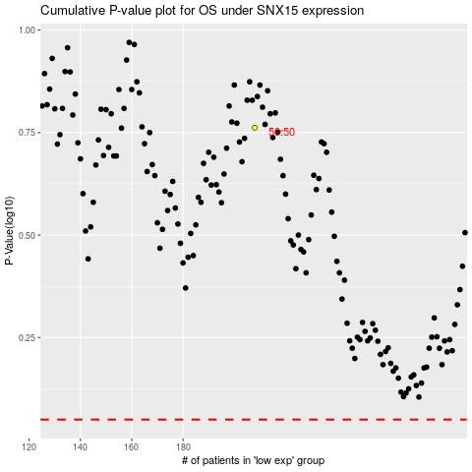

 |  |  |  |  |  | cases_OS | p_OS | rank | exp
 |  |  |  |  |  |  | cases_RFS | p_RFS | rank | exp

