SNX16 _multivariate
Reported by Tex Li-Hsing Chi. tex@gate.sinica.edu.tw 2019-08-15

Table 2. The clinicopathological features of HNSCC cohort and SNX16 expression. (Chi square test)
Cutoff at 0.335 (70.0%)
 |  | SNX16 expression |  | SNX16 expression |  | (Optimised)
 | Features | Low | (%) | High | (%) | Case no | P-value | Remark | Matthews
Gender | Female | 221 | 53.3 | 85 | 20.5 | 415 | 0.1049 | 0 | 0
2 | Male | 69 | 16.6 | 40 | 9.6
Age at diagnosis | <=65y | 190 | 45.8 | 84 | 20.2 | 415 | 0.8266 | 0 | 0
4 | >65y | 100 | 24.1 | 41 | 9.9
Clinical T Status | T1+T2 | 98 | 23.6 | 51 | 12.3 | 415 | 0.21 | 0 | 0
6 | T3+T4 | 192 | 46.3 | 74 | 17.8
Clinical N Status | N0 | 151 | 36.4 | 65 | 15.7 | 415 | 1 | 0 | 0
8 | N1-3 | 139 | 33.5 | 60 | 14.5
Clinical M Status | M0 | 287 | 69.2 | 125 | 30.1 | 415 | 0.5571 | 0 | 0
10 | M1 | 3 | 0.7 | 0 | 0
Clinical Stage | Stage I+II | 64 | 15.4 | 38 | 9.2 | 415 | 0.0921 | 0 | 0
12 | Stage III+IV | 226 | 54.5 | 87 | 21
Surgical Margin status | Negative | 216 | 52 | 102 | 24.6 | 415 | 0.13 | 0 | 0
14 | Positive | 74 | 17.8 | 23 | 5.5
Tobacco Exposure | Low | 102 | 24.6 | 59 | 14.2 | 415 | 0.0279 | 1 | 0
16 | High | 188 | 45.3 | 66 | 15.9

Table 3. Univariate/Multivariate Cox's proportional hazards regression analyses on OS time of SNX16 gene expression in HNSCC

 |  | Univariate |  |  |  | Multivariate
 | Features | HR | CI95%(L) | CI95%(H) | P-value | HR | CI95%(L) | CI95%(H) | P-value
1 | Female | 1 |  |  |  | 1
Gender | Male | 1.157 | 0.843 | 1.587 | 0.367 | 1.212 | 0.866 | 1.696 | 0.261
11 | <=65y | 1 |  |  |  | 1
Age at diagnosis | >65y | 1.329 | 0.99 | 1.784 | 0.058 | 1.371 | 1.007 | 1.867 | 0.045
12 | T1+T2 | 1 |  |  |  | 1
Clinical T Status | T3+T4 | 1.409 | 1.028 | 1.931 | 0.033 | 2.191 | 1.159 | 4.144 | 0.016
13 | N0 | 1 |  |  |  | 1
Clinical N Status | N1-3 | 1.185 | 0.89 | 1.577 | 0.246 | 1.264 | 0.885 | 1.805 | 0.198
14 | M0 | 1 |  |  |  | 1
Clinical M Status | M1 | 4.097 | 1.009 | 16.644 | 0.049 | 8.704 | 1.893 | 40.026 | 0.005
15 | Stage I+II | 1 |  |  |  | 1
Clinical Stage | Stage III+IV | 1.245 | 0.882 | 1.759 | 0.213 | 0.494 | 0.23 | 1.061 | 0.071
16 | Negative | 1 |  |  |  | 1
Surgical Margin status | Positive | 1.591 | 1.155 | 2.191 | 0.004 | 1.633 | 1.18 | 2.259 | 0.003
17 | Low | 1 |  |  |  | 1
Tobacco Exposure | High | 1.364 | 1.008 | 1.844 | 0.044 | 1.41 | 1.02 | 1.95 | 0.038
18 | Low | 1 |  |  |  | 1
RNAseq(z-score) | High | 0.698 | 0.502 | 0.973 | 0.034 | 0.79 | 0.563 | 1.108 | 0.171

Table 4. Univariate/Multivariate Cox's proportional hazards regression analyses on RFS time of SNX16 gene expression in HNSCC

 |  | Univariate |  |  |  | Multivariate
 | Features | HR | CI95%(L) | CI95%(H) | P-value | HR | CI95%(L) | CI95%(H) | P-value
1 | Female | 1 |  |  |  | 1
Gender | Male | 1.157 | 0.843 | 1.587 | 0.367 | 1.212 | 0.866 | 1.696 | 0.261
11 | <=65y | 1 |  |  |  | 1
Age at diagnosis | >65y | 1.329 | 0.99 | 1.784 | 0.058 | 1.371 | 1.007 | 1.867 | 0.045
12 | T1+T2 | 1 |  |  |  | 1
Clinical T Status | T3+T4 | 1.409 | 1.028 | 1.931 | 0.033 | 2.191 | 1.159 | 4.144 | 0.016
13 | N0 | 1 |  |  |  | 1
Clinical N Status | N1-3 | 1.185 | 0.89 | 1.577 | 0.246 | 1.264 | 0.885 | 1.805 | 0.198
14 | M0 | 1 |  |  |  | 1
Clinical M Status | M1 | 4.097 | 1.009 | 16.644 | 0.049 | 8.704 | 1.893 | 40.026 | 0.005
15 | Stage I+II | 1 |  |  |  | 1
Clinical Stage | Stage III+IV | 1.245 | 0.882 | 1.759 | 0.213 | 0.494 | 0.23 | 1.061 | 0.071
16 | Negative | 1 |  |  |  | 1
Surgical Margin status | Positive | 1.591 | 1.155 | 2.191 | 0.004 | 1.633 | 1.18 | 2.259 | 0.003
17 | Low | 1 |  |  |  | 1
Tobacco Exposure | High | 1.364 | 1.008 | 1.844 | 0.044 | 1.41 | 1.02 | 1.95 | 0.038
18 | Low | 1 |  |  |  | 1
RNAseq(z-score) | High | 0.698 | 0.502 | 0.973 | 0.034 | 0.79 | 0.563 | 1.108 | 0.171

Kaplan-Meier survival estimate: Cutoff at 0.335 (70.0%)



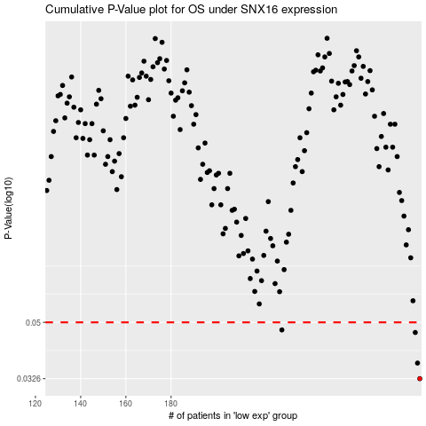

 |  |  |  |  |  | cases_OS | p_OS | rank | exp
 |  |  |  |  |  | 290 | 0.0326 | 324 | 0.33459845031
 |  |  |  |  |  | 289 | 0.0367 | 254 | 0.33300926366
 |  |  |  |  |  | 288 | 0.0463 | 265 | 0.331693359
 |  |  |  |  |  | 229 | 0.0472 | 205 | -0.11109403113
 |  |  |  |  |  |  | cases_RFS | p_RFS | rank | exp
 |  |  |  |  |  |  | 289 | 0.0326 | 254 | 0.33300926366
 |  |  |  |  |  |  | 288 | 0.0367 | 265 | 0.331693359
 |  |  |  |  |  |  | 287 | 0.0463 | 220 | 0.30908982523
 |  |  |  |  |  |  | 228 | 0.0472 | 379 | -0.11201903877

