SNX17 _multivariate
Reported by Tex Li-Hsing Chi. tex@gate.sinica.edu.tw 2019-08-15

Table 2. The clinicopathological features of HNSCC cohort and SNX17 expression. (Chi square test)
Cutoff at 0.001 (59.9%)
 |  | SNX17 expression |  | SNX17 expression |  | (Optimised)
 | Features | Low | (%) | High | (%) | Case no | P-value | Remark | Matthews
Gender | Female | 182 | 43.9 | 124 | 29.9 | 415 | 0.8022 | 0 | 0
2 | Male | 67 | 16.1 | 42 | 10.1
Age at diagnosis | <=65y | 165 | 39.8 | 109 | 26.3 | 415 | 0.9831 | 0 | 0
4 | >65y | 84 | 20.2 | 57 | 13.7
Clinical T Status | T1+T2 | 93 | 22.4 | 56 | 13.5 | 415 | 0.5173 | 0 | 0
6 | T3+T4 | 156 | 37.6 | 110 | 26.5
Clinical N Status | N0 | 130 | 31.3 | 86 | 20.7 | 415 | 1 | 0 | 0
8 | N1-3 | 119 | 28.7 | 80 | 19.3
Clinical M Status | M0 | 248 | 59.8 | 164 | 39.5 | 415 | 0.5666 | 0 | 0
10 | M1 | 1 | 0.2 | 2 | 0.5
Clinical Stage | Stage I+II | 62 | 14.9 | 40 | 9.6 | 415 | 0.9443 | 0 | 0
12 | Stage III+IV | 187 | 45.1 | 126 | 30.4
Surgical Margin status | Negative | 189 | 45.5 | 129 | 31.1 | 415 | 0.7231 | 0 | 0
14 | Positive | 60 | 14.5 | 37 | 8.9
Tobacco Exposure | Low | 105 | 25.3 | 56 | 13.5 | 415 | 0.0999 | 0 | 0
16 | High | 144 | 34.7 | 110 | 26.5

Table 3. Univariate/Multivariate Cox's proportional hazards regression analyses on OS time of SNX17 gene expression in HNSCC

 |  | Univariate |  |  |  | Multivariate
 | Features | HR | CI95%(L) | CI95%(H) | P-value | HR | CI95%(L) | CI95%(H) | P-value
1 | Female | 1 |  |  |  | 1
Gender | Male | 1.157 | 0.843 | 1.587 | 0.367 | 1.195 | 0.856 | 1.669 | 0.295
11 | <=65y | 1 |  |  |  | 1
Age at diagnosis | >65y | 1.329 | 0.99 | 1.784 | 0.058 | 1.405 | 1.034 | 1.91 | 0.03
12 | T1+T2 | 1 |  |  |  | 1
Clinical T Status | T3+T4 | 1.409 | 1.028 | 1.931 | 0.033 | 2.15 | 1.136 | 4.068 | 0.019
13 | N0 | 1 |  |  |  | 1
Clinical N Status | N1-3 | 1.185 | 0.89 | 1.577 | 0.246 | 1.227 | 0.859 | 1.751 | 0.26
14 | M0 | 1 |  |  |  | 1
Clinical M Status | M1 | 4.097 | 1.009 | 16.644 | 0.049 | 8.345 | 1.809 | 38.493 | 0.007
15 | Stage I+II | 1 |  |  |  | 1
Clinical Stage | Stage III+IV | 1.245 | 0.882 | 1.759 | 0.213 | 0.514 | 0.239 | 1.103 | 0.087
16 | Negative | 1 |  |  |  | 1
Surgical Margin status | Positive | 1.591 | 1.155 | 2.191 | 0.004 | 1.679 | 1.215 | 2.321 | 0.002
17 | Low | 1 |  |  |  | 1
Tobacco Exposure | High | 1.364 | 1.008 | 1.844 | 0.044 | 1.42 | 1.03 | 1.959 | 0.033
18 | Low | 1 |  |  |  | 1
RNAseq(z-score) | High | 1.346 | 1.008 | 1.796 | 0.044 | 1.301 | 0.971 | 1.744 | 0.078

Table 4. Univariate/Multivariate Cox's proportional hazards regression analyses on RFS time of SNX17 gene expression in HNSCC

 |  | Univariate |  |  |  | Multivariate
 | Features | HR | CI95%(L) | CI95%(H) | P-value | HR | CI95%(L) | CI95%(H) | P-value
1 | Female | 1 |  |  |  | 1
Gender | Male | 1.157 | 0.843 | 1.587 | 0.367 | 1.195 | 0.856 | 1.669 | 0.295
11 | <=65y | 1 |  |  |  | 1
Age at diagnosis | >65y | 1.329 | 0.99 | 1.784 | 0.058 | 1.405 | 1.034 | 1.91 | 0.03
12 | T1+T2 | 1 |  |  |  | 1
Clinical T Status | T3+T4 | 1.409 | 1.028 | 1.931 | 0.033 | 2.15 | 1.136 | 4.068 | 0.019
13 | N0 | 1 |  |  |  | 1
Clinical N Status | N1-3 | 1.185 | 0.89 | 1.577 | 0.246 | 1.227 | 0.859 | 1.751 | 0.26
14 | M0 | 1 |  |  |  | 1
Clinical M Status | M1 | 4.097 | 1.009 | 16.644 | 0.049 | 8.345 | 1.809 | 38.493 | 0.007
15 | Stage I+II | 1 |  |  |  | 1
Clinical Stage | Stage III+IV | 1.245 | 0.882 | 1.759 | 0.213 | 0.514 | 0.239 | 1.103 | 0.087
16 | Negative | 1 |  |  |  | 1
Surgical Margin status | Positive | 1.591 | 1.155 | 2.191 | 0.004 | 1.679 | 1.215 | 2.321 | 0.002
17 | Low | 1 |  |  |  | 1
Tobacco Exposure | High | 1.364 | 1.008 | 1.844 | 0.044 | 1.42 | 1.03 | 1.959 | 0.033
18 | Low | 1 |  |  |  | 1
RNAseq(z-score) | High | 1.346 | 1.008 | 1.796 | 0.044 | 1.301 | 0.971 | 1.744 | 0.078

Kaplan-Meier survival estimate: Cutoff at 0.001 (59.9%)



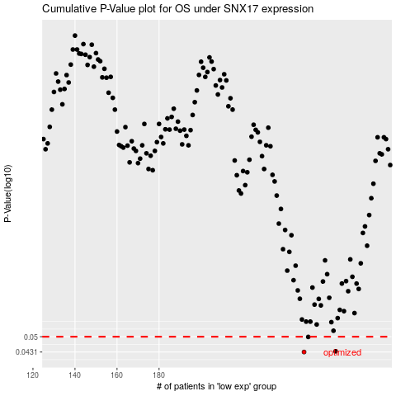

 |  |  |  |  |  | cases_OS | p_OS | rank | exp
 |  |  |  |  |  | 249 | 0.0431 | 229 | 0.00093744709557
 |  |  |  |  |  | 264 | 0.0434 | 191 | 0.077966608744
 |  |  |  |  |  | 251 | 0.0499 | 273 | 0.015916856309
 |  |  |  |  |  |  | cases_RFS | p_RFS | rank | exp
 |  |  |  |  |  |  | 248 | 0.0431 | 120 | -0.0040260182591
 |  |  |  |  |  |  | 263 | 0.0434 | 329 | 0.06954558543
 |  |  |  |  |  |  | 250 | 0.0499 | 295 | 0.0038136421553

